CXXC1 _multivariate
Reported by Tex Li-Hsing Chi. tex@gate.sinica.edu.tw 2019-08-20

Table 2. The clinicopathological features of HNSCC cohort and CXXC1 expression. (Chi square test)
Cutoff at 0.139 (68.1%)
 |  | CXXC1 expression |  | CXXC1 expression |  | (Optimised)
 | Features | Low | (%) | High | (%) | Case no | P-value | Remark | Matthews
Gender | Female | 206 | 49.6 | 100 | 24.1 | 415 | 0.6033 | 0 | 0
2 | Male | 77 | 18.6 | 32 | 7.7
Age at diagnosis | <=65y | 187 | 45.1 | 87 | 21 | 415 | 1 | 0 | 0
4 | >65y | 96 | 23.1 | 45 | 10.8
Clinical T Status | T1+T2 | 92 | 22.2 | 57 | 13.7 | 415 | 0.0454 | 1 | 0
6 | T3+T4 | 191 | 46 | 75 | 18.1
Clinical N Status | N0 | 146 | 35.2 | 70 | 16.9 | 415 | 0.8666 | 0 | 0
8 | N1-3 | 137 | 33 | 62 | 14.9
Clinical M Status | M0 | 281 | 67.7 | 131 | 31.6 | 415 | 1 | 0 | 0
10 | M1 | 2 | 0.5 | 1 | 0.2
Clinical Stage | Stage I+II | 68 | 16.4 | 34 | 8.2 | 415 | 0.7959 | 0 | 0
12 | Stage III+IV | 215 | 51.8 | 98 | 23.6
Surgical Margin status | Negative | 223 | 53.7 | 95 | 22.9 | 415 | 0.136 | 0 | 0
14 | Positive | 60 | 14.5 | 37 | 8.9
Tobacco Exposure | Low | 103 | 24.8 | 58 | 14 | 415 | 0.1599 | 0 | 0
16 | High | 180 | 43.4 | 74 | 17.8

Table 3. Univariate/Multivariate Cox's proportional hazards regression analyses on OS time of CXXC1 gene expression in HNSCC

 |  | Univariate |  |  |  | Multivariate
 | Features | HR | CI95%(L) | CI95%(H) | P-value | HR | CI95%(L) | CI95%(H) | P-value
1 | Female | 1 |  |  |  | 1
Gender | Male | 1.157 | 0.843 | 1.587 | 0.367 | 1.2 | 0.86 | 1.675 | 0.284
11 | <=65y | 1 |  |  |  | 1
Age at diagnosis | >65y | 1.329 | 0.99 | 1.784 | 0.058 | 1.402 | 1.032 | 1.905 | 0.031
12 | T1+T2 | 1 |  |  |  | 1
Clinical T Status | T3+T4 | 1.409 | 1.028 | 1.931 | 0.033 | 2.089 | 1.103 | 3.954 | 0.024
13 | N0 | 1 |  |  |  | 1
Clinical N Status | N1-3 | 1.185 | 0.89 | 1.577 | 0.246 | 1.241 | 0.869 | 1.772 | 0.234
14 | M0 | 1 |  |  |  | 1
Clinical M Status | M1 | 4.097 | 1.009 | 16.644 | 0.049 | 9.243 | 2.016 | 42.38 | 0.004
15 | Stage I+II | 1 |  |  |  | 1
Clinical Stage | Stage III+IV | 1.245 | 0.882 | 1.759 | 0.213 | 0.526 | 0.245 | 1.131 | 0.1
16 | Negative | 1 |  |  |  | 1
Surgical Margin status | Positive | 1.591 | 1.155 | 2.191 | 0.004 | 1.772 | 1.278 | 2.456 | 0.001
17 | Low | 1 |  |  |  | 1
Tobacco Exposure | High | 1.364 | 1.008 | 1.844 | 0.044 | 1.424 | 1.034 | 1.961 | 0.031
18 | Low | 1 |  |  |  | 1
RNAseq(z-score) | High | 0.657 | 0.474 | 0.912 | 0.012 | 0.636 | 0.456 | 0.889 | 0.008

Table 4. Univariate/Multivariate Cox's proportional hazards regression analyses on RFS time of CXXC1 gene expression in HNSCC

 |  | Univariate |  |  |  | Multivariate
 | Features | HR | CI95%(L) | CI95%(H) | P-value | HR | CI95%(L) | CI95%(H) | P-value
1 | Female | 1 |  |  |  | 1
Gender | Male | 1.157 | 0.843 | 1.587 | 0.367 | 1.2 | 0.86 | 1.675 | 0.284
11 | <=65y | 1 |  |  |  | 1
Age at diagnosis | >65y | 1.329 | 0.99 | 1.784 | 0.058 | 1.402 | 1.032 | 1.905 | 0.031
12 | T1+T2 | 1 |  |  |  | 1
Clinical T Status | T3+T4 | 1.409 | 1.028 | 1.931 | 0.033 | 2.089 | 1.103 | 3.954 | 0.024
13 | N0 | 1 |  |  |  | 1
Clinical N Status | N1-3 | 1.185 | 0.89 | 1.577 | 0.246 | 1.241 | 0.869 | 1.772 | 0.234
14 | M0 | 1 |  |  |  | 1
Clinical M Status | M1 | 4.097 | 1.009 | 16.644 | 0.049 | 9.243 | 2.016 | 42.38 | 0.004
15 | Stage I+II | 1 |  |  |  | 1
Clinical Stage | Stage III+IV | 1.245 | 0.882 | 1.759 | 0.213 | 0.526 | 0.245 | 1.131 | 0.1
16 | Negative | 1 |  |  |  | 1
Surgical Margin status | Positive | 1.591 | 1.155 | 2.191 | 0.004 | 1.772 | 1.278 | 2.456 | 0.001
17 | Low | 1 |  |  |  | 1
Tobacco Exposure | High | 1.364 | 1.008 | 1.844 | 0.044 | 1.424 | 1.034 | 1.961 | 0.031
18 | Low | 1 |  |  |  | 1
RNAseq(z-score) | High | 0.657 | 0.474 | 0.912 | 0.012 | 0.636 | 0.456 | 0.889 | 0.008

Kaplan-Meier survival estimate: Cutoff at 0.139 (68.1%)

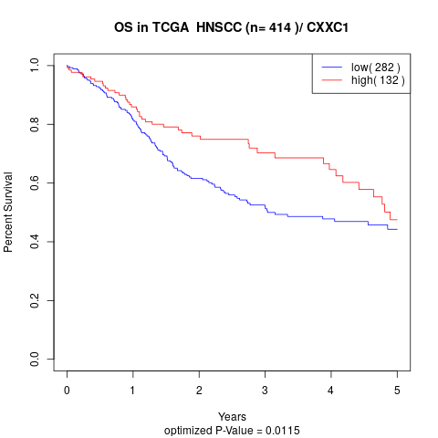

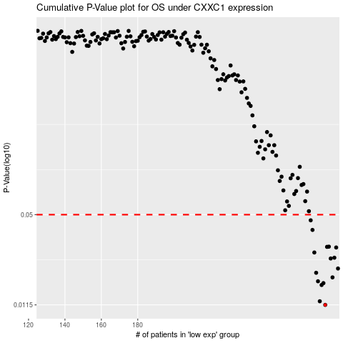

 |  |  |  |  |  | cases_OS | p_OS | rank | exp
 |  |  |  |  |  | 283 | 0.0115 | 271 | 0.1392181045
 |  |  |  |  |  | 280 | 0.0122 | 40 | 0.12994246194
 |  |  |  |  |  | 281 | 0.0159 | 25 | 0.13162806322
 |  |  |  |  |  | 282 | 0.0164 | 133 | 0.13320728333
 |  |  |  |  |  | 279 | 0.0169 | 54 | 0.12920196548
 |  |  |  |  |  | 287 | 0.018 | 396 | 0.15188941162
 |  |  |  |  |  | 278 | 0.0194 | 211 | 0.12771509411
 |  |  |  |  |  | 290 | 0.0208 | 412 | 0.17554149424
 |  |  |  |  |  | 286 | 0.0245 | 284 | 0.14793074221
 |  |  |  |  |  | 288 | 0.0248 | 381 | 0.1561128014
 |  |  |  |  |  | 277 | 0.027 | 88 | 0.12556793882
 |  |  |  |  |  | 289 | 0.0293 | 364 | 0.170047788
 |  |  |  |  |  | 284 | 0.0296 | 342 | 0.14724599632
 |  |  |  |  |  | 285 | 0.0297 | 251 | 0.14732450222
 |  |  |  |  |  | 276 | 0.039 | 155 | 0.12224964241
 |  |  |  |  |  | 275 | 0.0456 | 142 | 0.11856593327
 |  |  |  |  |  |  | cases_RFS | p_RFS | rank | exp
 |  |  |  |  |  |  | 282 | 0.0115 | 133 | 0.13320728333
 |  |  |  |  |  |  | 279 | 0.0122 | 54 | 0.12920196548
 |  |  |  |  |  |  | 280 | 0.0159 | 40 | 0.12994246194
 |  |  |  |  |  |  | 281 | 0.0164 | 25 | 0.13162806322
 |  |  |  |  |  |  | 278 | 0.0169 | 211 | 0.12771509411
 |  |  |  |  |  |  | 286 | 0.018 | 284 | 0.14793074221
 |  |  |  |  |  |  | 277 | 0.0194 | 88 | 0.12556793882
 |  |  |  |  |  |  | 289 | 0.0208 | 364 | 0.170047788
 |  |  |  |  |  |  | 285 | 0.0245 | 251 | 0.14732450222
 |  |  |  |  |  |  | 287 | 0.0248 | 396 | 0.15188941162
 |  |  |  |  |  |  | 276 | 0.027 | 155 | 0.12224964241
 |  |  |  |  |  |  | 288 | 0.0293 | 381 | 0.1561128014
 |  |  |  |  |  |  | 283 | 0.0296 | 271 | 0.1392181045
 |  |  |  |  |  |  | 284 | 0.0297 | 342 | 0.14724599632
 |  |  |  |  |  |  | 275 | 0.039 | 142 | 0.11856593327
 |  |  |  |  |  |  | 274 | 0.0456 | 55 | 0.11170444189

