CXXC5 _multivariate
Reported by Tex Li-Hsing Chi. tex@gate.sinica.edu.tw 2019-08-20

Table 2. The clinicopathological features of HNSCC cohort and CXXC5 expression. (Chi square test)
Cutoff at -0.297 (50.0%)
 |  | CXXC5 expression |  | CXXC5 expression |  | (Optimised)
 | Features | Low | (%) | High | (%) | Case no | P-value | Remark | Matthews
Gender | Female | 158 | 38.1 | 148 | 35.7 | 415 | 0.2774 | 0 | 0
2 | Male | 49 | 11.8 | 60 | 14.5
Age at diagnosis | <=65y | 138 | 33.3 | 136 | 32.8 | 415 | 0.8634 | 0 | 0
4 | >65y | 69 | 16.6 | 72 | 17.3
Clinical T Status | T1+T2 | 61 | 14.7 | 88 | 21.2 | 415 | 0.0087 | 1 | 0
6 | T3+T4 | 146 | 35.2 | 120 | 28.9
Clinical N Status | N0 | 107 | 25.8 | 109 | 26.3 | 415 | 0.9624 | 0 | 0
8 | N1-3 | 100 | 24.1 | 99 | 23.9
Clinical M Status | M0 | 204 | 49.2 | 208 | 50.1 | 415 | 0.1232 | 0 | 0
10 | M1 | 3 | 0.7 | 0 | 0
Clinical Stage | Stage I+II | 37 | 8.9 | 65 | 15.7 | 415 | 0.0023 | 1 | 0
12 | Stage III+IV | 170 | 41 | 143 | 34.5
Surgical Margin status | Negative | 149 | 35.9 | 169 | 40.7 | 415 | 0.0278 | 1 | 0
14 | Positive | 58 | 14 | 39 | 9.4
Tobacco Exposure | Low | 75 | 18.1 | 86 | 20.7 | 415 | 0.3141 | 0 | 0
16 | High | 132 | 31.8 | 122 | 29.4

Table 3. Univariate/Multivariate Cox's proportional hazards regression analyses on OS time of CXXC5 gene expression in HNSCC

 |  | Univariate |  |  |  | Multivariate
 | Features | HR | CI95%(L) | CI95%(H) | P-value | HR | CI95%(L) | CI95%(H) | P-value
1 | Female | 1 |  |  |  | 1
Gender | Male | 1.157 | 0.843 | 1.587 | 0.367 | 1.199 | 0.858 | 1.676 | 0.287
11 | <=65y | 1 |  |  |  | 1
Age at diagnosis | >65y | 1.329 | 0.99 | 1.784 | 0.058 | 1.392 | 1.024 | 1.892 | 0.035
12 | T1+T2 | 1 |  |  |  | 1
Clinical T Status | T3+T4 | 1.409 | 1.028 | 1.931 | 0.033 | 2.205 | 1.166 | 4.171 | 0.015
13 | N0 | 1 |  |  |  | 1
Clinical N Status | N1-3 | 1.185 | 0.89 | 1.577 | 0.246 | 1.239 | 0.868 | 1.768 | 0.237
14 | M0 | 1 |  |  |  | 1
Clinical M Status | M1 | 4.097 | 1.009 | 16.644 | 0.049 | 9.566 | 2.071 | 44.176 | 0.004
15 | Stage I+II | 1 |  |  |  | 1
Clinical Stage | Stage III+IV | 1.245 | 0.882 | 1.759 | 0.213 | 0.508 | 0.236 | 1.092 | 0.083
16 | Negative | 1 |  |  |  | 1
Surgical Margin status | Positive | 1.591 | 1.155 | 2.191 | 0.004 | 1.679 | 1.212 | 2.324 | 0.002
17 | Low | 1 |  |  |  | 1
Tobacco Exposure | High | 1.364 | 1.008 | 1.844 | 0.044 | 1.451 | 1.053 | 2 | 0.023
18 | Low | 1 |  |  |  | 1
RNAseq(z-score) | High | 0.946 | 0.71 | 1.261 | 0.706 | 1.034 | 0.769 | 1.39 | 0.826

Table 4. Univariate/Multivariate Cox's proportional hazards regression analyses on RFS time of CXXC5 gene expression in HNSCC

 |  | Univariate |  |  |  | Multivariate
 | Features | HR | CI95%(L) | CI95%(H) | P-value | HR | CI95%(L) | CI95%(H) | P-value
1 | Female | 1 |  |  |  | 1
Gender | Male | 1.157 | 0.843 | 1.587 | 0.367 | 1.199 | 0.858 | 1.676 | 0.287
11 | <=65y | 1 |  |  |  | 1
Age at diagnosis | >65y | 1.329 | 0.99 | 1.784 | 0.058 | 1.392 | 1.024 | 1.892 | 0.035
12 | T1+T2 | 1 |  |  |  | 1
Clinical T Status | T3+T4 | 1.409 | 1.028 | 1.931 | 0.033 | 2.205 | 1.166 | 4.171 | 0.015
13 | N0 | 1 |  |  |  | 1
Clinical N Status | N1-3 | 1.185 | 0.89 | 1.577 | 0.246 | 1.239 | 0.868 | 1.768 | 0.237
14 | M0 | 1 |  |  |  | 1
Clinical M Status | M1 | 4.097 | 1.009 | 16.644 | 0.049 | 9.566 | 2.071 | 44.176 | 0.004
15 | Stage I+II | 1 |  |  |  | 1
Clinical Stage | Stage III+IV | 1.245 | 0.882 | 1.759 | 0.213 | 0.508 | 0.236 | 1.092 | 0.083
16 | Negative | 1 |  |  |  | 1
Surgical Margin status | Positive | 1.591 | 1.155 | 2.191 | 0.004 | 1.679 | 1.212 | 2.324 | 0.002
17 | Low | 1 |  |  |  | 1
Tobacco Exposure | High | 1.364 | 1.008 | 1.844 | 0.044 | 1.451 | 1.053 | 2 | 0.023
18 | Low | 1 |  |  |  | 1
RNAseq(z-score) | High | 0.946 | 0.71 | 1.261 | 0.706 | 1.034 | 0.769 | 1.39 | 0.826

Kaplan-Meier survival estimate: Cutoff at -0.297 (50.0%)

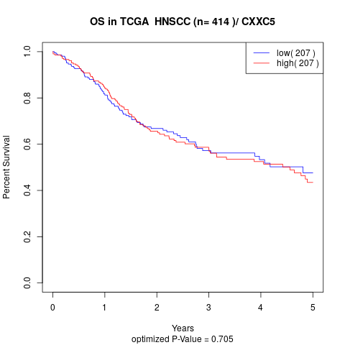

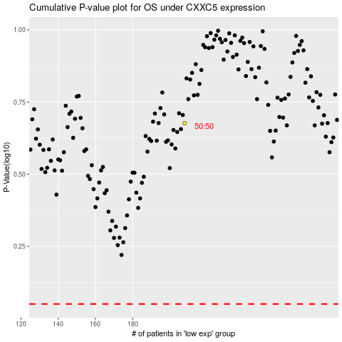

 |  |  |  |  |  | cases_OS | p_OS | rank | exp
 |  |  |  |  |  |  | cases_RFS | p_RFS | rank | exp

