CYB561D2 _multivariate
Reported by Tex Li-Hsing Chi. tex@gate.sinica.edu.tw 2019-08-20

Table 2. The clinicopathological features of HNSCC cohort and CYB561D2 expression. (Chi square test)
Cutoff at -0.286 (49.8%)
 |  | CYB561D2 expression |  | CYB561D2 expression |  | (Optimised)
 | Features | Low | (%) | High | (%) | Case no | P-value | Remark | Matthews
Gender | Female | 164 | 39.5 | 142 | 34.2 | 415 | 0.0153 | 1 | 0
2 | Male | 43 | 10.4 | 66 | 15.9
Age at diagnosis | <=65y | 150 | 36.1 | 124 | 29.9 | 415 | 0.0078 | 1 | 0
4 | >65y | 57 | 13.7 | 84 | 20.2
Clinical T Status | T1+T2 | 63 | 15.2 | 86 | 20.7 | 415 | 0.0268 | 1 | 0
6 | T3+T4 | 144 | 34.7 | 122 | 29.4
Clinical N Status | N0 | 101 | 24.3 | 115 | 27.7 | 415 | 0.2201 | 0 | 0
8 | N1-3 | 106 | 25.5 | 93 | 22.4
Clinical M Status | M0 | 207 | 49.9 | 205 | 49.4 | 415 | 0.2482 | 0 | 0
10 | M1 | 0 | 0 | 3 | 0.7
Clinical Stage | Stage I+II | 43 | 10.4 | 59 | 14.2 | 415 | 0.0925 | 0 | 0
12 | Stage III+IV | 164 | 39.5 | 149 | 35.9
Surgical Margin status | Negative | 160 | 38.6 | 158 | 38.1 | 415 | 0.8167 | 0 | 0
14 | Positive | 47 | 11.3 | 50 | 12
Tobacco Exposure | Low | 58 | 14 | 103 | 24.8 | 415 | 0 | 1 | 0
16 | High | 149 | 35.9 | 105 | 25.3

Table 3. Univariate/Multivariate Cox's proportional hazards regression analyses on OS time of CYB561D2 gene expression in HNSCC

 |  | Univariate |  |  |  | Multivariate
 | Features | HR | CI95%(L) | CI95%(H) | P-value | HR | CI95%(L) | CI95%(H) | P-value
1 | Female | 1 |  |  |  | 1
Gender | Male | 1.157 | 0.843 | 1.587 | 0.367 | 1.219 | 0.871 | 1.707 | 0.248
11 | <=65y | 1 |  |  |  | 1
Age at diagnosis | >65y | 1.329 | 0.99 | 1.784 | 0.058 | 1.414 | 1.038 | 1.927 | 0.028
12 | T1+T2 | 1 |  |  |  | 1
Clinical T Status | T3+T4 | 1.409 | 1.028 | 1.931 | 0.033 | 2.171 | 1.147 | 4.109 | 0.017
13 | N0 | 1 |  |  |  | 1
Clinical N Status | N1-3 | 1.185 | 0.89 | 1.577 | 0.246 | 1.231 | 0.862 | 1.758 | 0.254
14 | M0 | 1 |  |  |  | 1
Clinical M Status | M1 | 4.097 | 1.009 | 16.644 | 0.049 | 10.09 | 2.181 | 46.668 | 0.003
15 | Stage I+II | 1 |  |  |  | 1
Clinical Stage | Stage III+IV | 1.245 | 0.882 | 1.759 | 0.213 | 0.506 | 0.236 | 1.088 | 0.081
16 | Negative | 1 |  |  |  | 1
Surgical Margin status | Positive | 1.591 | 1.155 | 2.191 | 0.004 | 1.683 | 1.217 | 2.326 | 0.002
17 | Low | 1 |  |  |  | 1
Tobacco Exposure | High | 1.364 | 1.008 | 1.844 | 0.044 | 1.425 | 1.031 | 1.969 | 0.032
18 | Low | 1 |  |  |  | 1
RNAseq(z-score) | High | 0.882 | 0.66 | 1.178 | 0.395 | 0.875 | 0.645 | 1.188 | 0.393

Table 4. Univariate/Multivariate Cox's proportional hazards regression analyses on RFS time of CYB561D2 gene expression in HNSCC

 |  | Univariate |  |  |  | Multivariate
 | Features | HR | CI95%(L) | CI95%(H) | P-value | HR | CI95%(L) | CI95%(H) | P-value
1 | Female | 1 |  |  |  | 1
Gender | Male | 1.157 | 0.843 | 1.587 | 0.367 | 1.219 | 0.871 | 1.707 | 0.248
11 | <=65y | 1 |  |  |  | 1
Age at diagnosis | >65y | 1.329 | 0.99 | 1.784 | 0.058 | 1.414 | 1.038 | 1.927 | 0.028
12 | T1+T2 | 1 |  |  |  | 1
Clinical T Status | T3+T4 | 1.409 | 1.028 | 1.931 | 0.033 | 2.171 | 1.147 | 4.109 | 0.017
13 | N0 | 1 |  |  |  | 1
Clinical N Status | N1-3 | 1.185 | 0.89 | 1.577 | 0.246 | 1.231 | 0.862 | 1.758 | 0.254
14 | M0 | 1 |  |  |  | 1
Clinical M Status | M1 | 4.097 | 1.009 | 16.644 | 0.049 | 10.09 | 2.181 | 46.668 | 0.003
15 | Stage I+II | 1 |  |  |  | 1
Clinical Stage | Stage III+IV | 1.245 | 0.882 | 1.759 | 0.213 | 0.506 | 0.236 | 1.088 | 0.081
16 | Negative | 1 |  |  |  | 1
Surgical Margin status | Positive | 1.591 | 1.155 | 2.191 | 0.004 | 1.683 | 1.217 | 2.326 | 0.002
17 | Low | 1 |  |  |  | 1
Tobacco Exposure | High | 1.364 | 1.008 | 1.844 | 0.044 | 1.425 | 1.031 | 1.969 | 0.032
18 | Low | 1 |  |  |  | 1
RNAseq(z-score) | High | 0.882 | 0.66 | 1.178 | 0.395 | 0.875 | 0.645 | 1.188 | 0.393

Kaplan-Meier survival estimate: Cutoff at -0.286 (49.8%)



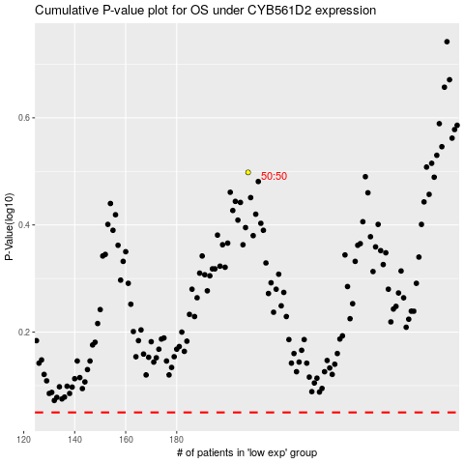

 |  |  |  |  |  | cases_OS | p_OS | rank | exp
 |  |  |  |  |  |  | cases_RFS | p_RFS | rank | exp

