CYB5A _multivariate
Reported by Tex Li-Hsing Chi. tex@gate.sinica.edu.tw 2019-08-20

Table 2. The clinicopathological features of HNSCC cohort and CYB5A expression. (Chi square test)
Cutoff at -0.218 (49.8%)
 |  | CYB5A expression |  | CYB5A expression |  | (Optimised)
 | Features | Low | (%) | High | (%) | Case no | P-value | Remark | Matthews
Gender | Female | 142 | 34.2 | 164 | 39.5 | 415 | 0.0238 | 1 | 0
2 | Male | 65 | 15.7 | 44 | 10.6
Age at diagnosis | <=65y | 134 | 32.3 | 140 | 33.7 | 415 | 0.6529 | 0 | 0
4 | >65y | 73 | 17.6 | 68 | 16.4
Clinical T Status | T1+T2 | 89 | 21.4 | 60 | 14.5 | 415 | 0.0037 | 1 | 0
6 | T3+T4 | 118 | 28.4 | 148 | 35.7
Clinical N Status | N0 | 113 | 27.2 | 103 | 24.8 | 415 | 0.3495 | 1 | 0
8 | N1-3 | 94 | 22.7 | 105 | 25.3
Clinical M Status | M0 | 205 | 49.4 | 207 | 49.9 | 415 | 0.6232 | 0 | 0
10 | M1 | 2 | 0.5 | 1 | 0.2
Clinical Stage | Stage I+II | 66 | 15.9 | 36 | 8.7 | 415 | 9e-04 | 1 | 0
12 | Stage III+IV | 141 | 34 | 172 | 41.4
Surgical Margin status | Negative | 166 | 40 | 152 | 36.6 | 415 | 0.1042 | 0 | 0
14 | Positive | 41 | 9.9 | 56 | 13.5
Tobacco Exposure | Low | 97 | 23.4 | 64 | 15.4 | 415 | 9e-04 | 1 | 0
16 | High | 110 | 26.5 | 144 | 34.7

Table 3. Univariate/Multivariate Cox's proportional hazards regression analyses on OS time of CYB5A gene expression in HNSCC

 |  | Univariate |  |  |  | Multivariate
 | Features | HR | CI95%(L) | CI95%(H) | P-value | HR | CI95%(L) | CI95%(H) | P-value
1 | Female | 1 |  |  |  | 1
Gender | Male | 1.157 | 0.843 | 1.587 | 0.367 | 1.191 | 0.851 | 1.667 | 0.308
11 | <=65y | 1 |  |  |  | 1
Age at diagnosis | >65y | 1.329 | 0.99 | 1.784 | 0.058 | 1.387 | 1.02 | 1.886 | 0.037
12 | T1+T2 | 1 |  |  |  | 1
Clinical T Status | T3+T4 | 1.409 | 1.028 | 1.931 | 0.033 | 2.2 | 1.164 | 4.16 | 0.015
13 | N0 | 1 |  |  |  | 1
Clinical N Status | N1-3 | 1.185 | 0.89 | 1.577 | 0.246 | 1.233 | 0.863 | 1.76 | 0.25
14 | M0 | 1 |  |  |  | 1
Clinical M Status | M1 | 4.097 | 1.009 | 16.644 | 0.049 | 9.278 | 2.022 | 42.56 | 0.004
15 | Stage I+II | 1 |  |  |  | 1
Clinical Stage | Stage III+IV | 1.245 | 0.882 | 1.759 | 0.213 | 0.513 | 0.238 | 1.104 | 0.088
16 | Negative | 1 |  |  |  | 1
Surgical Margin status | Positive | 1.591 | 1.155 | 2.191 | 0.004 | 1.687 | 1.219 | 2.335 | 0.002
17 | Low | 1 |  |  |  | 1
Tobacco Exposure | High | 1.364 | 1.008 | 1.844 | 0.044 | 1.475 | 1.065 | 2.043 | 0.019
18 | Low | 1 |  |  |  | 1
RNAseq(z-score) | High | 1.003 | 0.752 | 1.337 | 0.983 | 0.92 | 0.681 | 1.243 | 0.586

Table 4. Univariate/Multivariate Cox's proportional hazards regression analyses on RFS time of CYB5A gene expression in HNSCC

 |  | Univariate |  |  |  | Multivariate
 | Features | HR | CI95%(L) | CI95%(H) | P-value | HR | CI95%(L) | CI95%(H) | P-value
1 | Female | 1 |  |  |  | 1
Gender | Male | 1.157 | 0.843 | 1.587 | 0.367 | 1.191 | 0.851 | 1.667 | 0.308
11 | <=65y | 1 |  |  |  | 1
Age at diagnosis | >65y | 1.329 | 0.99 | 1.784 | 0.058 | 1.387 | 1.02 | 1.886 | 0.037
12 | T1+T2 | 1 |  |  |  | 1
Clinical T Status | T3+T4 | 1.409 | 1.028 | 1.931 | 0.033 | 2.2 | 1.164 | 4.16 | 0.015
13 | N0 | 1 |  |  |  | 1
Clinical N Status | N1-3 | 1.185 | 0.89 | 1.577 | 0.246 | 1.233 | 0.863 | 1.76 | 0.25
14 | M0 | 1 |  |  |  | 1
Clinical M Status | M1 | 4.097 | 1.009 | 16.644 | 0.049 | 9.278 | 2.022 | 42.56 | 0.004
15 | Stage I+II | 1 |  |  |  | 1
Clinical Stage | Stage III+IV | 1.245 | 0.882 | 1.759 | 0.213 | 0.513 | 0.238 | 1.104 | 0.088
16 | Negative | 1 |  |  |  | 1
Surgical Margin status | Positive | 1.591 | 1.155 | 2.191 | 0.004 | 1.687 | 1.219 | 2.335 | 0.002
17 | Low | 1 |  |  |  | 1
Tobacco Exposure | High | 1.364 | 1.008 | 1.844 | 0.044 | 1.475 | 1.065 | 2.043 | 0.019
18 | Low | 1 |  |  |  | 1
RNAseq(z-score) | High | 1.003 | 0.752 | 1.337 | 0.983 | 0.92 | 0.681 | 1.243 | 0.586

Kaplan-Meier survival estimate: Cutoff at -0.218 (49.8%)



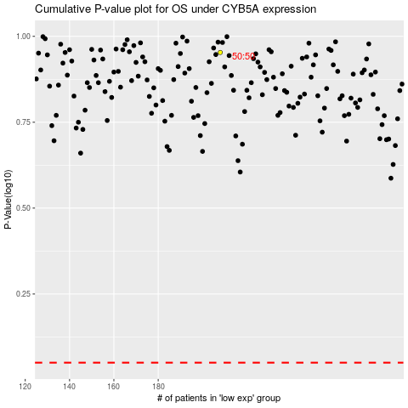

 |  |  |  |  |  | cases_OS | p_OS | rank | exp
 |  |  |  |  |  |  | cases_RFS | p_RFS | rank | exp

