CYB5D1 _multivariate
Reported by Tex Li-Hsing Chi. tex@gate.sinica.edu.tw 2019-08-20

Table 2. The clinicopathological features of HNSCC cohort and CYB5D1 expression. (Chi square test)
Cutoff at -0.194 (49.8%)
 |  | CYB5D1 expression |  | CYB5D1 expression |  | (Optimised)
 | Features | Low | (%) | High | (%) | Case no | P-value | Remark | Matthews
Gender | Female | 146 | 35.2 | 160 | 38.6 | 415 | 0.1714 | 0 | 0
2 | Male | 61 | 14.7 | 48 | 11.6
Age at diagnosis | <=65y | 135 | 32.5 | 139 | 33.5 | 415 | 0.8084 | 0 | 0
4 | >65y | 72 | 17.3 | 69 | 16.6
Clinical T Status | T1+T2 | 73 | 17.6 | 76 | 18.3 | 415 | 0.8666 | 0 | 0
6 | T3+T4 | 134 | 32.3 | 132 | 31.8
Clinical N Status | N0 | 106 | 25.5 | 110 | 26.5 | 415 | 0.8075 | 0 | 0
8 | N1-3 | 101 | 24.3 | 98 | 23.6
Clinical M Status | M0 | 205 | 49.4 | 207 | 49.9 | 415 | 0.6232 | 0 | 0
10 | M1 | 2 | 0.5 | 1 | 0.2
Clinical Stage | Stage I+II | 51 | 12.3 | 51 | 12.3 | 415 | 1 | 0 | 0
12 | Stage III+IV | 156 | 37.6 | 157 | 37.8
Surgical Margin status | Negative | 159 | 38.3 | 159 | 38.3 | 415 | 1 | 0 | 0
14 | Positive | 48 | 11.6 | 49 | 11.8
Tobacco Exposure | Low | 81 | 19.5 | 80 | 19.3 | 415 | 0.9199 | 0 | 0
16 | High | 126 | 30.4 | 128 | 30.8

Table 3. Univariate/Multivariate Cox's proportional hazards regression analyses on OS time of CYB5D1 gene expression in HNSCC

 |  | Univariate |  |  |  | Multivariate
 | Features | HR | CI95%(L) | CI95%(H) | P-value | HR | CI95%(L) | CI95%(H) | P-value
1 | Female | 1 |  |  |  | 1
Gender | Male | 1.157 | 0.843 | 1.587 | 0.367 | 1.198 | 0.858 | 1.674 | 0.289
11 | <=65y | 1 |  |  |  | 1
Age at diagnosis | >65y | 1.329 | 0.99 | 1.784 | 0.058 | 1.387 | 1.02 | 1.886 | 0.037
12 | T1+T2 | 1 |  |  |  | 1
Clinical T Status | T3+T4 | 1.409 | 1.028 | 1.931 | 0.033 | 2.203 | 1.165 | 4.166 | 0.015
13 | N0 | 1 |  |  |  | 1
Clinical N Status | N1-3 | 1.185 | 0.89 | 1.577 | 0.246 | 1.237 | 0.867 | 1.765 | 0.242
14 | M0 | 1 |  |  |  | 1
Clinical M Status | M1 | 4.097 | 1.009 | 16.644 | 0.049 | 8.854 | 1.926 | 40.701 | 0.005
15 | Stage I+II | 1 |  |  |  | 1
Clinical Stage | Stage III+IV | 1.245 | 0.882 | 1.759 | 0.213 | 0.503 | 0.235 | 1.079 | 0.077
16 | Negative | 1 |  |  |  | 1
Surgical Margin status | Positive | 1.591 | 1.155 | 2.191 | 0.004 | 1.686 | 1.219 | 2.33 | 0.002
17 | Low | 1 |  |  |  | 1
Tobacco Exposure | High | 1.364 | 1.008 | 1.844 | 0.044 | 1.448 | 1.05 | 1.998 | 0.024
18 | Low | 1 |  |  |  | 1
RNAseq(z-score) | High | 0.784 | 0.588 | 1.046 | 0.098 | 0.801 | 0.6 | 1.07 | 0.133

Table 4. Univariate/Multivariate Cox's proportional hazards regression analyses on RFS time of CYB5D1 gene expression in HNSCC

 |  | Univariate |  |  |  | Multivariate
 | Features | HR | CI95%(L) | CI95%(H) | P-value | HR | CI95%(L) | CI95%(H) | P-value
1 | Female | 1 |  |  |  | 1
Gender | Male | 1.157 | 0.843 | 1.587 | 0.367 | 1.198 | 0.858 | 1.674 | 0.289
11 | <=65y | 1 |  |  |  | 1
Age at diagnosis | >65y | 1.329 | 0.99 | 1.784 | 0.058 | 1.387 | 1.02 | 1.886 | 0.037
12 | T1+T2 | 1 |  |  |  | 1
Clinical T Status | T3+T4 | 1.409 | 1.028 | 1.931 | 0.033 | 2.203 | 1.165 | 4.166 | 0.015
13 | N0 | 1 |  |  |  | 1
Clinical N Status | N1-3 | 1.185 | 0.89 | 1.577 | 0.246 | 1.237 | 0.867 | 1.765 | 0.242
14 | M0 | 1 |  |  |  | 1
Clinical M Status | M1 | 4.097 | 1.009 | 16.644 | 0.049 | 8.854 | 1.926 | 40.701 | 0.005
15 | Stage I+II | 1 |  |  |  | 1
Clinical Stage | Stage III+IV | 1.245 | 0.882 | 1.759 | 0.213 | 0.503 | 0.235 | 1.079 | 0.077
16 | Negative | 1 |  |  |  | 1
Surgical Margin status | Positive | 1.591 | 1.155 | 2.191 | 0.004 | 1.686 | 1.219 | 2.33 | 0.002
17 | Low | 1 |  |  |  | 1
Tobacco Exposure | High | 1.364 | 1.008 | 1.844 | 0.044 | 1.448 | 1.05 | 1.998 | 0.024
18 | Low | 1 |  |  |  | 1
RNAseq(z-score) | High | 0.784 | 0.588 | 1.046 | 0.098 | 0.801 | 0.6 | 1.07 | 0.133

Kaplan-Meier survival estimate: Cutoff at -0.194 (49.8%)



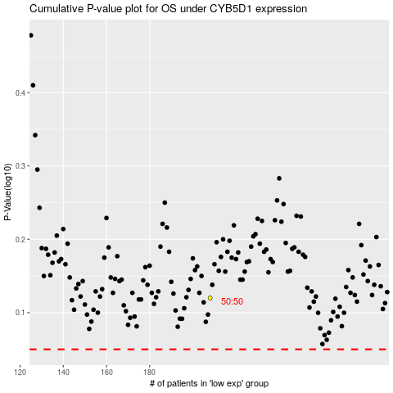

 |  |  |  |  |  | cases_OS | p_OS | rank | exp
 |  |  |  |  |  |  | cases_RFS | p_RFS | rank | exp

