CYB5D2 _multivariate
Reported by Tex Li-Hsing Chi. tex@gate.sinica.edu.tw 2019-08-20

Table 2. The clinicopathological features of HNSCC cohort and CYB5D2 expression. (Chi square test)
Cutoff at -0.471 (36.7%)
 |  | CYB5D2 expression |  | CYB5D2 expression |  | (Optimised)
 | Features | Low | (%) | High | (%) | Case no | P-value | Remark | Matthews
Gender | Female | 118 | 28.4 | 188 | 45.3 | 415 | 0.2787 | 0 | 0
2 | Male | 35 | 8.4 | 74 | 17.8
Age at diagnosis | <=65y | 106 | 25.5 | 168 | 40.5 | 415 | 0.3355 | 0 | 0
4 | >65y | 47 | 11.3 | 94 | 22.7
Clinical T Status | T1+T2 | 45 | 10.8 | 104 | 25.1 | 415 | 0.0454 | 1 | 0
6 | T3+T4 | 108 | 26 | 158 | 38.1
Clinical N Status | N0 | 68 | 16.4 | 148 | 35.7 | 415 | 0.0234 | 1 | 0
8 | N1-3 | 85 | 20.5 | 114 | 27.5
Clinical M Status | M0 | 153 | 36.9 | 259 | 62.4 | 415 | 0.3001 | 0 | 0
10 | M1 | 0 | 0 | 3 | 0.7
Clinical Stage | Stage I+II | 30 | 7.2 | 72 | 17.3 | 415 | 0.0931 | 0 | 0
12 | Stage III+IV | 123 | 29.6 | 190 | 45.8
Surgical Margin status | Negative | 116 | 28 | 202 | 48.7 | 415 | 0.8103 | 0 | 0
14 | Positive | 37 | 8.9 | 60 | 14.5
Tobacco Exposure | Low | 44 | 10.6 | 117 | 28.2 | 415 | 0.0017 | 1 | 0
16 | High | 109 | 26.3 | 145 | 34.9

Table 3. Univariate/Multivariate Cox's proportional hazards regression analyses on OS time of CYB5D2 gene expression in HNSCC

 |  | Univariate |  |  |  | Multivariate
 | Features | HR | CI95%(L) | CI95%(H) | P-value | HR | CI95%(L) | CI95%(H) | P-value
1 | Female | 1 |  |  |  | 1
Gender | Male | 1.157 | 0.843 | 1.587 | 0.367 | 1.227 | 0.877 | 1.716 | 0.232
11 | <=65y | 1 |  |  |  | 1
Age at diagnosis | >65y | 1.329 | 0.99 | 1.784 | 0.058 | 1.395 | 1.025 | 1.899 | 0.034
12 | T1+T2 | 1 |  |  |  | 1
Clinical T Status | T3+T4 | 1.409 | 1.028 | 1.931 | 0.033 | 2.189 | 1.159 | 4.136 | 0.016
13 | N0 | 1 |  |  |  | 1
Clinical N Status | N1-3 | 1.185 | 0.89 | 1.577 | 0.246 | 1.229 | 0.861 | 1.754 | 0.256
14 | M0 | 1 |  |  |  | 1
Clinical M Status | M1 | 4.097 | 1.009 | 16.644 | 0.049 | 10.46 | 2.266 | 48.285 | 0.003
15 | Stage I+II | 1 |  |  |  | 1
Clinical Stage | Stage III+IV | 1.245 | 0.882 | 1.759 | 0.213 | 0.497 | 0.231 | 1.066 | 0.073
16 | Negative | 1 |  |  |  | 1
Surgical Margin status | Positive | 1.591 | 1.155 | 2.191 | 0.004 | 1.639 | 1.185 | 2.267 | 0.003
17 | Low | 1 |  |  |  | 1
Tobacco Exposure | High | 1.364 | 1.008 | 1.844 | 0.044 | 1.44 | 1.043 | 1.988 | 0.027
18 | Low | 1 |  |  |  | 1
RNAseq(z-score) | High | 0.746 | 0.556 | 1 | 0.05 | 0.786 | 0.582 | 1.061 | 0.116

Table 4. Univariate/Multivariate Cox's proportional hazards regression analyses on RFS time of CYB5D2 gene expression in HNSCC

 |  | Univariate |  |  |  | Multivariate
 | Features | HR | CI95%(L) | CI95%(H) | P-value | HR | CI95%(L) | CI95%(H) | P-value
1 | Female | 1 |  |  |  | 1
Gender | Male | 1.157 | 0.843 | 1.587 | 0.367 | 1.227 | 0.877 | 1.716 | 0.232
11 | <=65y | 1 |  |  |  | 1
Age at diagnosis | >65y | 1.329 | 0.99 | 1.784 | 0.058 | 1.395 | 1.025 | 1.899 | 0.034
12 | T1+T2 | 1 |  |  |  | 1
Clinical T Status | T3+T4 | 1.409 | 1.028 | 1.931 | 0.033 | 2.189 | 1.159 | 4.136 | 0.016
13 | N0 | 1 |  |  |  | 1
Clinical N Status | N1-3 | 1.185 | 0.89 | 1.577 | 0.246 | 1.229 | 0.861 | 1.754 | 0.256
14 | M0 | 1 |  |  |  | 1
Clinical M Status | M1 | 4.097 | 1.009 | 16.644 | 0.049 | 10.46 | 2.266 | 48.285 | 0.003
15 | Stage I+II | 1 |  |  |  | 1
Clinical Stage | Stage III+IV | 1.245 | 0.882 | 1.759 | 0.213 | 0.497 | 0.231 | 1.066 | 0.073
16 | Negative | 1 |  |  |  | 1
Surgical Margin status | Positive | 1.591 | 1.155 | 2.191 | 0.004 | 1.639 | 1.185 | 2.267 | 0.003
17 | Low | 1 |  |  |  | 1
Tobacco Exposure | High | 1.364 | 1.008 | 1.844 | 0.044 | 1.44 | 1.043 | 1.988 | 0.027
18 | Low | 1 |  |  |  | 1
RNAseq(z-score) | High | 0.746 | 0.556 | 1 | 0.05 | 0.786 | 0.582 | 1.061 | 0.116

Kaplan-Meier survival estimate: Cutoff at -0.471 (36.7%)



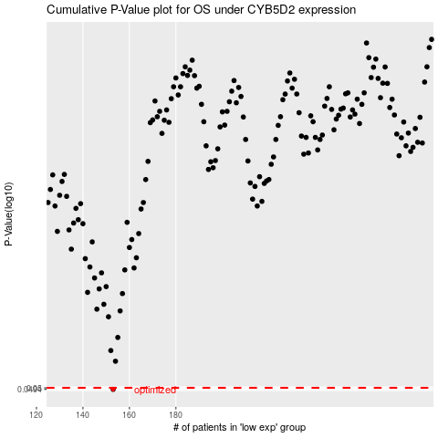

 |  |  |  |  |  | cases_OS | p_OS | rank | exp
 |  |  |  |  |  | 153 | 0.0494 | 192 | -0.47064884617
 |  |  |  |  |  |  | cases_RFS | p_RFS | rank | exp
 |  |  |  |  |  |  | 152 | 0.0494 | 61 | -0.4747668442

