CYB5RL _multivariate
Reported by Tex Li-Hsing Chi. tex@gate.sinica.edu.tw 2019-08-20

Table 2. The clinicopathological features of HNSCC cohort and CYB5RL expression. (Chi square test)
Cutoff at -0.303 (49.8%)
 |  | CYB5RL expression |  | CYB5RL expression |  | (Optimised)
 | Features | Low | (%) | High | (%) | Case no | P-value | Remark | Matthews
Gender | Female | 137 | 33 | 169 | 40.7 | 415 | 7e-04 | 1 | 0
2 | Male | 70 | 16.9 | 39 | 9.4
Age at diagnosis | <=65y | 127 | 30.6 | 147 | 35.4 | 415 | 0.0573 | 0 | 0
4 | >65y | 80 | 19.3 | 61 | 14.7
Clinical T Status | T1+T2 | 67 | 16.1 | 82 | 19.8 | 415 | 0.1628 | 0 | 0
6 | T3+T4 | 140 | 33.7 | 126 | 30.4
Clinical N Status | N0 | 112 | 27 | 104 | 25.1 | 415 | 0.4599 | 0 | 0
8 | N1-3 | 95 | 22.9 | 104 | 25.1
Clinical M Status | M0 | 205 | 49.4 | 207 | 49.9 | 415 | 0.6232 | 0 | 0
10 | M1 | 2 | 0.5 | 1 | 0.2
Clinical Stage | Stage I+II | 52 | 12.5 | 50 | 12 | 415 | 0.8871 | 0 | 0
12 | Stage III+IV | 155 | 37.3 | 158 | 38.1
Surgical Margin status | Negative | 158 | 38.1 | 160 | 38.6 | 415 | 0.9081 | 0 | 0
14 | Positive | 49 | 11.8 | 48 | 11.6
Tobacco Exposure | Low | 87 | 21 | 74 | 17.8 | 415 | 0.1911 | 0 | 0
16 | High | 120 | 28.9 | 134 | 32.3

Table 3. Univariate/Multivariate Cox's proportional hazards regression analyses on OS time of CYB5RL gene expression in HNSCC

 |  | Univariate |  |  |  | Multivariate
 | Features | HR | CI95%(L) | CI95%(H) | P-value | HR | CI95%(L) | CI95%(H) | P-value
1 | Female | 1 |  |  |  | 1
Gender | Male | 1.157 | 0.843 | 1.587 | 0.367 | 1.198 | 0.852 | 1.684 | 0.299
11 | <=65y | 1 |  |  |  | 1
Age at diagnosis | >65y | 1.329 | 0.99 | 1.784 | 0.058 | 1.39 | 1.021 | 1.892 | 0.036
12 | T1+T2 | 1 |  |  |  | 1
Clinical T Status | T3+T4 | 1.409 | 1.028 | 1.931 | 0.033 | 2.194 | 1.156 | 4.167 | 0.016
13 | N0 | 1 |  |  |  | 1
Clinical N Status | N1-3 | 1.185 | 0.89 | 1.577 | 0.246 | 1.24 | 0.869 | 1.77 | 0.235
14 | M0 | 1 |  |  |  | 1
Clinical M Status | M1 | 4.097 | 1.009 | 16.644 | 0.049 | 9.349 | 2.029 | 43.073 | 0.004
15 | Stage I+II | 1 |  |  |  | 1
Clinical Stage | Stage III+IV | 1.245 | 0.882 | 1.759 | 0.213 | 0.507 | 0.235 | 1.092 | 0.083
16 | Negative | 1 |  |  |  | 1
Surgical Margin status | Positive | 1.591 | 1.155 | 2.191 | 0.004 | 1.671 | 1.209 | 2.309 | 0.002
17 | Low | 1 |  |  |  | 1
Tobacco Exposure | High | 1.364 | 1.008 | 1.844 | 0.044 | 1.453 | 1.054 | 2.002 | 0.022
18 | Low | 1 |  |  |  | 1
RNAseq(z-score) | High | 0.886 | 0.664 | 1.18 | 0.408 | 0.985 | 0.731 | 1.328 | 0.923

Table 4. Univariate/Multivariate Cox's proportional hazards regression analyses on RFS time of CYB5RL gene expression in HNSCC

 |  | Univariate |  |  |  | Multivariate
 | Features | HR | CI95%(L) | CI95%(H) | P-value | HR | CI95%(L) | CI95%(H) | P-value
1 | Female | 1 |  |  |  | 1
Gender | Male | 1.157 | 0.843 | 1.587 | 0.367 | 1.198 | 0.852 | 1.684 | 0.299
11 | <=65y | 1 |  |  |  | 1
Age at diagnosis | >65y | 1.329 | 0.99 | 1.784 | 0.058 | 1.39 | 1.021 | 1.892 | 0.036
12 | T1+T2 | 1 |  |  |  | 1
Clinical T Status | T3+T4 | 1.409 | 1.028 | 1.931 | 0.033 | 2.194 | 1.156 | 4.167 | 0.016
13 | N0 | 1 |  |  |  | 1
Clinical N Status | N1-3 | 1.185 | 0.89 | 1.577 | 0.246 | 1.24 | 0.869 | 1.77 | 0.235
14 | M0 | 1 |  |  |  | 1
Clinical M Status | M1 | 4.097 | 1.009 | 16.644 | 0.049 | 9.349 | 2.029 | 43.073 | 0.004
15 | Stage I+II | 1 |  |  |  | 1
Clinical Stage | Stage III+IV | 1.245 | 0.882 | 1.759 | 0.213 | 0.507 | 0.235 | 1.092 | 0.083
16 | Negative | 1 |  |  |  | 1
Surgical Margin status | Positive | 1.591 | 1.155 | 2.191 | 0.004 | 1.671 | 1.209 | 2.309 | 0.002
17 | Low | 1 |  |  |  | 1
Tobacco Exposure | High | 1.364 | 1.008 | 1.844 | 0.044 | 1.453 | 1.054 | 2.002 | 0.022
18 | Low | 1 |  |  |  | 1
RNAseq(z-score) | High | 0.886 | 0.664 | 1.18 | 0.408 | 0.985 | 0.731 | 1.328 | 0.923

Kaplan-Meier survival estimate: Cutoff at -0.303 (49.8%)



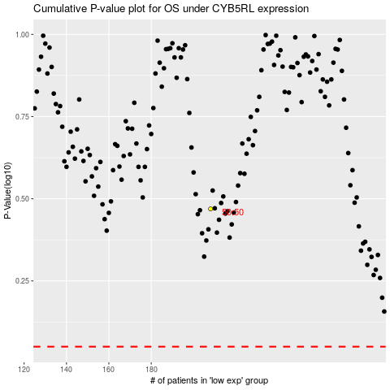

 |  |  |  |  |  | cases_OS | p_OS | rank | exp
 |  |  |  |  |  |  | cases_RFS | p_RFS | rank | exp

