CYBASC3 _multivariate
Reported by Tex Li-Hsing Chi. tex@gate.sinica.edu.tw 2019-08-20

Table 2. The clinicopathological features of HNSCC cohort and CYBASC3 expression. (Chi square test)
Cutoff at -0.156 (49.8%)
 |  | CYBASC3 expression |  | CYBASC3 expression |  | (Optimised)
 | Features | Low | (%) | High | (%) | Case no | P-value | Remark | Matthews
Gender | Female | 161 | 38.8 | 145 | 34.9 | 415 | 0.0792 | 0 | 0
2 | Male | 46 | 11.1 | 63 | 15.2
Age at diagnosis | <=65y | 135 | 32.5 | 139 | 33.5 | 415 | 0.8084 | 0 | 0
4 | >65y | 72 | 17.3 | 69 | 16.6
Clinical T Status | T1+T2 | 60 | 14.5 | 89 | 21.4 | 415 | 0.0047 | 1 | 0
6 | T3+T4 | 147 | 35.4 | 119 | 28.7
Clinical N Status | N0 | 103 | 24.8 | 113 | 27.2 | 415 | 0.4047 | 0 | 0
8 | N1-3 | 104 | 25.1 | 95 | 22.9
Clinical M Status | M0 | 206 | 49.6 | 206 | 49.6 | 415 | 1 | 0 | 0
10 | M1 | 1 | 0.2 | 2 | 0.5
Clinical Stage | Stage I+II | 38 | 9.2 | 64 | 15.4 | 415 | 0.0048 | 1 | 0
12 | Stage III+IV | 169 | 40.7 | 144 | 34.7
Surgical Margin status | Negative | 153 | 36.9 | 165 | 39.8 | 415 | 0.2036 | 0 | 0
14 | Positive | 54 | 13 | 43 | 10.4
Tobacco Exposure | Low | 63 | 15.2 | 98 | 23.6 | 415 | 6e-04 | 1 | 0
16 | High | 144 | 34.7 | 110 | 26.5

Table 3. Univariate/Multivariate Cox's proportional hazards regression analyses on OS time of CYBASC3 gene expression in HNSCC

 |  | Univariate |  |  |  | Multivariate
 | Features | HR | CI95%(L) | CI95%(H) | P-value | HR | CI95%(L) | CI95%(H) | P-value
1 | Female | 1 |  |  |  | 1
Gender | Male | 1.157 | 0.843 | 1.587 | 0.367 | 1.206 | 0.863 | 1.687 | 0.272
11 | <=65y | 1 |  |  |  | 1
Age at diagnosis | >65y | 1.329 | 0.99 | 1.784 | 0.058 | 1.387 | 1.02 | 1.887 | 0.037
12 | T1+T2 | 1 |  |  |  | 1
Clinical T Status | T3+T4 | 1.409 | 1.028 | 1.931 | 0.033 | 2.204 | 1.166 | 4.168 | 0.015
13 | N0 | 1 |  |  |  | 1
Clinical N Status | N1-3 | 1.185 | 0.89 | 1.577 | 0.246 | 1.25 | 0.875 | 1.787 | 0.221
14 | M0 | 1 |  |  |  | 1
Clinical M Status | M1 | 4.097 | 1.009 | 16.644 | 0.049 | 9.6 | 2.088 | 44.147 | 0.004
15 | Stage I+II | 1 |  |  |  | 1
Clinical Stage | Stage III+IV | 1.245 | 0.882 | 1.759 | 0.213 | 0.496 | 0.23 | 1.069 | 0.073
16 | Negative | 1 |  |  |  | 1
Surgical Margin status | Positive | 1.591 | 1.155 | 2.191 | 0.004 | 1.676 | 1.213 | 2.317 | 0.002
17 | Low | 1 |  |  |  | 1
Tobacco Exposure | High | 1.364 | 1.008 | 1.844 | 0.044 | 1.442 | 1.045 | 1.992 | 0.026
18 | Low | 1 |  |  |  | 1
RNAseq(z-score) | High | 0.911 | 0.684 | 1.213 | 0.523 | 0.94 | 0.699 | 1.265 | 0.682

Table 4. Univariate/Multivariate Cox's proportional hazards regression analyses on RFS time of CYBASC3 gene expression in HNSCC

 |  | Univariate |  |  |  | Multivariate
 | Features | HR | CI95%(L) | CI95%(H) | P-value | HR | CI95%(L) | CI95%(H) | P-value
1 | Female | 1 |  |  |  | 1
Gender | Male | 1.157 | 0.843 | 1.587 | 0.367 | 1.206 | 0.863 | 1.687 | 0.272
11 | <=65y | 1 |  |  |  | 1
Age at diagnosis | >65y | 1.329 | 0.99 | 1.784 | 0.058 | 1.387 | 1.02 | 1.887 | 0.037
12 | T1+T2 | 1 |  |  |  | 1
Clinical T Status | T3+T4 | 1.409 | 1.028 | 1.931 | 0.033 | 2.204 | 1.166 | 4.168 | 0.015
13 | N0 | 1 |  |  |  | 1
Clinical N Status | N1-3 | 1.185 | 0.89 | 1.577 | 0.246 | 1.25 | 0.875 | 1.787 | 0.221
14 | M0 | 1 |  |  |  | 1
Clinical M Status | M1 | 4.097 | 1.009 | 16.644 | 0.049 | 9.6 | 2.088 | 44.147 | 0.004
15 | Stage I+II | 1 |  |  |  | 1
Clinical Stage | Stage III+IV | 1.245 | 0.882 | 1.759 | 0.213 | 0.496 | 0.23 | 1.069 | 0.073
16 | Negative | 1 |  |  |  | 1
Surgical Margin status | Positive | 1.591 | 1.155 | 2.191 | 0.004 | 1.676 | 1.213 | 2.317 | 0.002
17 | Low | 1 |  |  |  | 1
Tobacco Exposure | High | 1.364 | 1.008 | 1.844 | 0.044 | 1.442 | 1.045 | 1.992 | 0.026
18 | Low | 1 |  |  |  | 1
RNAseq(z-score) | High | 0.911 | 0.684 | 1.213 | 0.523 | 0.94 | 0.699 | 1.265 | 0.682

Kaplan-Meier survival estimate: Cutoff at -0.156 (49.8%)



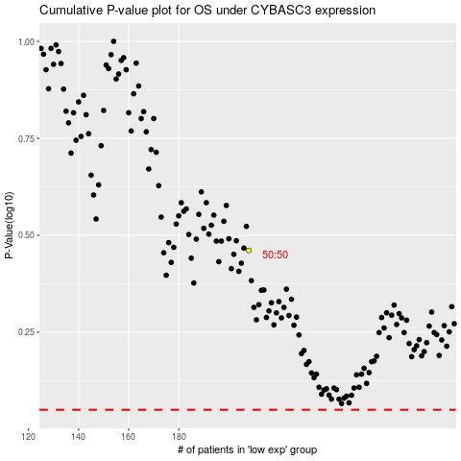

 |  |  |  |  |  | cases_OS | p_OS | rank | exp
 |  |  |  |  |  |  | cases_RFS | p_RFS | rank | exp

