CYBB _multivariate
Reported by Tex Li-Hsing Chi. tex@gate.sinica.edu.tw 2019-08-20

Table 2. The clinicopathological features of HNSCC cohort and CYBB expression. (Chi square test)
Cutoff at -0.326 (49.8%)
 |  | CYBB expression |  | CYBB expression |  | (Optimised)
 | Features | Low | (%) | High | (%) | Case no | P-value | Remark | Matthews
Gender | Female | 168 | 40.5 | 138 | 33.3 | 415 | 9e-04 | 1 | 0
2 | Male | 39 | 9.4 | 70 | 16.9
Age at diagnosis | <=65y | 147 | 35.4 | 127 | 30.6 | 415 | 0.0416 | 1 | 0
4 | >65y | 60 | 14.5 | 81 | 19.5
Clinical T Status | T1+T2 | 70 | 16.9 | 79 | 19 | 415 | 0.4343 | 0 | 0
6 | T3+T4 | 137 | 33 | 129 | 31.1
Clinical N Status | N0 | 118 | 28.4 | 98 | 23.6 | 415 | 0.0551 | 1 | 0
8 | N1-3 | 89 | 21.4 | 110 | 26.5
Clinical M Status | M0 | 206 | 49.6 | 206 | 49.6 | 415 | 1 | 0 | 0
10 | M1 | 1 | 0.2 | 2 | 0.5
Clinical Stage | Stage I+II | 51 | 12.3 | 51 | 12.3 | 415 | 1 | 0 | 0
12 | Stage III+IV | 156 | 37.6 | 157 | 37.8
Surgical Margin status | Negative | 154 | 37.1 | 164 | 39.5 | 415 | 0.2984 | 0 | 0
14 | Positive | 53 | 12.8 | 44 | 10.6
Tobacco Exposure | Low | 72 | 17.3 | 89 | 21.4 | 415 | 0.1071 | 0 | 0
16 | High | 135 | 32.5 | 119 | 28.7

Table 3. Univariate/Multivariate Cox's proportional hazards regression analyses on OS time of CYBB gene expression in HNSCC

 |  | Univariate |  |  |  | Multivariate
 | Features | HR | CI95%(L) | CI95%(H) | P-value | HR | CI95%(L) | CI95%(H) | P-value
1 | Female | 1 |  |  |  | 1
Gender | Male | 1.157 | 0.843 | 1.587 | 0.367 | 1.198 | 0.855 | 1.678 | 0.293
11 | <=65y | 1 |  |  |  | 1
Age at diagnosis | >65y | 1.329 | 0.99 | 1.784 | 0.058 | 1.39 | 1.022 | 1.891 | 0.036
12 | T1+T2 | 1 |  |  |  | 1
Clinical T Status | T3+T4 | 1.409 | 1.028 | 1.931 | 0.033 | 2.204 | 1.166 | 4.169 | 0.015
13 | N0 | 1 |  |  |  | 1
Clinical N Status | N1-3 | 1.185 | 0.89 | 1.577 | 0.246 | 1.237 | 0.865 | 1.769 | 0.243
14 | M0 | 1 |  |  |  | 1
Clinical M Status | M1 | 4.097 | 1.009 | 16.644 | 0.049 | 9.399 | 2.05 | 43.084 | 0.004
15 | Stage I+II | 1 |  |  |  | 1
Clinical Stage | Stage III+IV | 1.245 | 0.882 | 1.759 | 0.213 | 0.505 | 0.235 | 1.084 | 0.079
16 | Negative | 1 |  |  |  | 1
Surgical Margin status | Positive | 1.591 | 1.155 | 2.191 | 0.004 | 1.671 | 1.209 | 2.309 | 0.002
17 | Low | 1 |  |  |  | 1
Tobacco Exposure | High | 1.364 | 1.008 | 1.844 | 0.044 | 1.456 | 1.056 | 2.008 | 0.022
18 | Low | 1 |  |  |  | 1
RNAseq(z-score) | High | 1.039 | 0.78 | 1.384 | 0.791 | 1.022 | 0.761 | 1.372 | 0.887

Table 4. Univariate/Multivariate Cox's proportional hazards regression analyses on RFS time of CYBB gene expression in HNSCC

 |  | Univariate |  |  |  | Multivariate
 | Features | HR | CI95%(L) | CI95%(H) | P-value | HR | CI95%(L) | CI95%(H) | P-value
1 | Female | 1 |  |  |  | 1
Gender | Male | 1.157 | 0.843 | 1.587 | 0.367 | 1.198 | 0.855 | 1.678 | 0.293
11 | <=65y | 1 |  |  |  | 1
Age at diagnosis | >65y | 1.329 | 0.99 | 1.784 | 0.058 | 1.39 | 1.022 | 1.891 | 0.036
12 | T1+T2 | 1 |  |  |  | 1
Clinical T Status | T3+T4 | 1.409 | 1.028 | 1.931 | 0.033 | 2.204 | 1.166 | 4.169 | 0.015
13 | N0 | 1 |  |  |  | 1
Clinical N Status | N1-3 | 1.185 | 0.89 | 1.577 | 0.246 | 1.237 | 0.865 | 1.769 | 0.243
14 | M0 | 1 |  |  |  | 1
Clinical M Status | M1 | 4.097 | 1.009 | 16.644 | 0.049 | 9.399 | 2.05 | 43.084 | 0.004
15 | Stage I+II | 1 |  |  |  | 1
Clinical Stage | Stage III+IV | 1.245 | 0.882 | 1.759 | 0.213 | 0.505 | 0.235 | 1.084 | 0.079
16 | Negative | 1 |  |  |  | 1
Surgical Margin status | Positive | 1.591 | 1.155 | 2.191 | 0.004 | 1.671 | 1.209 | 2.309 | 0.002
17 | Low | 1 |  |  |  | 1
Tobacco Exposure | High | 1.364 | 1.008 | 1.844 | 0.044 | 1.456 | 1.056 | 2.008 | 0.022
18 | Low | 1 |  |  |  | 1
RNAseq(z-score) | High | 1.039 | 0.78 | 1.384 | 0.791 | 1.022 | 0.761 | 1.372 | 0.887

Kaplan-Meier survival estimate: Cutoff at -0.326 (49.8%)



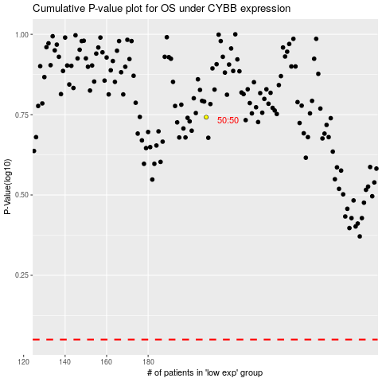

 |  |  |  |  |  | cases_OS | p_OS | rank | exp
 |  |  |  |  |  |  | cases_RFS | p_RFS | rank | exp

