CYC1 _multivariate
Reported by Tex Li-Hsing Chi. tex@gate.sinica.edu.tw 2019-08-20

Table 2. The clinicopathological features of HNSCC cohort and CYC1 expression. (Chi square test)
Cutoff at -0.245 (49.8%)
 |  | CYC1 expression |  | CYC1 expression |  | (Optimised)
 | Features | Low | (%) | High | (%) | Case no | P-value | Remark | Matthews
Gender | Female | 151 | 36.4 | 155 | 37.3 | 415 | 0.8007 | 0 | 0
2 | Male | 56 | 13.5 | 53 | 12.8
Age at diagnosis | <=65y | 141 | 34 | 133 | 32 | 415 | 0.4272 | 0 | 0
4 | >65y | 66 | 15.9 | 75 | 18.1
Clinical T Status | T1+T2 | 80 | 19.3 | 69 | 16.6 | 415 | 0.2891 | 0 | 0
6 | T3+T4 | 127 | 30.6 | 139 | 33.5
Clinical N Status | N0 | 111 | 26.7 | 105 | 25.3 | 415 | 0.5875 | 0 | 0
8 | N1-3 | 96 | 23.1 | 103 | 24.8
Clinical M Status | M0 | 207 | 49.9 | 205 | 49.4 | 415 | 0.2482 | 0 | 0
10 | M1 | 0 | 0 | 3 | 0.7
Clinical Stage | Stage I+II | 55 | 13.3 | 47 | 11.3 | 415 | 0.4087 | 0 | 0
12 | Stage III+IV | 152 | 36.6 | 161 | 38.8
Surgical Margin status | Negative | 155 | 37.3 | 163 | 39.3 | 415 | 0.4187 | 0 | 0
14 | Positive | 52 | 12.5 | 45 | 10.8
Tobacco Exposure | Low | 92 | 22.2 | 69 | 16.6 | 415 | 0.0206 | 1 | 0
16 | High | 115 | 27.7 | 139 | 33.5

Table 3. Univariate/Multivariate Cox's proportional hazards regression analyses on OS time of CYC1 gene expression in HNSCC

 |  | Univariate |  |  |  | Multivariate
 | Features | HR | CI95%(L) | CI95%(H) | P-value | HR | CI95%(L) | CI95%(H) | P-value
1 | Female | 1 |  |  |  | 1
Gender | Male | 1.157 | 0.843 | 1.587 | 0.367 | 1.212 | 0.869 | 1.692 | 0.257
11 | <=65y | 1 |  |  |  | 1
Age at diagnosis | >65y | 1.329 | 0.99 | 1.784 | 0.058 | 1.407 | 1.035 | 1.913 | 0.029
12 | T1+T2 | 1 |  |  |  | 1
Clinical T Status | T3+T4 | 1.409 | 1.028 | 1.931 | 0.033 | 2.267 | 1.197 | 4.295 | 0.012
13 | N0 | 1 |  |  |  | 1
Clinical N Status | N1-3 | 1.185 | 0.89 | 1.577 | 0.246 | 1.258 | 0.881 | 1.796 | 0.206
14 | M0 | 1 |  |  |  | 1
Clinical M Status | M1 | 4.097 | 1.009 | 16.644 | 0.049 | 10.548 | 2.273 | 48.953 | 0.003
15 | Stage I+II | 1 |  |  |  | 1
Clinical Stage | Stage III+IV | 1.245 | 0.882 | 1.759 | 0.213 | 0.489 | 0.227 | 1.051 | 0.067
16 | Negative | 1 |  |  |  | 1
Surgical Margin status | Positive | 1.591 | 1.155 | 2.191 | 0.004 | 1.673 | 1.211 | 2.313 | 0.002
17 | Low | 1 |  |  |  | 1
Tobacco Exposure | High | 1.364 | 1.008 | 1.844 | 0.044 | 1.473 | 1.068 | 2.031 | 0.018
18 | Low | 1 |  |  |  | 1
RNAseq(z-score) | High | 0.949 | 0.713 | 1.264 | 0.721 | 0.839 | 0.628 | 1.122 | 0.237

Table 4. Univariate/Multivariate Cox's proportional hazards regression analyses on RFS time of CYC1 gene expression in HNSCC

 |  | Univariate |  |  |  | Multivariate
 | Features | HR | CI95%(L) | CI95%(H) | P-value | HR | CI95%(L) | CI95%(H) | P-value
1 | Female | 1 |  |  |  | 1
Gender | Male | 1.157 | 0.843 | 1.587 | 0.367 | 1.212 | 0.869 | 1.692 | 0.257
11 | <=65y | 1 |  |  |  | 1
Age at diagnosis | >65y | 1.329 | 0.99 | 1.784 | 0.058 | 1.407 | 1.035 | 1.913 | 0.029
12 | T1+T2 | 1 |  |  |  | 1
Clinical T Status | T3+T4 | 1.409 | 1.028 | 1.931 | 0.033 | 2.267 | 1.197 | 4.295 | 0.012
13 | N0 | 1 |  |  |  | 1
Clinical N Status | N1-3 | 1.185 | 0.89 | 1.577 | 0.246 | 1.258 | 0.881 | 1.796 | 0.206
14 | M0 | 1 |  |  |  | 1
Clinical M Status | M1 | 4.097 | 1.009 | 16.644 | 0.049 | 10.548 | 2.273 | 48.953 | 0.003
15 | Stage I+II | 1 |  |  |  | 1
Clinical Stage | Stage III+IV | 1.245 | 0.882 | 1.759 | 0.213 | 0.489 | 0.227 | 1.051 | 0.067
16 | Negative | 1 |  |  |  | 1
Surgical Margin status | Positive | 1.591 | 1.155 | 2.191 | 0.004 | 1.673 | 1.211 | 2.313 | 0.002
17 | Low | 1 |  |  |  | 1
Tobacco Exposure | High | 1.364 | 1.008 | 1.844 | 0.044 | 1.473 | 1.068 | 2.031 | 0.018
18 | Low | 1 |  |  |  | 1
RNAseq(z-score) | High | 0.949 | 0.713 | 1.264 | 0.721 | 0.839 | 0.628 | 1.122 | 0.237

Kaplan-Meier survival estimate: Cutoff at -0.245 (49.8%)



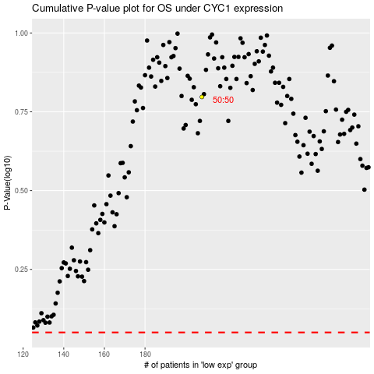

 |  |  |  |  |  | cases_OS | p_OS | rank | exp
 |  |  |  |  |  |  | cases_RFS | p_RFS | rank | exp

