CYFIP1 _multivariate
Reported by Tex Li-Hsing Chi. tex@gate.sinica.edu.tw 2019-08-20

Table 2. The clinicopathological features of HNSCC cohort and CYFIP1 expression. (Chi square test)
Cutoff at -0.092 (50.0%)
 |  | CYFIP1 expression |  | CYFIP1 expression |  | (Optimised)
 | Features | Low | (%) | High | (%) | Case no | P-value | Remark | Matthews
Gender | Female | 158 | 38.1 | 148 | 35.7 | 415 | 0.2774 | 0 | 0
2 | Male | 49 | 11.8 | 60 | 14.5
Age at diagnosis | <=65y | 142 | 34.2 | 132 | 31.8 | 415 | 0.3167 | 0 | 0
4 | >65y | 65 | 15.7 | 76 | 18.3
Clinical T Status | T1+T2 | 79 | 19 | 70 | 16.9 | 415 | 0.3924 | 0 | 0
6 | T3+T4 | 128 | 30.8 | 138 | 33.3
Clinical N Status | N0 | 105 | 25.3 | 111 | 26.7 | 415 | 0.6598 | 0 | 0
8 | N1-3 | 102 | 24.6 | 97 | 23.4
Clinical M Status | M0 | 204 | 49.2 | 208 | 50.1 | 415 | 0.1232 | 0 | 0
10 | M1 | 3 | 0.7 | 0 | 0
Clinical Stage | Stage I+II | 50 | 12 | 52 | 12.5 | 415 | 0.9315 | 0 | 0
12 | Stage III+IV | 157 | 37.8 | 156 | 37.6
Surgical Margin status | Negative | 156 | 37.6 | 162 | 39 | 415 | 0.5636 | 0 | 0
14 | Positive | 51 | 12.3 | 46 | 11.1
Tobacco Exposure | Low | 78 | 18.8 | 83 | 20 | 415 | 0.6873 | 0 | 0
16 | High | 129 | 31.1 | 125 | 30.1

Table 3. Univariate/Multivariate Cox's proportional hazards regression analyses on OS time of CYFIP1 gene expression in HNSCC

 |  | Univariate |  |  |  | Multivariate
 | Features | HR | CI95%(L) | CI95%(H) | P-value | HR | CI95%(L) | CI95%(H) | P-value
1 | Female | 1 |  |  |  | 1
Gender | Male | 1.157 | 0.843 | 1.587 | 0.367 | 1.187 | 0.851 | 1.657 | 0.313
11 | <=65y | 1 |  |  |  | 1
Age at diagnosis | >65y | 1.329 | 0.99 | 1.784 | 0.058 | 1.39 | 1.022 | 1.89 | 0.036
12 | T1+T2 | 1 |  |  |  | 1
Clinical T Status | T3+T4 | 1.409 | 1.028 | 1.931 | 0.033 | 2.162 | 1.143 | 4.091 | 0.018
13 | N0 | 1 |  |  |  | 1
Clinical N Status | N1-3 | 1.185 | 0.89 | 1.577 | 0.246 | 1.252 | 0.877 | 1.786 | 0.215
14 | M0 | 1 |  |  |  | 1
Clinical M Status | M1 | 4.097 | 1.009 | 16.644 | 0.049 | 10.598 | 2.296 | 48.914 | 0.002
15 | Stage I+II | 1 |  |  |  | 1
Clinical Stage | Stage III+IV | 1.245 | 0.882 | 1.759 | 0.213 | 0.512 | 0.238 | 1.1 | 0.086
16 | Negative | 1 |  |  |  | 1
Surgical Margin status | Positive | 1.591 | 1.155 | 2.191 | 0.004 | 1.703 | 1.231 | 2.355 | 0.001
17 | Low | 1 |  |  |  | 1
Tobacco Exposure | High | 1.364 | 1.008 | 1.844 | 0.044 | 1.476 | 1.071 | 2.034 | 0.017
18 | Low | 1 |  |  |  | 1
RNAseq(z-score) | High | 1.255 | 0.939 | 1.676 | 0.125 | 1.3 | 0.969 | 1.744 | 0.08

Table 4. Univariate/Multivariate Cox's proportional hazards regression analyses on RFS time of CYFIP1 gene expression in HNSCC

 |  | Univariate |  |  |  | Multivariate
 | Features | HR | CI95%(L) | CI95%(H) | P-value | HR | CI95%(L) | CI95%(H) | P-value
1 | Female | 1 |  |  |  | 1
Gender | Male | 1.157 | 0.843 | 1.587 | 0.367 | 1.187 | 0.851 | 1.657 | 0.313
11 | <=65y | 1 |  |  |  | 1
Age at diagnosis | >65y | 1.329 | 0.99 | 1.784 | 0.058 | 1.39 | 1.022 | 1.89 | 0.036
12 | T1+T2 | 1 |  |  |  | 1
Clinical T Status | T3+T4 | 1.409 | 1.028 | 1.931 | 0.033 | 2.162 | 1.143 | 4.091 | 0.018
13 | N0 | 1 |  |  |  | 1
Clinical N Status | N1-3 | 1.185 | 0.89 | 1.577 | 0.246 | 1.252 | 0.877 | 1.786 | 0.215
14 | M0 | 1 |  |  |  | 1
Clinical M Status | M1 | 4.097 | 1.009 | 16.644 | 0.049 | 10.598 | 2.296 | 48.914 | 0.002
15 | Stage I+II | 1 |  |  |  | 1
Clinical Stage | Stage III+IV | 1.245 | 0.882 | 1.759 | 0.213 | 0.512 | 0.238 | 1.1 | 0.086
16 | Negative | 1 |  |  |  | 1
Surgical Margin status | Positive | 1.591 | 1.155 | 2.191 | 0.004 | 1.703 | 1.231 | 2.355 | 0.001
17 | Low | 1 |  |  |  | 1
Tobacco Exposure | High | 1.364 | 1.008 | 1.844 | 0.044 | 1.476 | 1.071 | 2.034 | 0.017
18 | Low | 1 |  |  |  | 1
RNAseq(z-score) | High | 1.255 | 0.939 | 1.676 | 0.125 | 1.3 | 0.969 | 1.744 | 0.08

Kaplan-Meier survival estimate: Cutoff at -0.092 (50.0%)



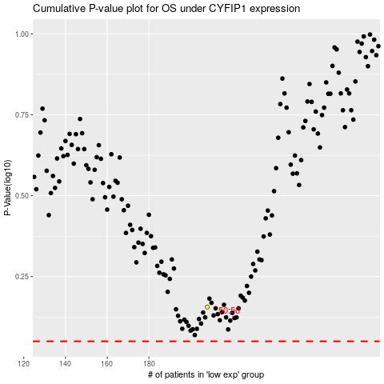

 |  |  |  |  |  | cases_OS | p_OS | rank | exp
 |  |  |  |  |  |  | cases_RFS | p_RFS | rank | exp

