CYHR1 _multivariate
Reported by Tex Li-Hsing Chi. tex@gate.sinica.edu.tw 2019-08-20

Table 2. The clinicopathological features of HNSCC cohort and CYHR1 expression. (Chi square test)
Cutoff at -0.2 (50.0%)
 |  | CYHR1 expression |  | CYHR1 expression |  | (Optimised)
 | Features | Low | (%) | High | (%) | Case no | P-value | Remark | Matthews
Gender | Female | 150 | 36.1 | 156 | 37.6 | 415 | 0.6344 | 0 | 0
2 | Male | 57 | 13.7 | 52 | 12.5
Age at diagnosis | <=65y | 132 | 31.8 | 142 | 34.2 | 415 | 0.3874 | 0 | 0
4 | >65y | 75 | 18.1 | 66 | 15.9
Clinical T Status | T1+T2 | 79 | 19 | 70 | 16.9 | 415 | 0.3924 | 0 | 0
6 | T3+T4 | 128 | 30.8 | 138 | 33.3
Clinical N Status | N0 | 111 | 26.7 | 105 | 25.3 | 415 | 0.5875 | 0 | 0
8 | N1-3 | 96 | 23.1 | 103 | 24.8
Clinical M Status | M0 | 207 | 49.9 | 205 | 49.4 | 415 | 0.2482 | 0 | 0
10 | M1 | 0 | 0 | 3 | 0.7
Clinical Stage | Stage I+II | 52 | 12.5 | 50 | 12 | 415 | 0.8871 | 0 | 0
12 | Stage III+IV | 155 | 37.3 | 158 | 38.1
Surgical Margin status | Negative | 152 | 36.6 | 166 | 40 | 415 | 0.1329 | 0 | 0
14 | Positive | 55 | 13.3 | 42 | 10.1
Tobacco Exposure | Low | 84 | 20.2 | 77 | 18.6 | 415 | 0.4816 | 0 | 0
16 | High | 123 | 29.6 | 131 | 31.6

Table 3. Univariate/Multivariate Cox's proportional hazards regression analyses on OS time of CYHR1 gene expression in HNSCC

 |  | Univariate |  |  |  | Multivariate
 | Features | HR | CI95%(L) | CI95%(H) | P-value | HR | CI95%(L) | CI95%(H) | P-value
1 | Female | 1 |  |  |  | 1
Gender | Male | 1.157 | 0.843 | 1.587 | 0.367 | 1.204 | 0.862 | 1.68 | 0.276
11 | <=65y | 1 |  |  |  | 1
Age at diagnosis | >65y | 1.329 | 0.99 | 1.784 | 0.058 | 1.386 | 1.019 | 1.884 | 0.038
12 | T1+T2 | 1 |  |  |  | 1
Clinical T Status | T3+T4 | 1.409 | 1.028 | 1.931 | 0.033 | 2.26 | 1.189 | 4.295 | 0.013
13 | N0 | 1 |  |  |  | 1
Clinical N Status | N1-3 | 1.185 | 0.89 | 1.577 | 0.246 | 1.256 | 0.879 | 1.795 | 0.211
14 | M0 | 1 |  |  |  | 1
Clinical M Status | M1 | 4.097 | 1.009 | 16.644 | 0.049 | 10.084 | 2.167 | 46.923 | 0.003
15 | Stage I+II | 1 |  |  |  | 1
Clinical Stage | Stage III+IV | 1.245 | 0.882 | 1.759 | 0.213 | 0.487 | 0.225 | 1.054 | 0.068
16 | Negative | 1 |  |  |  | 1
Surgical Margin status | Positive | 1.591 | 1.155 | 2.191 | 0.004 | 1.672 | 1.21 | 2.31 | 0.002
17 | Low | 1 |  |  |  | 1
Tobacco Exposure | High | 1.364 | 1.008 | 1.844 | 0.044 | 1.461 | 1.06 | 2.015 | 0.021
18 | Low | 1 |  |  |  | 1
RNAseq(z-score) | High | 0.976 | 0.732 | 1.3 | 0.866 | 0.908 | 0.677 | 1.217 | 0.517

Table 4. Univariate/Multivariate Cox's proportional hazards regression analyses on RFS time of CYHR1 gene expression in HNSCC

 |  | Univariate |  |  |  | Multivariate
 | Features | HR | CI95%(L) | CI95%(H) | P-value | HR | CI95%(L) | CI95%(H) | P-value
1 | Female | 1 |  |  |  | 1
Gender | Male | 1.157 | 0.843 | 1.587 | 0.367 | 1.204 | 0.862 | 1.68 | 0.276
11 | <=65y | 1 |  |  |  | 1
Age at diagnosis | >65y | 1.329 | 0.99 | 1.784 | 0.058 | 1.386 | 1.019 | 1.884 | 0.038
12 | T1+T2 | 1 |  |  |  | 1
Clinical T Status | T3+T4 | 1.409 | 1.028 | 1.931 | 0.033 | 2.26 | 1.189 | 4.295 | 0.013
13 | N0 | 1 |  |  |  | 1
Clinical N Status | N1-3 | 1.185 | 0.89 | 1.577 | 0.246 | 1.256 | 0.879 | 1.795 | 0.211
14 | M0 | 1 |  |  |  | 1
Clinical M Status | M1 | 4.097 | 1.009 | 16.644 | 0.049 | 10.084 | 2.167 | 46.923 | 0.003
15 | Stage I+II | 1 |  |  |  | 1
Clinical Stage | Stage III+IV | 1.245 | 0.882 | 1.759 | 0.213 | 0.487 | 0.225 | 1.054 | 0.068
16 | Negative | 1 |  |  |  | 1
Surgical Margin status | Positive | 1.591 | 1.155 | 2.191 | 0.004 | 1.672 | 1.21 | 2.31 | 0.002
17 | Low | 1 |  |  |  | 1
Tobacco Exposure | High | 1.364 | 1.008 | 1.844 | 0.044 | 1.461 | 1.06 | 2.015 | 0.021
18 | Low | 1 |  |  |  | 1
RNAseq(z-score) | High | 0.976 | 0.732 | 1.3 | 0.866 | 0.908 | 0.677 | 1.217 | 0.517

Kaplan-Meier survival estimate: Cutoff at -0.2 (50.0%)



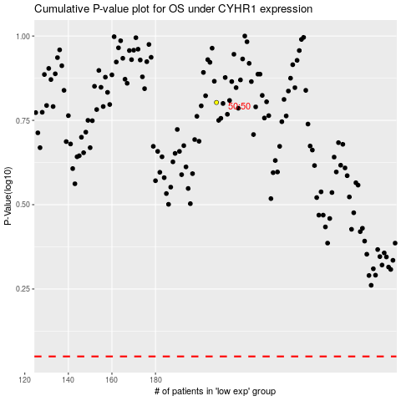

 |  |  |  |  |  | cases_OS | p_OS | rank | exp
 |  |  |  |  |  |  | cases_RFS | p_RFS | rank | exp

