CYP11A1 _multivariate
Reported by Tex Li-Hsing Chi. tex@gate.sinica.edu.tw 2019-08-20

Table 2. The clinicopathological features of HNSCC cohort and CYP11A1 expression. (Chi square test)
Cutoff at -0.331 (50.0%)
 |  | CYP11A1 expression |  | CYP11A1 expression |  | (Optimised)
 | Features | Low | (%) | High | (%) | Case no | P-value | Remark | Matthews
Gender | Female | 149 | 35.9 | 157 | 37.8 | 415 | 0.4848 | 0 | 0
2 | Male | 58 | 14 | 51 | 12.3
Age at diagnosis | <=65y | 130 | 31.3 | 144 | 34.7 | 415 | 0.2009 | 0 | 0
4 | >65y | 77 | 18.6 | 64 | 15.4
Clinical T Status | T1+T2 | 60 | 14.5 | 89 | 21.4 | 415 | 0.0047 | 1 | 0
6 | T3+T4 | 147 | 35.4 | 119 | 28.7
Clinical N Status | N0 | 111 | 26.7 | 105 | 25.3 | 415 | 0.5875 | 0 | 0
8 | N1-3 | 96 | 23.1 | 103 | 24.8
Clinical M Status | M0 | 205 | 49.4 | 207 | 49.9 | 415 | 0.6232 | 0 | 0
10 | M1 | 2 | 0.5 | 1 | 0.2
Clinical Stage | Stage I+II | 43 | 10.4 | 59 | 14.2 | 415 | 0.0925 | 0 | 0
12 | Stage III+IV | 164 | 39.5 | 149 | 35.9
Surgical Margin status | Negative | 157 | 37.8 | 161 | 38.8 | 415 | 0.729 | 0 | 0
14 | Positive | 50 | 12 | 47 | 11.3
Tobacco Exposure | Low | 91 | 21.9 | 70 | 16.9 | 415 | 0.0346 | 1 | 0
16 | High | 116 | 28 | 138 | 33.3

Table 3. Univariate/Multivariate Cox's proportional hazards regression analyses on OS time of CYP11A1 gene expression in HNSCC

 |  | Univariate |  |  |  | Multivariate
 | Features | HR | CI95%(L) | CI95%(H) | P-value | HR | CI95%(L) | CI95%(H) | P-value
1 | Female | 1 |  |  |  | 1
Gender | Male | 1.157 | 0.843 | 1.587 | 0.367 | 1.198 | 0.857 | 1.675 | 0.29
11 | <=65y | 1 |  |  |  | 1
Age at diagnosis | >65y | 1.329 | 0.99 | 1.784 | 0.058 | 1.391 | 1.023 | 1.891 | 0.035
12 | T1+T2 | 1 |  |  |  | 1
Clinical T Status | T3+T4 | 1.409 | 1.028 | 1.931 | 0.033 | 2.172 | 1.148 | 4.111 | 0.017
13 | N0 | 1 |  |  |  | 1
Clinical N Status | N1-3 | 1.185 | 0.89 | 1.577 | 0.246 | 1.263 | 0.883 | 1.805 | 0.201
14 | M0 | 1 |  |  |  | 1
Clinical M Status | M1 | 4.097 | 1.009 | 16.644 | 0.049 | 9.189 | 2.002 | 42.168 | 0.004
15 | Stage I+II | 1 |  |  |  | 1
Clinical Stage | Stage III+IV | 1.245 | 0.882 | 1.759 | 0.213 | 0.496 | 0.231 | 1.065 | 0.072
16 | Negative | 1 |  |  |  | 1
Surgical Margin status | Positive | 1.591 | 1.155 | 2.191 | 0.004 | 1.688 | 1.22 | 2.335 | 0.002
17 | Low | 1 |  |  |  | 1
Tobacco Exposure | High | 1.364 | 1.008 | 1.844 | 0.044 | 1.485 | 1.072 | 2.057 | 0.017
18 | Low | 1 |  |  |  | 1
RNAseq(z-score) | High | 0.906 | 0.68 | 1.206 | 0.498 | 0.878 | 0.653 | 1.18 | 0.387

Table 4. Univariate/Multivariate Cox's proportional hazards regression analyses on RFS time of CYP11A1 gene expression in HNSCC

 |  | Univariate |  |  |  | Multivariate
 | Features | HR | CI95%(L) | CI95%(H) | P-value | HR | CI95%(L) | CI95%(H) | P-value
1 | Female | 1 |  |  |  | 1
Gender | Male | 1.157 | 0.843 | 1.587 | 0.367 | 1.198 | 0.857 | 1.675 | 0.29
11 | <=65y | 1 |  |  |  | 1
Age at diagnosis | >65y | 1.329 | 0.99 | 1.784 | 0.058 | 1.391 | 1.023 | 1.891 | 0.035
12 | T1+T2 | 1 |  |  |  | 1
Clinical T Status | T3+T4 | 1.409 | 1.028 | 1.931 | 0.033 | 2.172 | 1.148 | 4.111 | 0.017
13 | N0 | 1 |  |  |  | 1
Clinical N Status | N1-3 | 1.185 | 0.89 | 1.577 | 0.246 | 1.263 | 0.883 | 1.805 | 0.201
14 | M0 | 1 |  |  |  | 1
Clinical M Status | M1 | 4.097 | 1.009 | 16.644 | 0.049 | 9.189 | 2.002 | 42.168 | 0.004
15 | Stage I+II | 1 |  |  |  | 1
Clinical Stage | Stage III+IV | 1.245 | 0.882 | 1.759 | 0.213 | 0.496 | 0.231 | 1.065 | 0.072
16 | Negative | 1 |  |  |  | 1
Surgical Margin status | Positive | 1.591 | 1.155 | 2.191 | 0.004 | 1.688 | 1.22 | 2.335 | 0.002
17 | Low | 1 |  |  |  | 1
Tobacco Exposure | High | 1.364 | 1.008 | 1.844 | 0.044 | 1.485 | 1.072 | 2.057 | 0.017
18 | Low | 1 |  |  |  | 1
RNAseq(z-score) | High | 0.906 | 0.68 | 1.206 | 0.498 | 0.878 | 0.653 | 1.18 | 0.387

Kaplan-Meier survival estimate: Cutoff at -0.331 (50.0%)



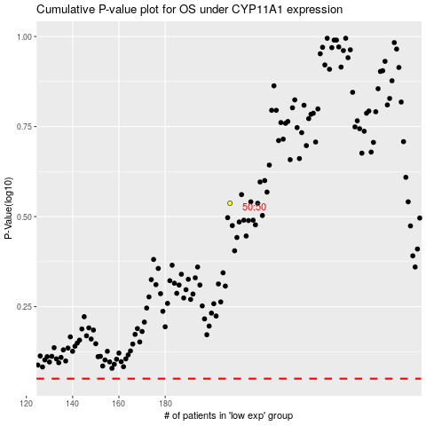

 |  |  |  |  |  | cases_OS | p_OS | rank | exp
 |  |  |  |  |  |  | cases_RFS | p_RFS | rank | exp

