CYP24A1 _multivariate
Reported by Tex Li-Hsing Chi. tex@gate.sinica.edu.tw 2019-08-20

Table 2. The clinicopathological features of HNSCC cohort and CYP24A1 expression. (Chi square test)
Cutoff at -0.308 (49.8%)
 |  | CYP24A1 expression |  | CYP24A1 expression |  | (Optimised)
 | Features | Low | (%) | High | (%) | Case no | P-value | Remark | Matthews
Gender | Female | 146 | 35.2 | 160 | 38.6 | 415 | 0.1714 | 0 | 0
2 | Male | 61 | 14.7 | 48 | 11.6
Age at diagnosis | <=65y | 132 | 31.8 | 142 | 34.2 | 415 | 0.3874 | 0 | 0
4 | >65y | 75 | 18.1 | 66 | 15.9
Clinical T Status | T1+T2 | 64 | 15.4 | 85 | 20.5 | 415 | 0.0445 | 1 | 0
6 | T3+T4 | 143 | 34.5 | 123 | 29.6
Clinical N Status | N0 | 111 | 26.7 | 105 | 25.3 | 415 | 0.5875 | 0 | 0
8 | N1-3 | 96 | 23.1 | 103 | 24.8
Clinical M Status | M0 | 205 | 49.4 | 207 | 49.9 | 415 | 0.6232 | 0 | 0
10 | M1 | 2 | 0.5 | 1 | 0.2
Clinical Stage | Stage I+II | 44 | 10.6 | 58 | 14 | 415 | 0.1459 | 0 | 0
12 | Stage III+IV | 163 | 39.3 | 150 | 36.1
Surgical Margin status | Negative | 156 | 37.6 | 162 | 39 | 415 | 0.5636 | 0 | 0
14 | Positive | 51 | 12.3 | 46 | 11.1
Tobacco Exposure | Low | 73 | 17.6 | 88 | 21.2 | 415 | 0.1587 | 0 | 0
16 | High | 134 | 32.3 | 120 | 28.9

Table 3. Univariate/Multivariate Cox's proportional hazards regression analyses on OS time of CYP24A1 gene expression in HNSCC

 |  | Univariate |  |  |  | Multivariate
 | Features | HR | CI95%(L) | CI95%(H) | P-value | HR | CI95%(L) | CI95%(H) | P-value
1 | Female | 1 |  |  |  | 1
Gender | Male | 1.157 | 0.843 | 1.587 | 0.367 | 1.174 | 0.837 | 1.646 | 0.352
11 | <=65y | 1 |  |  |  | 1
Age at diagnosis | >65y | 1.329 | 0.99 | 1.784 | 0.058 | 1.383 | 1.017 | 1.88 | 0.039
12 | T1+T2 | 1 |  |  |  | 1
Clinical T Status | T3+T4 | 1.409 | 1.028 | 1.931 | 0.033 | 2.156 | 1.139 | 4.081 | 0.018
13 | N0 | 1 |  |  |  | 1
Clinical N Status | N1-3 | 1.185 | 0.89 | 1.577 | 0.246 | 1.256 | 0.88 | 1.794 | 0.209
14 | M0 | 1 |  |  |  | 1
Clinical M Status | M1 | 4.097 | 1.009 | 16.644 | 0.049 | 8.734 | 1.892 | 40.312 | 0.005
15 | Stage I+II | 1 |  |  |  | 1
Clinical Stage | Stage III+IV | 1.245 | 0.882 | 1.759 | 0.213 | 0.508 | 0.237 | 1.09 | 0.082
16 | Negative | 1 |  |  |  | 1
Surgical Margin status | Positive | 1.591 | 1.155 | 2.191 | 0.004 | 1.675 | 1.212 | 2.314 | 0.002
17 | Low | 1 |  |  |  | 1
Tobacco Exposure | High | 1.364 | 1.008 | 1.844 | 0.044 | 1.434 | 1.039 | 1.979 | 0.028
18 | Low | 1 |  |  |  | 1
RNAseq(z-score) | High | 0.792 | 0.594 | 1.056 | 0.112 | 0.86 | 0.642 | 1.153 | 0.315

Table 4. Univariate/Multivariate Cox's proportional hazards regression analyses on RFS time of CYP24A1 gene expression in HNSCC

 |  | Univariate |  |  |  | Multivariate
 | Features | HR | CI95%(L) | CI95%(H) | P-value | HR | CI95%(L) | CI95%(H) | P-value
1 | Female | 1 |  |  |  | 1
Gender | Male | 1.157 | 0.843 | 1.587 | 0.367 | 1.174 | 0.837 | 1.646 | 0.352
11 | <=65y | 1 |  |  |  | 1
Age at diagnosis | >65y | 1.329 | 0.99 | 1.784 | 0.058 | 1.383 | 1.017 | 1.88 | 0.039
12 | T1+T2 | 1 |  |  |  | 1
Clinical T Status | T3+T4 | 1.409 | 1.028 | 1.931 | 0.033 | 2.156 | 1.139 | 4.081 | 0.018
13 | N0 | 1 |  |  |  | 1
Clinical N Status | N1-3 | 1.185 | 0.89 | 1.577 | 0.246 | 1.256 | 0.88 | 1.794 | 0.209
14 | M0 | 1 |  |  |  | 1
Clinical M Status | M1 | 4.097 | 1.009 | 16.644 | 0.049 | 8.734 | 1.892 | 40.312 | 0.005
15 | Stage I+II | 1 |  |  |  | 1
Clinical Stage | Stage III+IV | 1.245 | 0.882 | 1.759 | 0.213 | 0.508 | 0.237 | 1.09 | 0.082
16 | Negative | 1 |  |  |  | 1
Surgical Margin status | Positive | 1.591 | 1.155 | 2.191 | 0.004 | 1.675 | 1.212 | 2.314 | 0.002
17 | Low | 1 |  |  |  | 1
Tobacco Exposure | High | 1.364 | 1.008 | 1.844 | 0.044 | 1.434 | 1.039 | 1.979 | 0.028
18 | Low | 1 |  |  |  | 1
RNAseq(z-score) | High | 0.792 | 0.594 | 1.056 | 0.112 | 0.86 | 0.642 | 1.153 | 0.315

Kaplan-Meier survival estimate: Cutoff at -0.308 (49.8%)



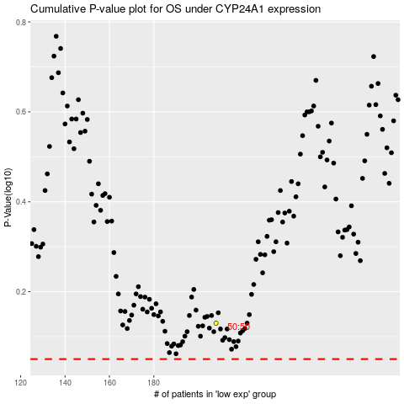

 |  |  |  |  |  | cases_OS | p_OS | rank | exp
 |  |  |  |  |  |  | cases_RFS | p_RFS | rank | exp

