CYP26A1 _multivariate
Reported by Tex Li-Hsing Chi. tex@gate.sinica.edu.tw 2019-08-20

Table 2. The clinicopathological features of HNSCC cohort and CYP26A1 expression. (Chi square test)
Cutoff at -0.3 (49.8%)
 |  | CYP26A1 expression |  | CYP26A1 expression |  | (Optimised)
 | Features | Low | (%) | High | (%) | Case no | P-value | Remark | Matthews
Gender | Female | 142 | 34.2 | 164 | 39.5 | 415 | 0.0238 | 1 | 0
2 | Male | 65 | 15.7 | 44 | 10.6
Age at diagnosis | <=65y | 134 | 32.3 | 140 | 33.7 | 415 | 0.6529 | 0 | 0
4 | >65y | 73 | 17.6 | 68 | 16.4
Clinical T Status | T1+T2 | 84 | 20.2 | 65 | 15.7 | 415 | 0.0603 | 0 | 0
6 | T3+T4 | 123 | 29.6 | 143 | 34.5
Clinical N Status | N0 | 110 | 26.5 | 106 | 25.5 | 415 | 0.7294 | 0 | 0
8 | N1-3 | 97 | 23.4 | 102 | 24.6
Clinical M Status | M0 | 204 | 49.2 | 208 | 50.1 | 415 | 0.1232 | 0 | 0
10 | M1 | 3 | 0.7 | 0 | 0
Clinical Stage | Stage I+II | 59 | 14.2 | 43 | 10.4 | 415 | 0.0822 | 0 | 0
12 | Stage III+IV | 148 | 35.7 | 165 | 39.8
Surgical Margin status | Negative | 157 | 37.8 | 161 | 38.8 | 415 | 0.729 | 0 | 0
14 | Positive | 50 | 12 | 47 | 11.3
Tobacco Exposure | Low | 96 | 23.1 | 65 | 15.7 | 415 | 0.0018 | 1 | 0
16 | High | 111 | 26.7 | 143 | 34.5

Table 3. Univariate/Multivariate Cox's proportional hazards regression analyses on OS time of CYP26A1 gene expression in HNSCC

 |  | Univariate |  |  |  | Multivariate
 | Features | HR | CI95%(L) | CI95%(H) | P-value | HR | CI95%(L) | CI95%(H) | P-value
1 | Female | 1 |  |  |  | 1
Gender | Male | 1.157 | 0.843 | 1.587 | 0.367 | 1.189 | 0.85 | 1.664 | 0.312
11 | <=65y | 1 |  |  |  | 1
Age at diagnosis | >65y | 1.329 | 0.99 | 1.784 | 0.058 | 1.393 | 1.025 | 1.893 | 0.034
12 | T1+T2 | 1 |  |  |  | 1
Clinical T Status | T3+T4 | 1.409 | 1.028 | 1.931 | 0.033 | 2.199 | 1.163 | 4.158 | 0.015
13 | N0 | 1 |  |  |  | 1
Clinical N Status | N1-3 | 1.185 | 0.89 | 1.577 | 0.246 | 1.24 | 0.869 | 1.768 | 0.235
14 | M0 | 1 |  |  |  | 1
Clinical M Status | M1 | 4.097 | 1.009 | 16.644 | 0.049 | 8.779 | 1.898 | 40.599 | 0.005
15 | Stage I+II | 1 |  |  |  | 1
Clinical Stage | Stage III+IV | 1.245 | 0.882 | 1.759 | 0.213 | 0.517 | 0.24 | 1.114 | 0.092
16 | Negative | 1 |  |  |  | 1
Surgical Margin status | Positive | 1.591 | 1.155 | 2.191 | 0.004 | 1.662 | 1.203 | 2.297 | 0.002
17 | Low | 1 |  |  |  | 1
Tobacco Exposure | High | 1.364 | 1.008 | 1.844 | 0.044 | 1.482 | 1.071 | 2.05 | 0.018
18 | Low | 1 |  |  |  | 1
RNAseq(z-score) | High | 0.926 | 0.694 | 1.234 | 0.598 | 0.886 | 0.656 | 1.196 | 0.428

Table 4. Univariate/Multivariate Cox's proportional hazards regression analyses on RFS time of CYP26A1 gene expression in HNSCC

 |  | Univariate |  |  |  | Multivariate
 | Features | HR | CI95%(L) | CI95%(H) | P-value | HR | CI95%(L) | CI95%(H) | P-value
1 | Female | 1 |  |  |  | 1
Gender | Male | 1.157 | 0.843 | 1.587 | 0.367 | 1.189 | 0.85 | 1.664 | 0.312
11 | <=65y | 1 |  |  |  | 1
Age at diagnosis | >65y | 1.329 | 0.99 | 1.784 | 0.058 | 1.393 | 1.025 | 1.893 | 0.034
12 | T1+T2 | 1 |  |  |  | 1
Clinical T Status | T3+T4 | 1.409 | 1.028 | 1.931 | 0.033 | 2.199 | 1.163 | 4.158 | 0.015
13 | N0 | 1 |  |  |  | 1
Clinical N Status | N1-3 | 1.185 | 0.89 | 1.577 | 0.246 | 1.24 | 0.869 | 1.768 | 0.235
14 | M0 | 1 |  |  |  | 1
Clinical M Status | M1 | 4.097 | 1.009 | 16.644 | 0.049 | 8.779 | 1.898 | 40.599 | 0.005
15 | Stage I+II | 1 |  |  |  | 1
Clinical Stage | Stage III+IV | 1.245 | 0.882 | 1.759 | 0.213 | 0.517 | 0.24 | 1.114 | 0.092
16 | Negative | 1 |  |  |  | 1
Surgical Margin status | Positive | 1.591 | 1.155 | 2.191 | 0.004 | 1.662 | 1.203 | 2.297 | 0.002
17 | Low | 1 |  |  |  | 1
Tobacco Exposure | High | 1.364 | 1.008 | 1.844 | 0.044 | 1.482 | 1.071 | 2.05 | 0.018
18 | Low | 1 |  |  |  | 1
RNAseq(z-score) | High | 0.926 | 0.694 | 1.234 | 0.598 | 0.886 | 0.656 | 1.196 | 0.428

Kaplan-Meier survival estimate: Cutoff at -0.3 (49.8%)



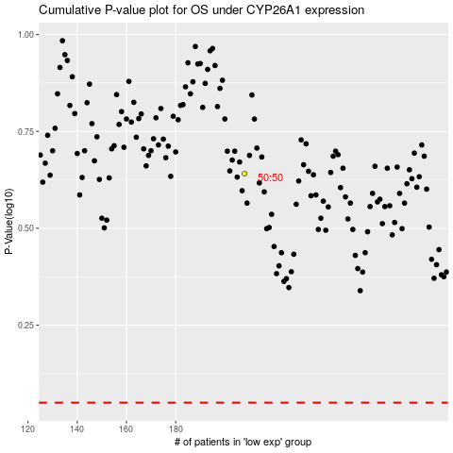

 |  |  |  |  |  | cases_OS | p_OS | rank | exp
 |  |  |  |  |  |  | cases_RFS | p_RFS | rank | exp

