CYP26B1 _multivariate
Reported by Tex Li-Hsing Chi. tex@gate.sinica.edu.tw 2019-08-20

Table 2. The clinicopathological features of HNSCC cohort and CYP26B1 expression. (Chi square test)
Cutoff at -0.271 (50.0%)
 |  | CYP26B1 expression |  | CYP26B1 expression |  | (Optimised)
 | Features | Low | (%) | High | (%) | Case no | P-value | Remark | Matthews
Gender | Female | 162 | 39 | 144 | 34.7 | 415 | 0.0479 | 1 | 0
2 | Male | 45 | 10.8 | 64 | 15.4
Age at diagnosis | <=65y | 132 | 31.8 | 142 | 34.2 | 415 | 0.3874 | 0 | 0
4 | >65y | 75 | 18.1 | 66 | 15.9
Clinical T Status | T1+T2 | 65 | 15.7 | 84 | 20.2 | 415 | 0.0711 | 0 | 0
6 | T3+T4 | 142 | 34.2 | 124 | 29.9
Clinical N Status | N0 | 95 | 22.9 | 121 | 29.2 | 415 | 0.0162 | 1 | 0
8 | N1-3 | 112 | 27 | 87 | 21
Clinical M Status | M0 | 206 | 49.6 | 206 | 49.6 | 415 | 1 | 0 | 0
10 | M1 | 1 | 0.2 | 2 | 0.5
Clinical Stage | Stage I+II | 36 | 8.7 | 66 | 15.9 | 415 | 0.001 | 1 | 0
12 | Stage III+IV | 171 | 41.2 | 142 | 34.2
Surgical Margin status | Negative | 151 | 36.4 | 167 | 40.2 | 415 | 0.0828 | 0 | 0
14 | Positive | 56 | 13.5 | 41 | 9.9
Tobacco Exposure | Low | 77 | 18.6 | 84 | 20.2 | 415 | 0.5459 | 0 | 0
16 | High | 130 | 31.3 | 124 | 29.9

Table 3. Univariate/Multivariate Cox's proportional hazards regression analyses on OS time of CYP26B1 gene expression in HNSCC

 |  | Univariate |  |  |  | Multivariate
 | Features | HR | CI95%(L) | CI95%(H) | P-value | HR | CI95%(L) | CI95%(H) | P-value
1 | Female | 1 |  |  |  | 1
Gender | Male | 1.157 | 0.843 | 1.587 | 0.367 | 1.191 | 0.851 | 1.667 | 0.309
11 | <=65y | 1 |  |  |  | 1
Age at diagnosis | >65y | 1.329 | 0.99 | 1.784 | 0.058 | 1.396 | 1.026 | 1.898 | 0.034
12 | T1+T2 | 1 |  |  |  | 1
Clinical T Status | T3+T4 | 1.409 | 1.028 | 1.931 | 0.033 | 2.196 | 1.161 | 4.154 | 0.016
13 | N0 | 1 |  |  |  | 1
Clinical N Status | N1-3 | 1.185 | 0.89 | 1.577 | 0.246 | 1.256 | 0.877 | 1.8 | 0.213
14 | M0 | 1 |  |  |  | 1
Clinical M Status | M1 | 4.097 | 1.009 | 16.644 | 0.049 | 9.101 | 1.972 | 42.012 | 0.005
15 | Stage I+II | 1 |  |  |  | 1
Clinical Stage | Stage III+IV | 1.245 | 0.882 | 1.759 | 0.213 | 0.511 | 0.237 | 1.099 | 0.086
16 | Negative | 1 |  |  |  | 1
Surgical Margin status | Positive | 1.591 | 1.155 | 2.191 | 0.004 | 1.676 | 1.213 | 2.316 | 0.002
17 | Low | 1 |  |  |  | 1
Tobacco Exposure | High | 1.364 | 1.008 | 1.844 | 0.044 | 1.453 | 1.055 | 2.002 | 0.022
18 | Low | 1 |  |  |  | 1
RNAseq(z-score) | High | 1.022 | 0.767 | 1.361 | 0.882 | 1.07 | 0.791 | 1.447 | 0.659

Table 4. Univariate/Multivariate Cox's proportional hazards regression analyses on RFS time of CYP26B1 gene expression in HNSCC

 |  | Univariate |  |  |  | Multivariate
 | Features | HR | CI95%(L) | CI95%(H) | P-value | HR | CI95%(L) | CI95%(H) | P-value
1 | Female | 1 |  |  |  | 1
Gender | Male | 1.157 | 0.843 | 1.587 | 0.367 | 1.191 | 0.851 | 1.667 | 0.309
11 | <=65y | 1 |  |  |  | 1
Age at diagnosis | >65y | 1.329 | 0.99 | 1.784 | 0.058 | 1.396 | 1.026 | 1.898 | 0.034
12 | T1+T2 | 1 |  |  |  | 1
Clinical T Status | T3+T4 | 1.409 | 1.028 | 1.931 | 0.033 | 2.196 | 1.161 | 4.154 | 0.016
13 | N0 | 1 |  |  |  | 1
Clinical N Status | N1-3 | 1.185 | 0.89 | 1.577 | 0.246 | 1.256 | 0.877 | 1.8 | 0.213
14 | M0 | 1 |  |  |  | 1
Clinical M Status | M1 | 4.097 | 1.009 | 16.644 | 0.049 | 9.101 | 1.972 | 42.012 | 0.005
15 | Stage I+II | 1 |  |  |  | 1
Clinical Stage | Stage III+IV | 1.245 | 0.882 | 1.759 | 0.213 | 0.511 | 0.237 | 1.099 | 0.086
16 | Negative | 1 |  |  |  | 1
Surgical Margin status | Positive | 1.591 | 1.155 | 2.191 | 0.004 | 1.676 | 1.213 | 2.316 | 0.002
17 | Low | 1 |  |  |  | 1
Tobacco Exposure | High | 1.364 | 1.008 | 1.844 | 0.044 | 1.453 | 1.055 | 2.002 | 0.022
18 | Low | 1 |  |  |  | 1
RNAseq(z-score) | High | 1.022 | 0.767 | 1.361 | 0.882 | 1.07 | 0.791 | 1.447 | 0.659

Kaplan-Meier survival estimate: Cutoff at -0.271 (50.0%)

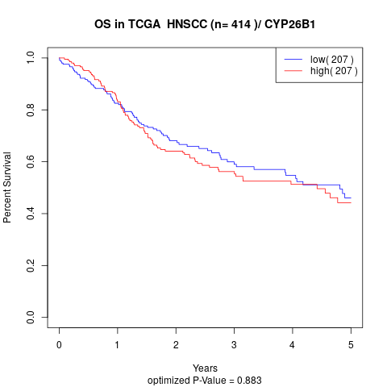

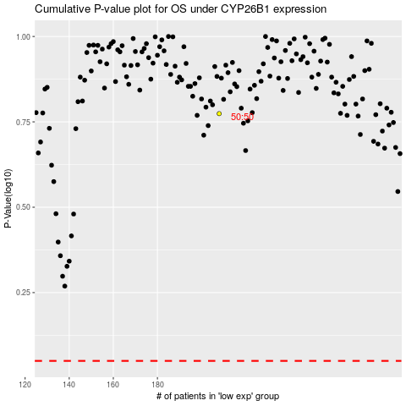

 |  |  |  |  |  | cases_OS | p_OS | rank | exp
 |  |  |  |  |  |  | cases_RFS | p_RFS | rank | exp

