CYP27A1 _multivariate
Reported by Tex Li-Hsing Chi. tex@gate.sinica.edu.tw 2019-08-20

Table 2. The clinicopathological features of HNSCC cohort and CYP27A1 expression. (Chi square test)
Cutoff at -0.295 (52.9%)
 |  | CYP27A1 expression |  | CYP27A1 expression |  | (Optimised)
 | Features | Low | (%) | High | (%) | Case no | P-value | Remark | Matthews
Gender | Female | 166 | 40 | 140 | 33.7 | 415 | 0.4631 | 0 | 0
2 | Male | 54 | 13 | 55 | 13.3
Age at diagnosis | <=65y | 142 | 34.2 | 132 | 31.8 | 415 | 0.5675 | 0 | 0
4 | >65y | 78 | 18.8 | 63 | 15.2
Clinical T Status | T1+T2 | 70 | 16.9 | 79 | 19 | 415 | 0.0818 | 0 | 0
6 | T3+T4 | 150 | 36.1 | 116 | 28
Clinical N Status | N0 | 119 | 28.7 | 97 | 23.4 | 415 | 0.4317 | 0 | 0
8 | N1-3 | 101 | 24.3 | 98 | 23.6
Clinical M Status | M0 | 217 | 52.3 | 195 | 47 | 415 | 0.2509 | 0 | 0
10 | M1 | 3 | 0.7 | 0 | 0
Clinical Stage | Stage I+II | 51 | 12.3 | 51 | 12.3 | 415 | 0.5568 | 0 | 0
12 | Stage III+IV | 169 | 40.7 | 144 | 34.7
Surgical Margin status | Negative | 171 | 41.2 | 147 | 35.4 | 415 | 0.6422 | 0 | 0
14 | Positive | 49 | 11.8 | 48 | 11.6
Tobacco Exposure | Low | 88 | 21.2 | 73 | 17.6 | 415 | 0.6148 | 0 | 0
16 | High | 132 | 31.8 | 122 | 29.4

Table 3. Univariate/Multivariate Cox's proportional hazards regression analyses on OS time of CYP27A1 gene expression in HNSCC

 |  | Univariate |  |  |  | Multivariate
 | Features | HR | CI95%(L) | CI95%(H) | P-value | HR | CI95%(L) | CI95%(H) | P-value
1 | Female | 1 |  |  |  | 1
Gender | Male | 1.157 | 0.843 | 1.587 | 0.367 | 1.189 | 0.849 | 1.664 | 0.314
11 | <=65y | 1 |  |  |  | 1
Age at diagnosis | >65y | 1.329 | 0.99 | 1.784 | 0.058 | 1.358 | 0.998 | 1.847 | 0.052
12 | T1+T2 | 1 |  |  |  | 1
Clinical T Status | T3+T4 | 1.409 | 1.028 | 1.931 | 0.033 | 2.123 | 1.121 | 4.02 | 0.021
13 | N0 | 1 |  |  |  | 1
Clinical N Status | N1-3 | 1.185 | 0.89 | 1.577 | 0.246 | 1.264 | 0.886 | 1.805 | 0.197
14 | M0 | 1 |  |  |  | 1
Clinical M Status | M1 | 4.097 | 1.009 | 16.644 | 0.049 | 7.889 | 1.707 | 36.468 | 0.008
15 | Stage I+II | 1 |  |  |  | 1
Clinical Stage | Stage III+IV | 1.245 | 0.882 | 1.759 | 0.213 | 0.515 | 0.24 | 1.106 | 0.089
16 | Negative | 1 |  |  |  | 1
Surgical Margin status | Positive | 1.591 | 1.155 | 2.191 | 0.004 | 1.74 | 1.256 | 2.411 | 0.001
17 | Low | 1 |  |  |  | 1
Tobacco Exposure | High | 1.364 | 1.008 | 1.844 | 0.044 | 1.478 | 1.07 | 2.04 | 0.018
18 | Low | 1 |  |  |  | 1
RNAseq(z-score) | High | 0.744 | 0.557 | 0.994 | 0.045 | 0.737 | 0.548 | 0.992 | 0.044

Table 4. Univariate/Multivariate Cox's proportional hazards regression analyses on RFS time of CYP27A1 gene expression in HNSCC

 |  | Univariate |  |  |  | Multivariate
 | Features | HR | CI95%(L) | CI95%(H) | P-value | HR | CI95%(L) | CI95%(H) | P-value
1 | Female | 1 |  |  |  | 1
Gender | Male | 1.157 | 0.843 | 1.587 | 0.367 | 1.189 | 0.849 | 1.664 | 0.314
11 | <=65y | 1 |  |  |  | 1
Age at diagnosis | >65y | 1.329 | 0.99 | 1.784 | 0.058 | 1.358 | 0.998 | 1.847 | 0.052
12 | T1+T2 | 1 |  |  |  | 1
Clinical T Status | T3+T4 | 1.409 | 1.028 | 1.931 | 0.033 | 2.123 | 1.121 | 4.02 | 0.021
13 | N0 | 1 |  |  |  | 1
Clinical N Status | N1-3 | 1.185 | 0.89 | 1.577 | 0.246 | 1.264 | 0.886 | 1.805 | 0.197
14 | M0 | 1 |  |  |  | 1
Clinical M Status | M1 | 4.097 | 1.009 | 16.644 | 0.049 | 7.889 | 1.707 | 36.468 | 0.008
15 | Stage I+II | 1 |  |  |  | 1
Clinical Stage | Stage III+IV | 1.245 | 0.882 | 1.759 | 0.213 | 0.515 | 0.24 | 1.106 | 0.089
16 | Negative | 1 |  |  |  | 1
Surgical Margin status | Positive | 1.591 | 1.155 | 2.191 | 0.004 | 1.74 | 1.256 | 2.411 | 0.001
17 | Low | 1 |  |  |  | 1
Tobacco Exposure | High | 1.364 | 1.008 | 1.844 | 0.044 | 1.478 | 1.07 | 2.04 | 0.018
18 | Low | 1 |  |  |  | 1
RNAseq(z-score) | High | 0.744 | 0.557 | 0.994 | 0.045 | 0.737 | 0.548 | 0.992 | 0.044

Kaplan-Meier survival estimate: Cutoff at -0.295 (52.9%)



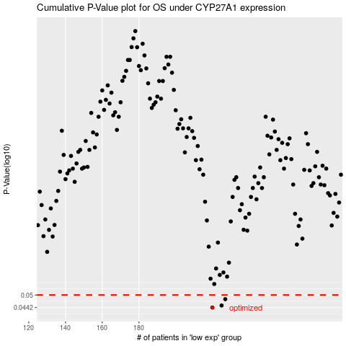

 |  |  |  |  |  | cases_OS | p_OS | rank | exp
 |  |  |  |  |  | 220 | 0.0442 | 242 | -0.29536697008
 |  |  |  |  |  | 225 | 0.0451 | 362 | -0.29155305881
 |  |  |  |  |  | 227 | 0.048 | 40 | -0.29108767273
 |  |  |  |  |  |  | cases_RFS | p_RFS | rank | exp
 |  |  |  |  |  |  | 219 | 0.0442 | 204 | -0.2968178984
 |  |  |  |  |  |  | 224 | 0.0451 | 70 | -0.29202599572
 |  |  |  |  |  |  | 226 | 0.048 | 372 | -0.29153540477

