CYP27C1 _multivariate
Reported by Tex Li-Hsing Chi. tex@gate.sinica.edu.tw 2019-08-20

Table 2. The clinicopathological features of HNSCC cohort and CYP27C1 expression. (Chi square test)
Cutoff at 0.474 (70.0%)
 |  | CYP27C1 expression |  | CYP27C1 expression |  | (Optimised)
 | Features | Low | (%) | High | (%) | Case no | P-value | Remark | Matthews
Gender | Female | 214 | 51.6 | 92 | 22.2 | 415 | 1 | 0 | 0
2 | Male | 76 | 18.3 | 33 | 8
Age at diagnosis | <=65y | 184 | 44.3 | 90 | 21.7 | 415 | 0.1154 | 0 | 0
4 | >65y | 106 | 25.5 | 35 | 8.4
Clinical T Status | T1+T2 | 92 | 22.2 | 57 | 13.7 | 415 | 0.0095 | 1 | 0
6 | T3+T4 | 198 | 47.7 | 68 | 16.4
Clinical N Status | N0 | 146 | 35.2 | 70 | 16.9 | 415 | 0.3417 | 0 | 0
8 | N1-3 | 144 | 34.7 | 55 | 13.3
Clinical M Status | M0 | 288 | 69.4 | 124 | 29.9 | 415 | 1 | 0 | 0
10 | M1 | 2 | 0.5 | 1 | 0.2
Clinical Stage | Stage I+II | 55 | 13.3 | 47 | 11.3 | 415 | 1e-04 | 1 | 0
12 | Stage III+IV | 235 | 56.6 | 78 | 18.8
Surgical Margin status | Negative | 223 | 53.7 | 95 | 22.9 | 415 | 0.8995 | 0 | 0
14 | Positive | 67 | 16.1 | 30 | 7.2
Tobacco Exposure | Low | 102 | 24.6 | 59 | 14.2 | 415 | 0.0279 | 1 | 0
16 | High | 188 | 45.3 | 66 | 15.9

Table 3. Univariate/Multivariate Cox's proportional hazards regression analyses on OS time of CYP27C1 gene expression in HNSCC

 |  | Univariate |  |  |  | Multivariate
 | Features | HR | CI95%(L) | CI95%(H) | P-value | HR | CI95%(L) | CI95%(H) | P-value
1 | Female | 1 |  |  |  | 1
Gender | Male | 1.157 | 0.843 | 1.587 | 0.367 | 1.225 | 0.876 | 1.713 | 0.235
11 | <=65y | 1 |  |  |  | 1
Age at diagnosis | >65y | 1.329 | 0.99 | 1.784 | 0.058 | 1.353 | 0.994 | 1.84 | 0.054
12 | T1+T2 | 1 |  |  |  | 1
Clinical T Status | T3+T4 | 1.409 | 1.028 | 1.931 | 0.033 | 2.311 | 1.222 | 4.371 | 0.01
13 | N0 | 1 |  |  |  | 1
Clinical N Status | N1-3 | 1.185 | 0.89 | 1.577 | 0.246 | 1.251 | 0.876 | 1.785 | 0.218
14 | M0 | 1 |  |  |  | 1
Clinical M Status | M1 | 4.097 | 1.009 | 16.644 | 0.049 | 9.642 | 2.1 | 44.269 | 0.004
15 | Stage I+II | 1 |  |  |  | 1
Clinical Stage | Stage III+IV | 1.245 | 0.882 | 1.759 | 0.213 | 0.452 | 0.209 | 0.975 | 0.043
16 | Negative | 1 |  |  |  | 1
Surgical Margin status | Positive | 1.591 | 1.155 | 2.191 | 0.004 | 1.685 | 1.219 | 2.329 | 0.002
17 | Low | 1 |  |  |  | 1
Tobacco Exposure | High | 1.364 | 1.008 | 1.844 | 0.044 | 1.475 | 1.068 | 2.038 | 0.018
18 | Low | 1 |  |  |  | 1
RNAseq(z-score) | High | 0.703 | 0.506 | 0.977 | 0.036 | 0.697 | 0.498 | 0.977 | 0.036

Table 4. Univariate/Multivariate Cox's proportional hazards regression analyses on RFS time of CYP27C1 gene expression in HNSCC

 |  | Univariate |  |  |  | Multivariate
 | Features | HR | CI95%(L) | CI95%(H) | P-value | HR | CI95%(L) | CI95%(H) | P-value
1 | Female | 1 |  |  |  | 1
Gender | Male | 1.157 | 0.843 | 1.587 | 0.367 | 1.225 | 0.876 | 1.713 | 0.235
11 | <=65y | 1 |  |  |  | 1
Age at diagnosis | >65y | 1.329 | 0.99 | 1.784 | 0.058 | 1.353 | 0.994 | 1.84 | 0.054
12 | T1+T2 | 1 |  |  |  | 1
Clinical T Status | T3+T4 | 1.409 | 1.028 | 1.931 | 0.033 | 2.311 | 1.222 | 4.371 | 0.01
13 | N0 | 1 |  |  |  | 1
Clinical N Status | N1-3 | 1.185 | 0.89 | 1.577 | 0.246 | 1.251 | 0.876 | 1.785 | 0.218
14 | M0 | 1 |  |  |  | 1
Clinical M Status | M1 | 4.097 | 1.009 | 16.644 | 0.049 | 9.642 | 2.1 | 44.269 | 0.004
15 | Stage I+II | 1 |  |  |  | 1
Clinical Stage | Stage III+IV | 1.245 | 0.882 | 1.759 | 0.213 | 0.452 | 0.209 | 0.975 | 0.043
16 | Negative | 1 |  |  |  | 1
Surgical Margin status | Positive | 1.591 | 1.155 | 2.191 | 0.004 | 1.685 | 1.219 | 2.329 | 0.002
17 | Low | 1 |  |  |  | 1
Tobacco Exposure | High | 1.364 | 1.008 | 1.844 | 0.044 | 1.475 | 1.068 | 2.038 | 0.018
18 | Low | 1 |  |  |  | 1
RNAseq(z-score) | High | 0.703 | 0.506 | 0.977 | 0.036 | 0.697 | 0.498 | 0.977 | 0.036

Kaplan-Meier survival estimate: Cutoff at 0.474 (70.0%)



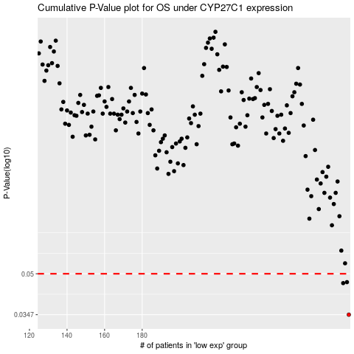

 |  |  |  |  |  | cases_OS | p_OS | rank | exp
 |  |  |  |  |  | 290 | 0.0347 | 201 | 0.4736827928
 |  |  |  |  |  | 287 | 0.046 | 392 | 0.44280027488
 |  |  |  |  |  | 289 | 0.0464 | 23 | 0.46825198724
 |  |  |  |  |  |  | cases_RFS | p_RFS | rank | exp
 |  |  |  |  |  |  | 289 | 0.0347 | 23 | 0.46825198724
 |  |  |  |  |  |  | 286 | 0.046 | 69 | 0.42914640606
 |  |  |  |  |  |  | 288 | 0.0464 | 153 | 0.44948048629

