CYP2B7P1 _multivariate
Reported by Tex Li-Hsing Chi. tex@gate.sinica.edu.tw 2019-08-20

Table 2. The clinicopathological features of HNSCC cohort and CYP2B7P1 expression. (Chi square test)
Cutoff at -0.179 (37.7%)
 |  | CYP2B7P1 expression |  | CYP2B7P1 expression |  | (Optimised)
 | Features | Low | (%) | High | (%) | Case no | P-value | Remark | Matthews
Gender | Female | 114 | 27.5 | 192 | 46.3 | 415 | 0.9035 | 0 | 0
2 | Male | 42 | 10.1 | 67 | 16.1
Age at diagnosis | <=65y | 99 | 23.9 | 175 | 42.2 | 415 | 0.4542 | 0 | 0
4 | >65y | 57 | 13.7 | 84 | 20.2
Clinical T Status | T1+T2 | 62 | 14.9 | 87 | 21 | 415 | 0.2461 | 0 | 0
6 | T3+T4 | 94 | 22.7 | 172 | 41.4
Clinical N Status | N0 | 80 | 19.3 | 136 | 32.8 | 415 | 0.8878 | 0 | 0
8 | N1-3 | 76 | 18.3 | 123 | 29.6
Clinical M Status | M0 | 155 | 37.3 | 257 | 61.9 | 415 | 1 | 0 | 0
10 | M1 | 1 | 0.2 | 2 | 0.5
Clinical Stage | Stage I+II | 42 | 10.1 | 60 | 14.5 | 415 | 0.4573 | 0 | 0
12 | Stage III+IV | 114 | 27.5 | 199 | 48
Surgical Margin status | Negative | 118 | 28.4 | 200 | 48.2 | 415 | 0.7208 | 0 | 0
14 | Positive | 38 | 9.2 | 59 | 14.2
Tobacco Exposure | Low | 72 | 17.3 | 89 | 21.4 | 415 | 0.022 | 1 | 0
16 | High | 84 | 20.2 | 170 | 41

Table 3. Univariate/Multivariate Cox's proportional hazards regression analyses on OS time of CYP2B7P1 gene expression in HNSCC

 |  | Univariate |  |  |  | Multivariate
 | Features | HR | CI95%(L) | CI95%(H) | P-value | HR | CI95%(L) | CI95%(H) | P-value
1 | Female | 1 |  |  |  | 1
Gender | Male | 1.157 | 0.843 | 1.587 | 0.367 | 1.199 | 0.858 | 1.675 | 0.289
11 | <=65y | 1 |  |  |  | 1
Age at diagnosis | >65y | 1.329 | 0.99 | 1.784 | 0.058 | 1.37 | 1.007 | 1.864 | 0.045
12 | T1+T2 | 1 |  |  |  | 1
Clinical T Status | T3+T4 | 1.409 | 1.028 | 1.931 | 0.033 | 2.24 | 1.185 | 4.234 | 0.013
13 | N0 | 1 |  |  |  | 1
Clinical N Status | N1-3 | 1.185 | 0.89 | 1.577 | 0.246 | 1.249 | 0.876 | 1.781 | 0.219
14 | M0 | 1 |  |  |  | 1
Clinical M Status | M1 | 4.097 | 1.009 | 16.644 | 0.049 | 10.087 | 2.197 | 46.313 | 0.003
15 | Stage I+II | 1 |  |  |  | 1
Clinical Stage | Stage III+IV | 1.245 | 0.882 | 1.759 | 0.213 | 0.508 | 0.237 | 1.088 | 0.081
16 | Negative | 1 |  |  |  | 1
Surgical Margin status | Positive | 1.591 | 1.155 | 2.191 | 0.004 | 1.671 | 1.21 | 2.308 | 0.002
17 | Low | 1 |  |  |  | 1
Tobacco Exposure | High | 1.364 | 1.008 | 1.844 | 0.044 | 1.529 | 1.104 | 2.116 | 0.011
18 | Low | 1 |  |  |  | 1
RNAseq(z-score) | High | 0.745 | 0.558 | 0.995 | 0.046 | 0.696 | 0.518 | 0.934 | 0.016

Table 4. Univariate/Multivariate Cox's proportional hazards regression analyses on RFS time of CYP2B7P1 gene expression in HNSCC

 |  | Univariate |  |  |  | Multivariate
 | Features | HR | CI95%(L) | CI95%(H) | P-value | HR | CI95%(L) | CI95%(H) | P-value
1 | Female | 1 |  |  |  | 1
Gender | Male | 1.157 | 0.843 | 1.587 | 0.367 | 1.199 | 0.858 | 1.675 | 0.289
11 | <=65y | 1 |  |  |  | 1
Age at diagnosis | >65y | 1.329 | 0.99 | 1.784 | 0.058 | 1.37 | 1.007 | 1.864 | 0.045
12 | T1+T2 | 1 |  |  |  | 1
Clinical T Status | T3+T4 | 1.409 | 1.028 | 1.931 | 0.033 | 2.24 | 1.185 | 4.234 | 0.013
13 | N0 | 1 |  |  |  | 1
Clinical N Status | N1-3 | 1.185 | 0.89 | 1.577 | 0.246 | 1.249 | 0.876 | 1.781 | 0.219
14 | M0 | 1 |  |  |  | 1
Clinical M Status | M1 | 4.097 | 1.009 | 16.644 | 0.049 | 10.087 | 2.197 | 46.313 | 0.003
15 | Stage I+II | 1 |  |  |  | 1
Clinical Stage | Stage III+IV | 1.245 | 0.882 | 1.759 | 0.213 | 0.508 | 0.237 | 1.088 | 0.081
16 | Negative | 1 |  |  |  | 1
Surgical Margin status | Positive | 1.591 | 1.155 | 2.191 | 0.004 | 1.671 | 1.21 | 2.308 | 0.002
17 | Low | 1 |  |  |  | 1
Tobacco Exposure | High | 1.364 | 1.008 | 1.844 | 0.044 | 1.529 | 1.104 | 2.116 | 0.011
18 | Low | 1 |  |  |  | 1
RNAseq(z-score) | High | 0.745 | 0.558 | 0.995 | 0.046 | 0.696 | 0.518 | 0.934 | 0.016

Kaplan-Meier survival estimate: Cutoff at -0.179 (37.7%)



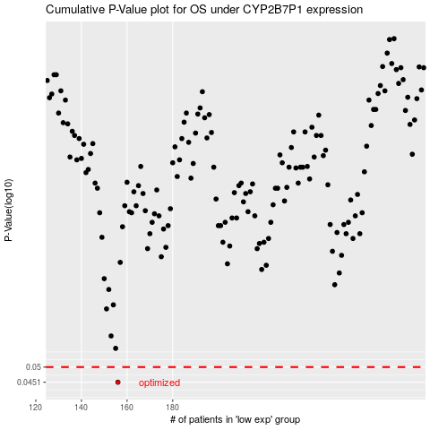

 |  |  |  |  |  | cases_OS | p_OS | rank | exp
 |  |  |  |  |  | 156 | 0.0451 | 271 | -0.17945051517
 |  |  |  |  |  |  | cases_RFS | p_RFS | rank | exp
 |  |  |  |  |  |  | 155 | 0.0451 | 325 | -0.17958939168

