CYP2C8 _multivariate
Reported by Tex Li-Hsing Chi. tex@gate.sinica.edu.tw 2019-08-20

Table 2. The clinicopathological features of HNSCC cohort and CYP2C8 expression. (Chi square test)
Cutoff at -0.218 (58.5%)
 |  | CYP2C8 expression |  | CYP2C8 expression |  | (Optimised)
 | Features | Low | (%) | High | (%) | Case no | P-value | Remark | Matthews
Gender | Female | 170 | 41 | 136 | 32.8 | 415 | 0.0725 | 0 | 0
2 | Male | 72 | 17.3 | 37 | 8.9
Age at diagnosis | <=65y | 153 | 36.9 | 121 | 29.2 | 415 | 0.1869 | 0 | 0
4 | >65y | 89 | 21.4 | 52 | 12.5
Clinical T Status | T1+T2 | 82 | 19.8 | 67 | 16.1 | 415 | 0.3626 | 0 | 0
6 | T3+T4 | 160 | 38.6 | 106 | 25.5
Clinical N Status | N0 | 125 | 30.1 | 91 | 21.9 | 415 | 0.9275 | 0 | 0
8 | N1-3 | 117 | 28.2 | 82 | 19.8
Clinical M Status | M0 | 241 | 58.1 | 171 | 41.2 | 415 | 0.5734 | 0 | 0
10 | M1 | 1 | 0.2 | 2 | 0.5
Clinical Stage | Stage I+II | 56 | 13.5 | 46 | 11.1 | 415 | 0.4908 | 0 | 0
12 | Stage III+IV | 186 | 44.8 | 127 | 30.6
Surgical Margin status | Negative | 187 | 45.1 | 131 | 31.6 | 415 | 0.7254 | 0 | 0
14 | Positive | 55 | 13.3 | 42 | 10.1
Tobacco Exposure | Low | 92 | 22.2 | 69 | 16.6 | 415 | 0.7593 | 0 | 0
16 | High | 150 | 36.1 | 104 | 25.1

Table 3. Univariate/Multivariate Cox's proportional hazards regression analyses on OS time of CYP2C8 gene expression in HNSCC

 |  | Univariate |  |  |  | Multivariate
 | Features | HR | CI95%(L) | CI95%(H) | P-value | HR | CI95%(L) | CI95%(H) | P-value
1 | Female | 1 |  |  |  | 1
Gender | Male | 1.157 | 0.843 | 1.587 | 0.367 | 1.164 | 0.83 | 1.631 | 0.379
11 | <=65y | 1 |  |  |  | 1
Age at diagnosis | >65y | 1.329 | 0.99 | 1.784 | 0.058 | 1.393 | 1.024 | 1.894 | 0.035
12 | T1+T2 | 1 |  |  |  | 1
Clinical T Status | T3+T4 | 1.409 | 1.028 | 1.931 | 0.033 | 2.201 | 1.165 | 4.159 | 0.015
13 | N0 | 1 |  |  |  | 1
Clinical N Status | N1-3 | 1.185 | 0.89 | 1.577 | 0.246 | 1.262 | 0.883 | 1.802 | 0.201
14 | M0 | 1 |  |  |  | 1
Clinical M Status | M1 | 4.097 | 1.009 | 16.644 | 0.049 | 9.764 | 2.128 | 44.795 | 0.003
15 | Stage I+II | 1 |  |  |  | 1
Clinical Stage | Stage III+IV | 1.245 | 0.882 | 1.759 | 0.213 | 0.493 | 0.23 | 1.059 | 0.07
16 | Negative | 1 |  |  |  | 1
Surgical Margin status | Positive | 1.591 | 1.155 | 2.191 | 0.004 | 1.649 | 1.194 | 2.279 | 0.002
17 | Low | 1 |  |  |  | 1
Tobacco Exposure | High | 1.364 | 1.008 | 1.844 | 0.044 | 1.433 | 1.039 | 1.978 | 0.028
18 | Low | 1 |  |  |  | 1
RNAseq(z-score) | High | 0.739 | 0.547 | 0.998 | 0.049 | 0.781 | 0.576 | 1.06 | 0.113

Table 4. Univariate/Multivariate Cox's proportional hazards regression analyses on RFS time of CYP2C8 gene expression in HNSCC

 |  | Univariate |  |  |  | Multivariate
 | Features | HR | CI95%(L) | CI95%(H) | P-value | HR | CI95%(L) | CI95%(H) | P-value
1 | Female | 1 |  |  |  | 1
Gender | Male | 1.157 | 0.843 | 1.587 | 0.367 | 1.164 | 0.83 | 1.631 | 0.379
11 | <=65y | 1 |  |  |  | 1
Age at diagnosis | >65y | 1.329 | 0.99 | 1.784 | 0.058 | 1.393 | 1.024 | 1.894 | 0.035
12 | T1+T2 | 1 |  |  |  | 1
Clinical T Status | T3+T4 | 1.409 | 1.028 | 1.931 | 0.033 | 2.201 | 1.165 | 4.159 | 0.015
13 | N0 | 1 |  |  |  | 1
Clinical N Status | N1-3 | 1.185 | 0.89 | 1.577 | 0.246 | 1.262 | 0.883 | 1.802 | 0.201
14 | M0 | 1 |  |  |  | 1
Clinical M Status | M1 | 4.097 | 1.009 | 16.644 | 0.049 | 9.764 | 2.128 | 44.795 | 0.003
15 | Stage I+II | 1 |  |  |  | 1
Clinical Stage | Stage III+IV | 1.245 | 0.882 | 1.759 | 0.213 | 0.493 | 0.23 | 1.059 | 0.07
16 | Negative | 1 |  |  |  | 1
Surgical Margin status | Positive | 1.591 | 1.155 | 2.191 | 0.004 | 1.649 | 1.194 | 2.279 | 0.002
17 | Low | 1 |  |  |  | 1
Tobacco Exposure | High | 1.364 | 1.008 | 1.844 | 0.044 | 1.433 | 1.039 | 1.978 | 0.028
18 | Low | 1 |  |  |  | 1
RNAseq(z-score) | High | 0.739 | 0.547 | 0.998 | 0.049 | 0.781 | 0.576 | 1.06 | 0.113

Kaplan-Meier survival estimate: Cutoff at -0.218 (58.5%)



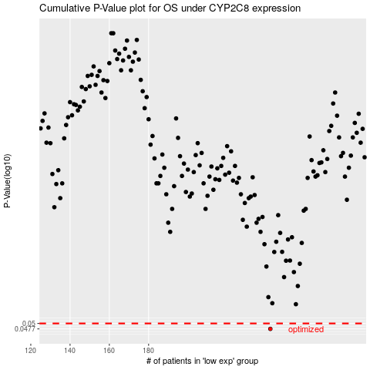

 |  |  |  |  |  | cases_OS | p_OS | rank | exp
 |  |  |  |  |  | 242 | 0.0477 | 189 | -0.21826481991
 |  |  |  |  |  |  | cases_RFS | p_RFS | rank | exp
 |  |  |  |  |  |  | 241 | 0.0477 | 69 | -0.22885695235

