CYP2E1 _multivariate
Reported by Tex Li-Hsing Chi. tex@gate.sinica.edu.tw 2019-08-20

Table 2. The clinicopathological features of HNSCC cohort and CYP2E1 expression. (Chi square test)
Cutoff at -0.43 (33.1%)
 |  | CYP2E1 expression |  | CYP2E1 expression |  | (Optimised)
 | Features | Low | (%) | High | (%) | Case no | P-value | Remark | Matthews
Gender | Female | 103 | 24.8 | 203 | 48.9 | 415 | 0.725 | 0 | 0
2 | Male | 34 | 8.2 | 75 | 18.1
Age at diagnosis | <=65y | 92 | 22.2 | 182 | 43.9 | 415 | 0.8175 | 0 | 0
4 | >65y | 45 | 10.8 | 96 | 23.1
Clinical T Status | T1+T2 | 45 | 10.8 | 104 | 25.1 | 415 | 0.4223 | 0 | 0
6 | T3+T4 | 92 | 22.2 | 174 | 41.9
Clinical N Status | N0 | 72 | 17.3 | 144 | 34.7 | 415 | 0.9677 | 0 | 0
8 | N1-3 | 65 | 15.7 | 134 | 32.3
Clinical M Status | M0 | 136 | 32.8 | 276 | 66.5 | 415 | 1 | 0 | 0
10 | M1 | 1 | 0.2 | 2 | 0.5
Clinical Stage | Stage I+II | 32 | 7.7 | 70 | 16.9 | 415 | 0.7762 | 0 | 0
12 | Stage III+IV | 105 | 25.3 | 208 | 50.1
Surgical Margin status | Negative | 105 | 25.3 | 213 | 51.3 | 415 | 1 | 0 | 0
14 | Positive | 32 | 7.7 | 65 | 15.7
Tobacco Exposure | Low | 63 | 15.2 | 98 | 23.6 | 415 | 0.0417 | 1 | 0
16 | High | 74 | 17.8 | 180 | 43.4

Table 3. Univariate/Multivariate Cox's proportional hazards regression analyses on OS time of CYP2E1 gene expression in HNSCC

 |  | Univariate |  |  |  | Multivariate
 | Features | HR | CI95%(L) | CI95%(H) | P-value | HR | CI95%(L) | CI95%(H) | P-value
1 | Female | 1 |  |  |  | 1
Gender | Male | 1.157 | 0.843 | 1.587 | 0.367 | 1.241 | 0.886 | 1.74 | 0.209
11 | <=65y | 1 |  |  |  | 1
Age at diagnosis | >65y | 1.329 | 0.99 | 1.784 | 0.058 | 1.419 | 1.043 | 1.931 | 0.026
12 | T1+T2 | 1 |  |  |  | 1
Clinical T Status | T3+T4 | 1.409 | 1.028 | 1.931 | 0.033 | 2.141 | 1.133 | 4.044 | 0.019
13 | N0 | 1 |  |  |  | 1
Clinical N Status | N1-3 | 1.185 | 0.89 | 1.577 | 0.246 | 1.241 | 0.87 | 1.771 | 0.234
14 | M0 | 1 |  |  |  | 1
Clinical M Status | M1 | 4.097 | 1.009 | 16.644 | 0.049 | 8.954 | 1.952 | 41.075 | 0.005
15 | Stage I+II | 1 |  |  |  | 1
Clinical Stage | Stage III+IV | 1.245 | 0.882 | 1.759 | 0.213 | 0.526 | 0.245 | 1.129 | 0.099
16 | Negative | 1 |  |  |  | 1
Surgical Margin status | Positive | 1.591 | 1.155 | 2.191 | 0.004 | 1.666 | 1.206 | 2.302 | 0.002
17 | Low | 1 |  |  |  | 1
Tobacco Exposure | High | 1.364 | 1.008 | 1.844 | 0.044 | 1.568 | 1.129 | 2.178 | 0.007
18 | Low | 1 |  |  |  | 1
RNAseq(z-score) | High | 0.691 | 0.512 | 0.932 | 0.016 | 0.655 | 0.483 | 0.888 | 0.007

Table 4. Univariate/Multivariate Cox's proportional hazards regression analyses on RFS time of CYP2E1 gene expression in HNSCC

 |  | Univariate |  |  |  | Multivariate
 | Features | HR | CI95%(L) | CI95%(H) | P-value | HR | CI95%(L) | CI95%(H) | P-value
1 | Female | 1 |  |  |  | 1
Gender | Male | 1.157 | 0.843 | 1.587 | 0.367 | 1.241 | 0.886 | 1.74 | 0.209
11 | <=65y | 1 |  |  |  | 1
Age at diagnosis | >65y | 1.329 | 0.99 | 1.784 | 0.058 | 1.419 | 1.043 | 1.931 | 0.026
12 | T1+T2 | 1 |  |  |  | 1
Clinical T Status | T3+T4 | 1.409 | 1.028 | 1.931 | 0.033 | 2.141 | 1.133 | 4.044 | 0.019
13 | N0 | 1 |  |  |  | 1
Clinical N Status | N1-3 | 1.185 | 0.89 | 1.577 | 0.246 | 1.241 | 0.87 | 1.771 | 0.234
14 | M0 | 1 |  |  |  | 1
Clinical M Status | M1 | 4.097 | 1.009 | 16.644 | 0.049 | 8.954 | 1.952 | 41.075 | 0.005
15 | Stage I+II | 1 |  |  |  | 1
Clinical Stage | Stage III+IV | 1.245 | 0.882 | 1.759 | 0.213 | 0.526 | 0.245 | 1.129 | 0.099
16 | Negative | 1 |  |  |  | 1
Surgical Margin status | Positive | 1.591 | 1.155 | 2.191 | 0.004 | 1.666 | 1.206 | 2.302 | 0.002
17 | Low | 1 |  |  |  | 1
Tobacco Exposure | High | 1.364 | 1.008 | 1.844 | 0.044 | 1.568 | 1.129 | 2.178 | 0.007
18 | Low | 1 |  |  |  | 1
RNAseq(z-score) | High | 0.691 | 0.512 | 0.932 | 0.016 | 0.655 | 0.483 | 0.888 | 0.007

Kaplan-Meier survival estimate: Cutoff at -0.43 (33.1%)

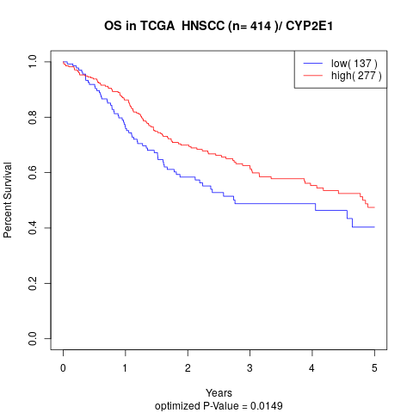

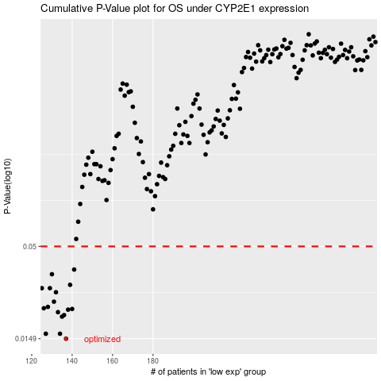

 |  |  |  |  |  | cases_OS | p_OS | rank | exp
 |  |  |  |  |  | 137 | 0.0149 | 321 | -0.43017281238
 |  |  |  |  |  | 127 | 0.0159 | 122 | -0.43295157224
 |  |  |  |  |  | 134 | 0.0159 | 268 | -0.43106084377
 |  |  |  |  |  | 135 | 0.0199 | 291 | -0.43086080654
 |  |  |  |  |  | 136 | 0.0203 | 361 | -0.43056158767
 |  |  |  |  |  | 133 | 0.0211 | 325 | -0.43110771442
 |  |  |  |  |  | 138 | 0.0218 | 282 | -0.42909143957
 |  |  |  |  |  | 140 | 0.022 | 183 | -0.4287507904
 |  |  |  |  |  | 126 | 0.0222 | 58 | -0.43318467001
 |  |  |  |  |  | 128 | 0.0226 | 324 | -0.43292729994
 |  |  |  |  |  | 131 | 0.0242 | 332 | -0.43214347204
 |  |  |  |  |  | 132 | 0.0274 | 180 | -0.43179654555
 |  |  |  |  |  | 129 | 0.0289 | 295 | -0.43257242217
 |  |  |  |  |  | 125 | 0.0289 | 369 | -0.43362826722
 |  |  |  |  |  | 139 | 0.0302 | 227 | -0.42880770476
 |  |  |  |  |  | 130 | 0.0347 | 79 | -0.43256656334
 |  |  |  |  |  | 141 | 0.0369 | 131 | -0.42781588836
 |  |  |  |  |  |  | cases_RFS | p_RFS | rank | exp
 |  |  |  |  |  |  | 136 | 0.0149 | 361 | -0.43056158767
 |  |  |  |  |  |  | 126 | 0.0159 | 58 | -0.43318467001
 |  |  |  |  |  |  | 133 | 0.0159 | 325 | -0.43110771442
 |  |  |  |  |  |  | 134 | 0.0199 | 268 | -0.43106084377
 |  |  |  |  |  |  | 135 | 0.0203 | 291 | -0.43086080654
 |  |  |  |  |  |  | 132 | 0.0211 | 180 | -0.43179654555
 |  |  |  |  |  |  | 137 | 0.0218 | 321 | -0.43017281238
 |  |  |  |  |  |  | 139 | 0.022 | 227 | -0.42880770476
 |  |  |  |  |  |  | 125 | 0.0222 | 369 | -0.43362826722
 |  |  |  |  |  |  | 127 | 0.0226 | 122 | -0.43295157224
 |  |  |  |  |  |  | 130 | 0.0242 | 79 | -0.43256656334
 |  |  |  |  |  |  | 131 | 0.0274 | 332 | -0.43214347204
 |  |  |  |  |  |  |  | 0.0289 | 187 | -0.43407144594
 |  |  |  |  |  |  | 128 | 0.0289 | 324 | -0.43292729994
 |  |  |  |  |  |  | 138 | 0.0302 | 282 | -0.42909143957
 |  |  |  |  |  |  | 129 | 0.0347 | 295 | -0.43257242217
 |  |  |  |  |  |  | 140 | 0.0369 | 183 | -0.4287507904

