CYP2J2 _multivariate
Reported by Tex Li-Hsing Chi. tex@gate.sinica.edu.tw 2019-08-20

Table 2. The clinicopathological features of HNSCC cohort and CYP2J2 expression. (Chi square test)
Cutoff at -0.369 (50.0%)
 |  | CYP2J2 expression |  | CYP2J2 expression |  | (Optimised)
 | Features | Low | (%) | High | (%) | Case no | P-value | Remark | Matthews
Gender | Female | 159 | 38.3 | 147 | 35.4 | 415 | 0.1905 | 0 | 0
2 | Male | 48 | 11.6 | 61 | 14.7
Age at diagnosis | <=65y | 137 | 33 | 137 | 33 | 415 | 1 | 0 | 0
4 | >65y | 70 | 16.9 | 71 | 17.1
Clinical T Status | T1+T2 | 66 | 15.9 | 83 | 20 | 415 | 0.1095 | 0 | 0
6 | T3+T4 | 141 | 34 | 125 | 30.1
Clinical N Status | N0 | 109 | 26.3 | 107 | 25.8 | 415 | 0.8812 | 0 | 0
8 | N1-3 | 98 | 23.6 | 101 | 24.3
Clinical M Status | M0 | 206 | 49.6 | 206 | 49.6 | 415 | 1 | 0 | 0
10 | M1 | 1 | 0.2 | 2 | 0.5
Clinical Stage | Stage I+II | 47 | 11.3 | 55 | 13.3 | 415 | 0.4413 | 0 | 0
12 | Stage III+IV | 160 | 38.6 | 153 | 36.9
Surgical Margin status | Negative | 166 | 40 | 152 | 36.6 | 415 | 0.1042 | 0 | 0
14 | Positive | 41 | 9.9 | 56 | 13.5
Tobacco Exposure | Low | 75 | 18.1 | 86 | 20.7 | 415 | 0.3141 | 0 | 0
16 | High | 132 | 31.8 | 122 | 29.4

Table 3. Univariate/Multivariate Cox's proportional hazards regression analyses on OS time of CYP2J2 gene expression in HNSCC

 |  | Univariate |  |  |  | Multivariate
 | Features | HR | CI95%(L) | CI95%(H) | P-value | HR | CI95%(L) | CI95%(H) | P-value
1 | Female | 1 |  |  |  | 1
Gender | Male | 1.157 | 0.843 | 1.587 | 0.367 | 1.207 | 0.863 | 1.688 | 0.273
11 | <=65y | 1 |  |  |  | 1
Age at diagnosis | >65y | 1.329 | 0.99 | 1.784 | 0.058 | 1.392 | 1.024 | 1.892 | 0.035
12 | T1+T2 | 1 |  |  |  | 1
Clinical T Status | T3+T4 | 1.409 | 1.028 | 1.931 | 0.033 | 2.196 | 1.161 | 4.153 | 0.016
13 | N0 | 1 |  |  |  | 1
Clinical N Status | N1-3 | 1.185 | 0.89 | 1.577 | 0.246 | 1.241 | 0.87 | 1.77 | 0.234
14 | M0 | 1 |  |  |  | 1
Clinical M Status | M1 | 4.097 | 1.009 | 16.644 | 0.049 | 9.463 | 2.063 | 43.404 | 0.004
15 | Stage I+II | 1 |  |  |  | 1
Clinical Stage | Stage III+IV | 1.245 | 0.882 | 1.759 | 0.213 | 0.503 | 0.235 | 1.081 | 0.078
16 | Negative | 1 |  |  |  | 1
Surgical Margin status | Positive | 1.591 | 1.155 | 2.191 | 0.004 | 1.679 | 1.213 | 2.322 | 0.002
17 | Low | 1 |  |  |  | 1
Tobacco Exposure | High | 1.364 | 1.008 | 1.844 | 0.044 | 1.457 | 1.057 | 2.009 | 0.022
18 | Low | 1 |  |  |  | 1
RNAseq(z-score) | High | 0.972 | 0.73 | 1.295 | 0.848 | 0.955 | 0.715 | 1.276 | 0.755

Table 4. Univariate/Multivariate Cox's proportional hazards regression analyses on RFS time of CYP2J2 gene expression in HNSCC

 |  | Univariate |  |  |  | Multivariate
 | Features | HR | CI95%(L) | CI95%(H) | P-value | HR | CI95%(L) | CI95%(H) | P-value
1 | Female | 1 |  |  |  | 1
Gender | Male | 1.157 | 0.843 | 1.587 | 0.367 | 1.207 | 0.863 | 1.688 | 0.273
11 | <=65y | 1 |  |  |  | 1
Age at diagnosis | >65y | 1.329 | 0.99 | 1.784 | 0.058 | 1.392 | 1.024 | 1.892 | 0.035
12 | T1+T2 | 1 |  |  |  | 1
Clinical T Status | T3+T4 | 1.409 | 1.028 | 1.931 | 0.033 | 2.196 | 1.161 | 4.153 | 0.016
13 | N0 | 1 |  |  |  | 1
Clinical N Status | N1-3 | 1.185 | 0.89 | 1.577 | 0.246 | 1.241 | 0.87 | 1.77 | 0.234
14 | M0 | 1 |  |  |  | 1
Clinical M Status | M1 | 4.097 | 1.009 | 16.644 | 0.049 | 9.463 | 2.063 | 43.404 | 0.004
15 | Stage I+II | 1 |  |  |  | 1
Clinical Stage | Stage III+IV | 1.245 | 0.882 | 1.759 | 0.213 | 0.503 | 0.235 | 1.081 | 0.078
16 | Negative | 1 |  |  |  | 1
Surgical Margin status | Positive | 1.591 | 1.155 | 2.191 | 0.004 | 1.679 | 1.213 | 2.322 | 0.002
17 | Low | 1 |  |  |  | 1
Tobacco Exposure | High | 1.364 | 1.008 | 1.844 | 0.044 | 1.457 | 1.057 | 2.009 | 0.022
18 | Low | 1 |  |  |  | 1
RNAseq(z-score) | High | 0.972 | 0.73 | 1.295 | 0.848 | 0.955 | 0.715 | 1.276 | 0.755

Kaplan-Meier survival estimate: Cutoff at -0.369 (50.0%)

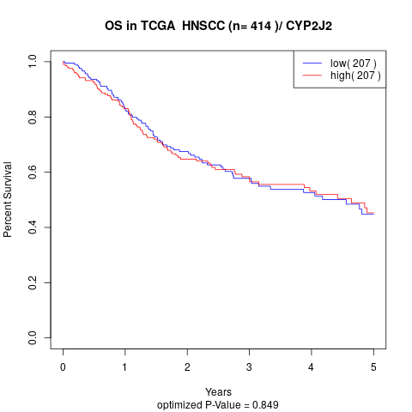

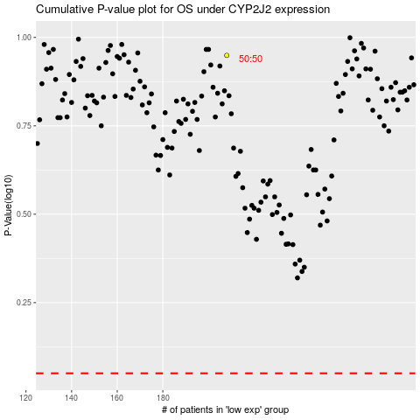

 |  |  |  |  |  | cases_OS | p_OS | rank | exp
 |  |  |  |  |  |  | cases_RFS | p_RFS | rank | exp

