CYP2R1 _multivariate
Reported by Tex Li-Hsing Chi. tex@gate.sinica.edu.tw 2019-08-20

Table 2. The clinicopathological features of HNSCC cohort and CYP2R1 expression. (Chi square test)
Cutoff at -0.195 (49.8%)
 |  | CYP2R1 expression |  | CYP2R1 expression |  | (Optimised)
 | Features | Low | (%) | High | (%) | Case no | P-value | Remark | Matthews
Gender | Female | 147 | 35.4 | 159 | 38.3 | 415 | 0.2523 | 0 | 0
2 | Male | 60 | 14.5 | 49 | 11.8
Age at diagnosis | <=65y | 132 | 31.8 | 142 | 34.2 | 415 | 0.3874 | 0 | 0
4 | >65y | 75 | 18.1 | 66 | 15.9
Clinical T Status | T1+T2 | 77 | 18.6 | 72 | 17.3 | 415 | 0.6556 | 0 | 0
6 | T3+T4 | 130 | 31.3 | 136 | 32.8
Clinical N Status | N0 | 98 | 23.6 | 118 | 28.4 | 415 | 0.0694 | 0 | 0
8 | N1-3 | 109 | 26.3 | 90 | 21.7
Clinical M Status | M0 | 207 | 49.9 | 205 | 49.4 | 415 | 0.2482 | 0 | 0
10 | M1 | 0 | 0 | 3 | 0.7
Clinical Stage | Stage I+II | 54 | 13 | 48 | 11.6 | 415 | 0.5498 | 0 | 0
12 | Stage III+IV | 153 | 36.9 | 160 | 38.6
Surgical Margin status | Negative | 164 | 39.5 | 154 | 37.1 | 415 | 0.2462 | 0 | 0
14 | Positive | 43 | 10.4 | 54 | 13
Tobacco Exposure | Low | 85 | 20.5 | 76 | 18.3 | 415 | 0.3655 | 0 | 0
16 | High | 122 | 29.4 | 132 | 31.8

Table 3. Univariate/Multivariate Cox's proportional hazards regression analyses on OS time of CYP2R1 gene expression in HNSCC

 |  | Univariate |  |  |  | Multivariate
 | Features | HR | CI95%(L) | CI95%(H) | P-value | HR | CI95%(L) | CI95%(H) | P-value
1 | Female | 1 |  |  |  | 1
Gender | Male | 1.157 | 0.843 | 1.587 | 0.367 | 1.203 | 0.86 | 1.681 | 0.28
11 | <=65y | 1 |  |  |  | 1
Age at diagnosis | >65y | 1.329 | 0.99 | 1.784 | 0.058 | 1.376 | 1.01 | 1.875 | 0.043
12 | T1+T2 | 1 |  |  |  | 1
Clinical T Status | T3+T4 | 1.409 | 1.028 | 1.931 | 0.033 | 2.188 | 1.157 | 4.139 | 0.016
13 | N0 | 1 |  |  |  | 1
Clinical N Status | N1-3 | 1.185 | 0.89 | 1.577 | 0.246 | 1.21 | 0.842 | 1.738 | 0.302
14 | M0 | 1 |  |  |  | 1
Clinical M Status | M1 | 4.097 | 1.009 | 16.644 | 0.049 | 9.975 | 2.157 | 46.13 | 0.003
15 | Stage I+II | 1 |  |  |  | 1
Clinical Stage | Stage III+IV | 1.245 | 0.882 | 1.759 | 0.213 | 0.519 | 0.241 | 1.117 | 0.094
16 | Negative | 1 |  |  |  | 1
Surgical Margin status | Positive | 1.591 | 1.155 | 2.191 | 0.004 | 1.7 | 1.226 | 2.357 | 0.001
17 | Low | 1 |  |  |  | 1
Tobacco Exposure | High | 1.364 | 1.008 | 1.844 | 0.044 | 1.469 | 1.064 | 2.029 | 0.02
18 | Low | 1 |  |  |  | 1
RNAseq(z-score) | High | 0.937 | 0.704 | 1.248 | 0.657 | 0.896 | 0.665 | 1.208 | 0.473

Table 4. Univariate/Multivariate Cox's proportional hazards regression analyses on RFS time of CYP2R1 gene expression in HNSCC

 |  | Univariate |  |  |  | Multivariate
 | Features | HR | CI95%(L) | CI95%(H) | P-value | HR | CI95%(L) | CI95%(H) | P-value
1 | Female | 1 |  |  |  | 1
Gender | Male | 1.157 | 0.843 | 1.587 | 0.367 | 1.203 | 0.86 | 1.681 | 0.28
11 | <=65y | 1 |  |  |  | 1
Age at diagnosis | >65y | 1.329 | 0.99 | 1.784 | 0.058 | 1.376 | 1.01 | 1.875 | 0.043
12 | T1+T2 | 1 |  |  |  | 1
Clinical T Status | T3+T4 | 1.409 | 1.028 | 1.931 | 0.033 | 2.188 | 1.157 | 4.139 | 0.016
13 | N0 | 1 |  |  |  | 1
Clinical N Status | N1-3 | 1.185 | 0.89 | 1.577 | 0.246 | 1.21 | 0.842 | 1.738 | 0.302
14 | M0 | 1 |  |  |  | 1
Clinical M Status | M1 | 4.097 | 1.009 | 16.644 | 0.049 | 9.975 | 2.157 | 46.13 | 0.003
15 | Stage I+II | 1 |  |  |  | 1
Clinical Stage | Stage III+IV | 1.245 | 0.882 | 1.759 | 0.213 | 0.519 | 0.241 | 1.117 | 0.094
16 | Negative | 1 |  |  |  | 1
Surgical Margin status | Positive | 1.591 | 1.155 | 2.191 | 0.004 | 1.7 | 1.226 | 2.357 | 0.001
17 | Low | 1 |  |  |  | 1
Tobacco Exposure | High | 1.364 | 1.008 | 1.844 | 0.044 | 1.469 | 1.064 | 2.029 | 0.02
18 | Low | 1 |  |  |  | 1
RNAseq(z-score) | High | 0.937 | 0.704 | 1.248 | 0.657 | 0.896 | 0.665 | 1.208 | 0.473

Kaplan-Meier survival estimate: Cutoff at -0.195 (49.8%)



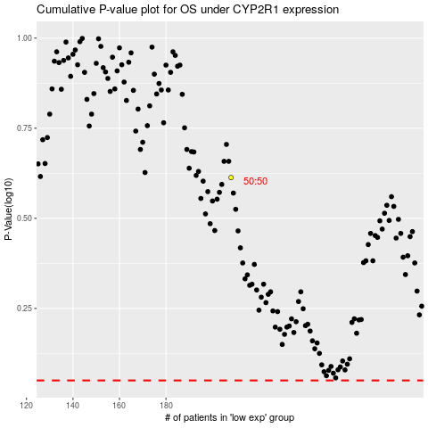

 |  |  |  |  |  | cases_OS | p_OS | rank | exp
 |  |  |  |  |  |  | cases_RFS | p_RFS | rank | exp

