CYP2S1 _multivariate
Reported by Tex Li-Hsing Chi. tex@gate.sinica.edu.tw 2019-08-20

Table 2. The clinicopathological features of HNSCC cohort and CYP2S1 expression. (Chi square test)
Cutoff at -0.372 (50.0%)
 |  | CYP2S1 expression |  | CYP2S1 expression |  | (Optimised)
 | Features | Low | (%) | High | (%) | Case no | P-value | Remark | Matthews
Gender | Female | 140 | 33.7 | 166 | 40 | 415 | 0.0068 | 1 | 0
2 | Male | 67 | 16.1 | 42 | 10.1
Age at diagnosis | <=65y | 130 | 31.3 | 144 | 34.7 | 415 | 0.2009 | 0 | 0
4 | >65y | 77 | 18.6 | 64 | 15.4
Clinical T Status | T1+T2 | 81 | 19.5 | 68 | 16.4 | 415 | 0.206 | 0 | 0
6 | T3+T4 | 126 | 30.4 | 140 | 33.7
Clinical N Status | N0 | 115 | 27.7 | 101 | 24.3 | 415 | 0.184 | 1 | 0
8 | N1-3 | 92 | 22.2 | 107 | 25.8
Clinical M Status | M0 | 207 | 49.9 | 205 | 49.4 | 415 | 0.2482 | 0 | 0
10 | M1 | 0 | 0 | 3 | 0.7
Clinical Stage | Stage I+II | 60 | 14.5 | 42 | 10.1 | 415 | 0.0493 | 1 | 0
12 | Stage III+IV | 147 | 35.4 | 166 | 40
Surgical Margin status | Negative | 154 | 37.1 | 164 | 39.5 | 415 | 0.2984 | 0 | 0
14 | Positive | 53 | 12.8 | 44 | 10.6
Tobacco Exposure | Low | 100 | 24.1 | 61 | 14.7 | 415 | 1e-04 | 1 | 0
16 | High | 107 | 25.8 | 147 | 35.4

Table 3. Univariate/Multivariate Cox's proportional hazards regression analyses on OS time of CYP2S1 gene expression in HNSCC

 |  | Univariate |  |  |  | Multivariate
 | Features | HR | CI95%(L) | CI95%(H) | P-value | HR | CI95%(L) | CI95%(H) | P-value
1 | Female | 1 |  |  |  | 1
Gender | Male | 1.157 | 0.843 | 1.587 | 0.367 | 1.184 | 0.847 | 1.657 | 0.323
11 | <=65y | 1 |  |  |  | 1
Age at diagnosis | >65y | 1.329 | 0.99 | 1.784 | 0.058 | 1.384 | 1.018 | 1.882 | 0.038
12 | T1+T2 | 1 |  |  |  | 1
Clinical T Status | T3+T4 | 1.409 | 1.028 | 1.931 | 0.033 | 2.208 | 1.167 | 4.175 | 0.015
13 | N0 | 1 |  |  |  | 1
Clinical N Status | N1-3 | 1.185 | 0.89 | 1.577 | 0.246 | 1.254 | 0.878 | 1.79 | 0.213
14 | M0 | 1 |  |  |  | 1
Clinical M Status | M1 | 4.097 | 1.009 | 16.644 | 0.049 | 10.065 | 2.179 | 46.481 | 0.003
15 | Stage I+II | 1 |  |  |  | 1
Clinical Stage | Stage III+IV | 1.245 | 0.882 | 1.759 | 0.213 | 0.506 | 0.236 | 1.087 | 0.081
16 | Negative | 1 |  |  |  | 1
Surgical Margin status | Positive | 1.591 | 1.155 | 2.191 | 0.004 | 1.645 | 1.188 | 2.277 | 0.003
17 | Low | 1 |  |  |  | 1
Tobacco Exposure | High | 1.364 | 1.008 | 1.844 | 0.044 | 1.515 | 1.086 | 2.114 | 0.014
18 | Low | 1 |  |  |  | 1
RNAseq(z-score) | High | 0.93 | 0.698 | 1.239 | 0.619 | 0.864 | 0.634 | 1.177 | 0.354

Table 4. Univariate/Multivariate Cox's proportional hazards regression analyses on RFS time of CYP2S1 gene expression in HNSCC

 |  | Univariate |  |  |  | Multivariate
 | Features | HR | CI95%(L) | CI95%(H) | P-value | HR | CI95%(L) | CI95%(H) | P-value
1 | Female | 1 |  |  |  | 1
Gender | Male | 1.157 | 0.843 | 1.587 | 0.367 | 1.184 | 0.847 | 1.657 | 0.323
11 | <=65y | 1 |  |  |  | 1
Age at diagnosis | >65y | 1.329 | 0.99 | 1.784 | 0.058 | 1.384 | 1.018 | 1.882 | 0.038
12 | T1+T2 | 1 |  |  |  | 1
Clinical T Status | T3+T4 | 1.409 | 1.028 | 1.931 | 0.033 | 2.208 | 1.167 | 4.175 | 0.015
13 | N0 | 1 |  |  |  | 1
Clinical N Status | N1-3 | 1.185 | 0.89 | 1.577 | 0.246 | 1.254 | 0.878 | 1.79 | 0.213
14 | M0 | 1 |  |  |  | 1
Clinical M Status | M1 | 4.097 | 1.009 | 16.644 | 0.049 | 10.065 | 2.179 | 46.481 | 0.003
15 | Stage I+II | 1 |  |  |  | 1
Clinical Stage | Stage III+IV | 1.245 | 0.882 | 1.759 | 0.213 | 0.506 | 0.236 | 1.087 | 0.081
16 | Negative | 1 |  |  |  | 1
Surgical Margin status | Positive | 1.591 | 1.155 | 2.191 | 0.004 | 1.645 | 1.188 | 2.277 | 0.003
17 | Low | 1 |  |  |  | 1
Tobacco Exposure | High | 1.364 | 1.008 | 1.844 | 0.044 | 1.515 | 1.086 | 2.114 | 0.014
18 | Low | 1 |  |  |  | 1
RNAseq(z-score) | High | 0.93 | 0.698 | 1.239 | 0.619 | 0.864 | 0.634 | 1.177 | 0.354

Kaplan-Meier survival estimate: Cutoff at -0.372 (50.0%)



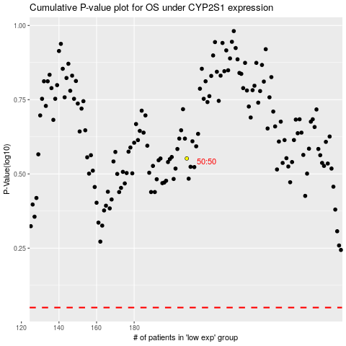

 |  |  |  |  |  | cases_OS | p_OS | rank | exp
 |  |  |  |  |  |  | cases_RFS | p_RFS | rank | exp

