CYP2U1 _multivariate
Reported by Tex Li-Hsing Chi. tex@gate.sinica.edu.tw 2019-08-20

Table 2. The clinicopathological features of HNSCC cohort and CYP2U1 expression. (Chi square test)
Cutoff at -0.299 (49.8%)
 |  | CYP2U1 expression |  | CYP2U1 expression |  | (Optimised)
 | Features | Low | (%) | High | (%) | Case no | P-value | Remark | Matthews
Gender | Female | 155 | 37.3 | 151 | 36.4 | 415 | 0.6768 | 0 | 0
2 | Male | 52 | 12.5 | 57 | 13.7
Age at diagnosis | <=65y | 131 | 31.6 | 143 | 34.5 | 415 | 0.2839 | 0 | 0
4 | >65y | 76 | 18.3 | 65 | 15.7
Clinical T Status | T1+T2 | 67 | 16.1 | 82 | 19.8 | 415 | 0.1628 | 0 | 0
6 | T3+T4 | 140 | 33.7 | 126 | 30.4
Clinical N Status | N0 | 106 | 25.5 | 110 | 26.5 | 415 | 0.8075 | 0 | 0
8 | N1-3 | 101 | 24.3 | 98 | 23.6
Clinical M Status | M0 | 204 | 49.2 | 208 | 50.1 | 415 | 0.1232 | 0 | 0
10 | M1 | 3 | 0.7 | 0 | 0
Clinical Stage | Stage I+II | 46 | 11.1 | 56 | 13.5 | 415 | 0.3182 | 0 | 0
12 | Stage III+IV | 161 | 38.8 | 152 | 36.6
Surgical Margin status | Negative | 161 | 38.8 | 157 | 37.8 | 415 | 0.6429 | 0 | 0
14 | Positive | 46 | 11.1 | 51 | 12.3
Tobacco Exposure | Low | 86 | 20.7 | 75 | 18.1 | 415 | 0.2687 | 0 | 0
16 | High | 121 | 29.2 | 133 | 32

Table 3. Univariate/Multivariate Cox's proportional hazards regression analyses on OS time of CYP2U1 gene expression in HNSCC

 |  | Univariate |  |  |  | Multivariate
 | Features | HR | CI95%(L) | CI95%(H) | P-value | HR | CI95%(L) | CI95%(H) | P-value
1 | Female | 1 |  |  |  | 1
Gender | Male | 1.157 | 0.843 | 1.587 | 0.367 | 1.224 | 0.874 | 1.713 | 0.24
11 | <=65y | 1 |  |  |  | 1
Age at diagnosis | >65y | 1.329 | 0.99 | 1.784 | 0.058 | 1.376 | 1.011 | 1.872 | 0.043
12 | T1+T2 | 1 |  |  |  | 1
Clinical T Status | T3+T4 | 1.409 | 1.028 | 1.931 | 0.033 | 2.158 | 1.141 | 4.084 | 0.018
13 | N0 | 1 |  |  |  | 1
Clinical N Status | N1-3 | 1.185 | 0.89 | 1.577 | 0.246 | 1.237 | 0.867 | 1.765 | 0.24
14 | M0 | 1 |  |  |  | 1
Clinical M Status | M1 | 4.097 | 1.009 | 16.644 | 0.049 | 8.631 | 1.868 | 39.874 | 0.006
15 | Stage I+II | 1 |  |  |  | 1
Clinical Stage | Stage III+IV | 1.245 | 0.882 | 1.759 | 0.213 | 0.508 | 0.237 | 1.089 | 0.082
16 | Negative | 1 |  |  |  | 1
Surgical Margin status | Positive | 1.591 | 1.155 | 2.191 | 0.004 | 1.672 | 1.21 | 2.309 | 0.002
17 | Low | 1 |  |  |  | 1
Tobacco Exposure | High | 1.364 | 1.008 | 1.844 | 0.044 | 1.477 | 1.069 | 2.04 | 0.018
18 | Low | 1 |  |  |  | 1
RNAseq(z-score) | High | 0.824 | 0.618 | 1.098 | 0.186 | 0.855 | 0.638 | 1.146 | 0.295

Table 4. Univariate/Multivariate Cox's proportional hazards regression analyses on RFS time of CYP2U1 gene expression in HNSCC

 |  | Univariate |  |  |  | Multivariate
 | Features | HR | CI95%(L) | CI95%(H) | P-value | HR | CI95%(L) | CI95%(H) | P-value
1 | Female | 1 |  |  |  | 1
Gender | Male | 1.157 | 0.843 | 1.587 | 0.367 | 1.224 | 0.874 | 1.713 | 0.24
11 | <=65y | 1 |  |  |  | 1
Age at diagnosis | >65y | 1.329 | 0.99 | 1.784 | 0.058 | 1.376 | 1.011 | 1.872 | 0.043
12 | T1+T2 | 1 |  |  |  | 1
Clinical T Status | T3+T4 | 1.409 | 1.028 | 1.931 | 0.033 | 2.158 | 1.141 | 4.084 | 0.018
13 | N0 | 1 |  |  |  | 1
Clinical N Status | N1-3 | 1.185 | 0.89 | 1.577 | 0.246 | 1.237 | 0.867 | 1.765 | 0.24
14 | M0 | 1 |  |  |  | 1
Clinical M Status | M1 | 4.097 | 1.009 | 16.644 | 0.049 | 8.631 | 1.868 | 39.874 | 0.006
15 | Stage I+II | 1 |  |  |  | 1
Clinical Stage | Stage III+IV | 1.245 | 0.882 | 1.759 | 0.213 | 0.508 | 0.237 | 1.089 | 0.082
16 | Negative | 1 |  |  |  | 1
Surgical Margin status | Positive | 1.591 | 1.155 | 2.191 | 0.004 | 1.672 | 1.21 | 2.309 | 0.002
17 | Low | 1 |  |  |  | 1
Tobacco Exposure | High | 1.364 | 1.008 | 1.844 | 0.044 | 1.477 | 1.069 | 2.04 | 0.018
18 | Low | 1 |  |  |  | 1
RNAseq(z-score) | High | 0.824 | 0.618 | 1.098 | 0.186 | 0.855 | 0.638 | 1.146 | 0.295

Kaplan-Meier survival estimate: Cutoff at -0.299 (49.8%)



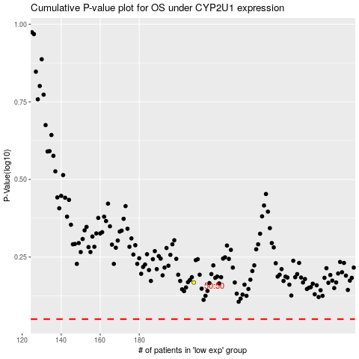

 |  |  |  |  |  | cases_OS | p_OS | rank | exp
 |  |  |  |  |  |  | cases_RFS | p_RFS | rank | exp

