CYP2W1 _multivariate
Reported by Tex Li-Hsing Chi. tex@gate.sinica.edu.tw 2019-08-20

Table 2. The clinicopathological features of HNSCC cohort and CYP2W1 expression. (Chi square test)
Cutoff at -0.263 (49.8%)
 |  | CYP2W1 expression |  | CYP2W1 expression |  | (Optimised)
 | Features | Low | (%) | High | (%) | Case no | P-value | Remark | Matthews
Gender | Female | 148 | 35.7 | 158 | 38.1 | 415 | 0.3567 | 0 | 0
2 | Male | 59 | 14.2 | 50 | 12
Age at diagnosis | <=65y | 133 | 32 | 141 | 34 | 415 | 0.5111 | 0 | 0
4 | >65y | 74 | 17.8 | 67 | 16.1
Clinical T Status | T1+T2 | 87 | 21 | 62 | 14.9 | 415 | 0.0127 | 1 | 0
6 | T3+T4 | 120 | 28.9 | 146 | 35.2
Clinical N Status | N0 | 108 | 26 | 108 | 26 | 415 | 1 | 0 | 0
8 | N1-3 | 99 | 23.9 | 100 | 24.1
Clinical M Status | M0 | 204 | 49.2 | 208 | 50.1 | 415 | 0.1232 | 0 | 0
10 | M1 | 3 | 0.7 | 0 | 0
Clinical Stage | Stage I+II | 63 | 15.2 | 39 | 9.4 | 415 | 0.008 | 1 | 0
12 | Stage III+IV | 144 | 34.7 | 169 | 40.7
Surgical Margin status | Negative | 158 | 38.1 | 160 | 38.6 | 415 | 0.9081 | 0 | 0
14 | Positive | 49 | 11.8 | 48 | 11.6
Tobacco Exposure | Low | 88 | 21.2 | 73 | 17.6 | 415 | 0.1314 | 0 | 0
16 | High | 119 | 28.7 | 135 | 32.5

Table 3. Univariate/Multivariate Cox's proportional hazards regression analyses on OS time of CYP2W1 gene expression in HNSCC

 |  | Univariate |  |  |  | Multivariate
 | Features | HR | CI95%(L) | CI95%(H) | P-value | HR | CI95%(L) | CI95%(H) | P-value
1 | Female | 1 |  |  |  | 1
Gender | Male | 1.157 | 0.843 | 1.587 | 0.367 | 1.204 | 0.863 | 1.68 | 0.274
11 | <=65y | 1 |  |  |  | 1
Age at diagnosis | >65y | 1.329 | 0.99 | 1.784 | 0.058 | 1.377 | 1.013 | 1.874 | 0.041
12 | T1+T2 | 1 |  |  |  | 1
Clinical T Status | T3+T4 | 1.409 | 1.028 | 1.931 | 0.033 | 2.228 | 1.178 | 4.212 | 0.014
13 | N0 | 1 |  |  |  | 1
Clinical N Status | N1-3 | 1.185 | 0.89 | 1.577 | 0.246 | 1.225 | 0.858 | 1.747 | 0.264
14 | M0 | 1 |  |  |  | 1
Clinical M Status | M1 | 4.097 | 1.009 | 16.644 | 0.049 | 8.474 | 1.837 | 39.087 | 0.006
15 | Stage I+II | 1 |  |  |  | 1
Clinical Stage | Stage III+IV | 1.245 | 0.882 | 1.759 | 0.213 | 0.538 | 0.249 | 1.16 | 0.114
16 | Negative | 1 |  |  |  | 1
Surgical Margin status | Positive | 1.591 | 1.155 | 2.191 | 0.004 | 1.654 | 1.197 | 2.286 | 0.002
17 | Low | 1 |  |  |  | 1
Tobacco Exposure | High | 1.364 | 1.008 | 1.844 | 0.044 | 1.455 | 1.057 | 2.004 | 0.022
18 | Low | 1 |  |  |  | 1
RNAseq(z-score) | High | 0.824 | 0.618 | 1.1 | 0.189 | 0.806 | 0.597 | 1.088 | 0.16

Table 4. Univariate/Multivariate Cox's proportional hazards regression analyses on RFS time of CYP2W1 gene expression in HNSCC

 |  | Univariate |  |  |  | Multivariate
 | Features | HR | CI95%(L) | CI95%(H) | P-value | HR | CI95%(L) | CI95%(H) | P-value
1 | Female | 1 |  |  |  | 1
Gender | Male | 1.157 | 0.843 | 1.587 | 0.367 | 1.204 | 0.863 | 1.68 | 0.274
11 | <=65y | 1 |  |  |  | 1
Age at diagnosis | >65y | 1.329 | 0.99 | 1.784 | 0.058 | 1.377 | 1.013 | 1.874 | 0.041
12 | T1+T2 | 1 |  |  |  | 1
Clinical T Status | T3+T4 | 1.409 | 1.028 | 1.931 | 0.033 | 2.228 | 1.178 | 4.212 | 0.014
13 | N0 | 1 |  |  |  | 1
Clinical N Status | N1-3 | 1.185 | 0.89 | 1.577 | 0.246 | 1.225 | 0.858 | 1.747 | 0.264
14 | M0 | 1 |  |  |  | 1
Clinical M Status | M1 | 4.097 | 1.009 | 16.644 | 0.049 | 8.474 | 1.837 | 39.087 | 0.006
15 | Stage I+II | 1 |  |  |  | 1
Clinical Stage | Stage III+IV | 1.245 | 0.882 | 1.759 | 0.213 | 0.538 | 0.249 | 1.16 | 0.114
16 | Negative | 1 |  |  |  | 1
Surgical Margin status | Positive | 1.591 | 1.155 | 2.191 | 0.004 | 1.654 | 1.197 | 2.286 | 0.002
17 | Low | 1 |  |  |  | 1
Tobacco Exposure | High | 1.364 | 1.008 | 1.844 | 0.044 | 1.455 | 1.057 | 2.004 | 0.022
18 | Low | 1 |  |  |  | 1
RNAseq(z-score) | High | 0.824 | 0.618 | 1.1 | 0.189 | 0.806 | 0.597 | 1.088 | 0.16

Kaplan-Meier survival estimate: Cutoff at -0.263 (49.8%)



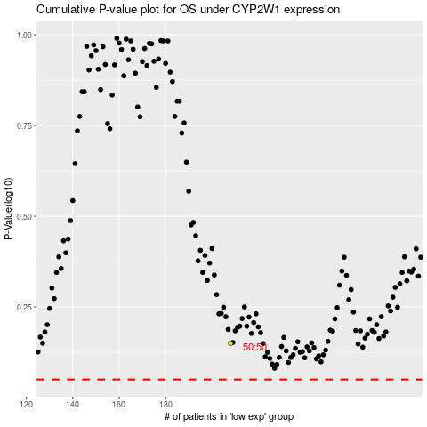

 |  |  |  |  |  | cases_OS | p_OS | rank | exp
 |  |  |  |  |  |  | cases_RFS | p_RFS | rank | exp

