CYP39A1 _multivariate
Reported by Tex Li-Hsing Chi. tex@gate.sinica.edu.tw 2019-08-20

Table 2. The clinicopathological features of HNSCC cohort and CYP39A1 expression. (Chi square test)
Cutoff at -0.29 (49.8%)
 |  | CYP39A1 expression |  | CYP39A1 expression |  | (Optimised)
 | Features | Low | (%) | High | (%) | Case no | P-value | Remark | Matthews
Gender | Female | 161 | 38.8 | 145 | 34.9 | 415 | 0.0792 | 0 | 0
2 | Male | 46 | 11.1 | 63 | 15.2
Age at diagnosis | <=65y | 139 | 33.5 | 135 | 32.5 | 415 | 0.7044 | 0 | 0
4 | >65y | 68 | 16.4 | 73 | 17.6
Clinical T Status | T1+T2 | 68 | 16.4 | 81 | 19.5 | 415 | 0.2336 | 0 | 0
6 | T3+T4 | 139 | 33.5 | 127 | 30.6
Clinical N Status | N0 | 97 | 23.4 | 119 | 28.7 | 415 | 0.0442 | 1 | 0
8 | N1-3 | 110 | 26.5 | 89 | 21.4
Clinical M Status | M0 | 206 | 49.6 | 206 | 49.6 | 415 | 1 | 0 | 0
10 | M1 | 1 | 0.2 | 2 | 0.5
Clinical Stage | Stage I+II | 39 | 9.4 | 63 | 15.2 | 415 | 0.0095 | 1 | 0
12 | Stage III+IV | 168 | 40.5 | 145 | 34.9
Surgical Margin status | Negative | 151 | 36.4 | 167 | 40.2 | 415 | 0.0828 | 0 | 0
14 | Positive | 56 | 13.5 | 41 | 9.9
Tobacco Exposure | Low | 64 | 15.4 | 97 | 23.4 | 415 | 0.0012 | 1 | 0
16 | High | 143 | 34.5 | 111 | 26.7

Table 3. Univariate/Multivariate Cox's proportional hazards regression analyses on OS time of CYP39A1 gene expression in HNSCC

 |  | Univariate |  |  |  | Multivariate
 | Features | HR | CI95%(L) | CI95%(H) | P-value | HR | CI95%(L) | CI95%(H) | P-value
1 | Female | 1 |  |  |  | 1
Gender | Male | 1.157 | 0.843 | 1.587 | 0.367 | 1.209 | 0.864 | 1.692 | 0.269
11 | <=65y | 1 |  |  |  | 1
Age at diagnosis | >65y | 1.329 | 0.99 | 1.784 | 0.058 | 1.391 | 1.023 | 1.891 | 0.035
12 | T1+T2 | 1 |  |  |  | 1
Clinical T Status | T3+T4 | 1.409 | 1.028 | 1.931 | 0.033 | 2.214 | 1.17 | 4.19 | 0.015
13 | N0 | 1 |  |  |  | 1
Clinical N Status | N1-3 | 1.185 | 0.89 | 1.577 | 0.246 | 1.235 | 0.865 | 1.765 | 0.246
14 | M0 | 1 |  |  |  | 1
Clinical M Status | M1 | 4.097 | 1.009 | 16.644 | 0.049 | 9.643 | 2.087 | 44.553 | 0.004
15 | Stage I+II | 1 |  |  |  | 1
Clinical Stage | Stage III+IV | 1.245 | 0.882 | 1.759 | 0.213 | 0.498 | 0.231 | 1.073 | 0.075
16 | Negative | 1 |  |  |  | 1
Surgical Margin status | Positive | 1.591 | 1.155 | 2.191 | 0.004 | 1.67 | 1.208 | 2.308 | 0.002
17 | Low | 1 |  |  |  | 1
Tobacco Exposure | High | 1.364 | 1.008 | 1.844 | 0.044 | 1.448 | 1.05 | 1.997 | 0.024
18 | Low | 1 |  |  |  | 1
RNAseq(z-score) | High | 0.925 | 0.694 | 1.232 | 0.592 | 0.953 | 0.706 | 1.285 | 0.751

Table 4. Univariate/Multivariate Cox's proportional hazards regression analyses on RFS time of CYP39A1 gene expression in HNSCC

 |  | Univariate |  |  |  | Multivariate
 | Features | HR | CI95%(L) | CI95%(H) | P-value | HR | CI95%(L) | CI95%(H) | P-value
1 | Female | 1 |  |  |  | 1
Gender | Male | 1.157 | 0.843 | 1.587 | 0.367 | 1.209 | 0.864 | 1.692 | 0.269
11 | <=65y | 1 |  |  |  | 1
Age at diagnosis | >65y | 1.329 | 0.99 | 1.784 | 0.058 | 1.391 | 1.023 | 1.891 | 0.035
12 | T1+T2 | 1 |  |  |  | 1
Clinical T Status | T3+T4 | 1.409 | 1.028 | 1.931 | 0.033 | 2.214 | 1.17 | 4.19 | 0.015
13 | N0 | 1 |  |  |  | 1
Clinical N Status | N1-3 | 1.185 | 0.89 | 1.577 | 0.246 | 1.235 | 0.865 | 1.765 | 0.246
14 | M0 | 1 |  |  |  | 1
Clinical M Status | M1 | 4.097 | 1.009 | 16.644 | 0.049 | 9.643 | 2.087 | 44.553 | 0.004
15 | Stage I+II | 1 |  |  |  | 1
Clinical Stage | Stage III+IV | 1.245 | 0.882 | 1.759 | 0.213 | 0.498 | 0.231 | 1.073 | 0.075
16 | Negative | 1 |  |  |  | 1
Surgical Margin status | Positive | 1.591 | 1.155 | 2.191 | 0.004 | 1.67 | 1.208 | 2.308 | 0.002
17 | Low | 1 |  |  |  | 1
Tobacco Exposure | High | 1.364 | 1.008 | 1.844 | 0.044 | 1.448 | 1.05 | 1.997 | 0.024
18 | Low | 1 |  |  |  | 1
RNAseq(z-score) | High | 0.925 | 0.694 | 1.232 | 0.592 | 0.953 | 0.706 | 1.285 | 0.751

Kaplan-Meier survival estimate: Cutoff at -0.29 (49.8%)

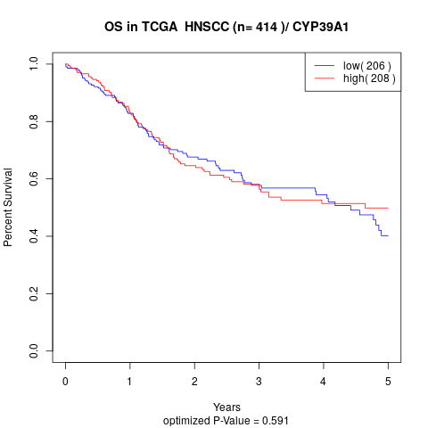

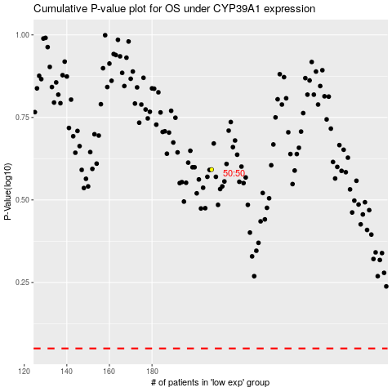

 |  |  |  |  |  | cases_OS | p_OS | rank | exp
 |  |  |  |  |  |  | cases_RFS | p_RFS | rank | exp

