CYP46A1 _multivariate
Reported by Tex Li-Hsing Chi. tex@gate.sinica.edu.tw 2019-08-20

Table 2. The clinicopathological features of HNSCC cohort and CYP46A1 expression. (Chi square test)
Cutoff at -0.265 (49.8%)
 |  | CYP46A1 expression |  | CYP46A1 expression |  | (Optimised)
 | Features | Low | (%) | High | (%) | Case no | P-value | Remark | Matthews
Gender | Female | 145 | 34.9 | 161 | 38.8 | 415 | 0.1116 | 0 | 0
2 | Male | 62 | 14.9 | 47 | 11.3
Age at diagnosis | <=65y | 132 | 31.8 | 142 | 34.2 | 415 | 0.3874 | 0 | 0
4 | >65y | 75 | 18.1 | 66 | 15.9
Clinical T Status | T1+T2 | 75 | 18.1 | 74 | 17.8 | 415 | 0.9707 | 0 | 0
6 | T3+T4 | 132 | 31.8 | 134 | 32.3
Clinical N Status | N0 | 113 | 27.2 | 103 | 24.8 | 415 | 0.3495 | 1 | 0
8 | N1-3 | 94 | 22.7 | 105 | 25.3
Clinical M Status | M0 | 205 | 49.4 | 207 | 49.9 | 415 | 0.6232 | 0 | 0
10 | M1 | 2 | 0.5 | 1 | 0.2
Clinical Stage | Stage I+II | 49 | 11.8 | 53 | 12.8 | 415 | 0.7535 | 0 | 0
12 | Stage III+IV | 158 | 38.1 | 155 | 37.3
Surgical Margin status | Negative | 156 | 37.6 | 162 | 39 | 415 | 0.5636 | 0 | 0
14 | Positive | 51 | 12.3 | 46 | 11.1
Tobacco Exposure | Low | 82 | 19.8 | 79 | 19 | 415 | 0.763 | 0 | 0
16 | High | 125 | 30.1 | 129 | 31.1

Table 3. Univariate/Multivariate Cox's proportional hazards regression analyses on OS time of CYP46A1 gene expression in HNSCC

 |  | Univariate |  |  |  | Multivariate
 | Features | HR | CI95%(L) | CI95%(H) | P-value | HR | CI95%(L) | CI95%(H) | P-value
1 | Female | 1 |  |  |  | 1
Gender | Male | 1.157 | 0.843 | 1.587 | 0.367 | 1.197 | 0.856 | 1.673 | 0.293
11 | <=65y | 1 |  |  |  | 1
Age at diagnosis | >65y | 1.329 | 0.99 | 1.784 | 0.058 | 1.392 | 1.024 | 1.892 | 0.035
12 | T1+T2 | 1 |  |  |  | 1
Clinical T Status | T3+T4 | 1.409 | 1.028 | 1.931 | 0.033 | 2.236 | 1.178 | 4.244 | 0.014
13 | N0 | 1 |  |  |  | 1
Clinical N Status | N1-3 | 1.185 | 0.89 | 1.577 | 0.246 | 1.25 | 0.875 | 1.787 | 0.22
14 | M0 | 1 |  |  |  | 1
Clinical M Status | M1 | 4.097 | 1.009 | 16.644 | 0.049 | 9.452 | 2.061 | 43.337 | 0.004
15 | Stage I+II | 1 |  |  |  | 1
Clinical Stage | Stage III+IV | 1.245 | 0.882 | 1.759 | 0.213 | 0.496 | 0.23 | 1.069 | 0.073
16 | Negative | 1 |  |  |  | 1
Surgical Margin status | Positive | 1.591 | 1.155 | 2.191 | 0.004 | 1.666 | 1.205 | 2.303 | 0.002
17 | Low | 1 |  |  |  | 1
Tobacco Exposure | High | 1.364 | 1.008 | 1.844 | 0.044 | 1.453 | 1.054 | 2.002 | 0.022
18 | Low | 1 |  |  |  | 1
RNAseq(z-score) | High | 0.949 | 0.712 | 1.264 | 0.72 | 0.942 | 0.704 | 1.26 | 0.686

Table 4. Univariate/Multivariate Cox's proportional hazards regression analyses on RFS time of CYP46A1 gene expression in HNSCC

 |  | Univariate |  |  |  | Multivariate
 | Features | HR | CI95%(L) | CI95%(H) | P-value | HR | CI95%(L) | CI95%(H) | P-value
1 | Female | 1 |  |  |  | 1
Gender | Male | 1.157 | 0.843 | 1.587 | 0.367 | 1.197 | 0.856 | 1.673 | 0.293
11 | <=65y | 1 |  |  |  | 1
Age at diagnosis | >65y | 1.329 | 0.99 | 1.784 | 0.058 | 1.392 | 1.024 | 1.892 | 0.035
12 | T1+T2 | 1 |  |  |  | 1
Clinical T Status | T3+T4 | 1.409 | 1.028 | 1.931 | 0.033 | 2.236 | 1.178 | 4.244 | 0.014
13 | N0 | 1 |  |  |  | 1
Clinical N Status | N1-3 | 1.185 | 0.89 | 1.577 | 0.246 | 1.25 | 0.875 | 1.787 | 0.22
14 | M0 | 1 |  |  |  | 1
Clinical M Status | M1 | 4.097 | 1.009 | 16.644 | 0.049 | 9.452 | 2.061 | 43.337 | 0.004
15 | Stage I+II | 1 |  |  |  | 1
Clinical Stage | Stage III+IV | 1.245 | 0.882 | 1.759 | 0.213 | 0.496 | 0.23 | 1.069 | 0.073
16 | Negative | 1 |  |  |  | 1
Surgical Margin status | Positive | 1.591 | 1.155 | 2.191 | 0.004 | 1.666 | 1.205 | 2.303 | 0.002
17 | Low | 1 |  |  |  | 1
Tobacco Exposure | High | 1.364 | 1.008 | 1.844 | 0.044 | 1.453 | 1.054 | 2.002 | 0.022
18 | Low | 1 |  |  |  | 1
RNAseq(z-score) | High | 0.949 | 0.712 | 1.264 | 0.72 | 0.942 | 0.704 | 1.26 | 0.686

Kaplan-Meier survival estimate: Cutoff at -0.265 (49.8%)



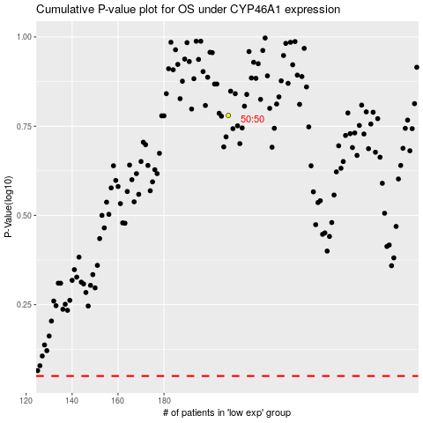

 |  |  |  |  |  | cases_OS | p_OS | rank | exp
 |  |  |  |  |  |  | cases_RFS | p_RFS | rank | exp

