CYP4B1 _multivariate
Reported by Tex Li-Hsing Chi. tex@gate.sinica.edu.tw 2019-08-20

Table 2. The clinicopathological features of HNSCC cohort and CYP4B1 expression. (Chi square test)
Cutoff at -0.293 (50.0%)
 |  | CYP4B1 expression |  | CYP4B1 expression |  | (Optimised)
 | Features | Low | (%) | High | (%) | Case no | P-value | Remark | Matthews
Gender | Female | 155 | 37.3 | 151 | 36.4 | 415 | 0.6768 | 0 | 0
2 | Male | 52 | 12.5 | 57 | 13.7
Age at diagnosis | <=65y | 129 | 31.1 | 145 | 34.9 | 415 | 0.1372 | 0 | 0
4 | >65y | 78 | 18.8 | 63 | 15.2
Clinical T Status | T1+T2 | 72 | 17.3 | 77 | 18.6 | 415 | 0.7095 | 0 | 0
6 | T3+T4 | 135 | 32.5 | 131 | 31.6
Clinical N Status | N0 | 104 | 25.1 | 112 | 27 | 415 | 0.5243 | 0 | 0
8 | N1-3 | 103 | 24.8 | 96 | 23.1
Clinical M Status | M0 | 205 | 49.4 | 207 | 49.9 | 415 | 0.6232 | 0 | 0
10 | M1 | 2 | 0.5 | 1 | 0.2
Clinical Stage | Stage I+II | 51 | 12.3 | 51 | 12.3 | 415 | 1 | 0 | 0
12 | Stage III+IV | 156 | 37.6 | 157 | 37.8
Surgical Margin status | Negative | 163 | 39.3 | 155 | 37.3 | 415 | 0.3537 | 0 | 0
14 | Positive | 44 | 10.6 | 53 | 12.8
Tobacco Exposure | Low | 77 | 18.6 | 84 | 20.2 | 415 | 0.5459 | 0 | 0
16 | High | 130 | 31.3 | 124 | 29.9

Table 3. Univariate/Multivariate Cox's proportional hazards regression analyses on OS time of CYP4B1 gene expression in HNSCC

 |  | Univariate |  |  |  | Multivariate
 | Features | HR | CI95%(L) | CI95%(H) | P-value | HR | CI95%(L) | CI95%(H) | P-value
1 | Female | 1 |  |  |  | 1
Gender | Male | 1.157 | 0.843 | 1.587 | 0.367 | 1.207 | 0.864 | 1.686 | 0.27
11 | <=65y | 1 |  |  |  | 1
Age at diagnosis | >65y | 1.329 | 0.99 | 1.784 | 0.058 | 1.375 | 1.011 | 1.871 | 0.042
12 | T1+T2 | 1 |  |  |  | 1
Clinical T Status | T3+T4 | 1.409 | 1.028 | 1.931 | 0.033 | 2.181 | 1.153 | 4.124 | 0.016
13 | N0 | 1 |  |  |  | 1
Clinical N Status | N1-3 | 1.185 | 0.89 | 1.577 | 0.246 | 1.219 | 0.853 | 1.742 | 0.277
14 | M0 | 1 |  |  |  | 1
Clinical M Status | M1 | 4.097 | 1.009 | 16.644 | 0.049 | 9.228 | 2.012 | 42.319 | 0.004
15 | Stage I+II | 1 |  |  |  | 1
Clinical Stage | Stage III+IV | 1.245 | 0.882 | 1.759 | 0.213 | 0.516 | 0.24 | 1.109 | 0.09
16 | Negative | 1 |  |  |  | 1
Surgical Margin status | Positive | 1.591 | 1.155 | 2.191 | 0.004 | 1.692 | 1.224 | 2.34 | 0.001
17 | Low | 1 |  |  |  | 1
Tobacco Exposure | High | 1.364 | 1.008 | 1.844 | 0.044 | 1.466 | 1.063 | 2.021 | 0.02
18 | Low | 1 |  |  |  | 1
RNAseq(z-score) | High | 0.865 | 0.649 | 1.152 | 0.32 | 0.854 | 0.639 | 1.143 | 0.29

Table 4. Univariate/Multivariate Cox's proportional hazards regression analyses on RFS time of CYP4B1 gene expression in HNSCC

 |  | Univariate |  |  |  | Multivariate
 | Features | HR | CI95%(L) | CI95%(H) | P-value | HR | CI95%(L) | CI95%(H) | P-value
1 | Female | 1 |  |  |  | 1
Gender | Male | 1.157 | 0.843 | 1.587 | 0.367 | 1.207 | 0.864 | 1.686 | 0.27
11 | <=65y | 1 |  |  |  | 1
Age at diagnosis | >65y | 1.329 | 0.99 | 1.784 | 0.058 | 1.375 | 1.011 | 1.871 | 0.042
12 | T1+T2 | 1 |  |  |  | 1
Clinical T Status | T3+T4 | 1.409 | 1.028 | 1.931 | 0.033 | 2.181 | 1.153 | 4.124 | 0.016
13 | N0 | 1 |  |  |  | 1
Clinical N Status | N1-3 | 1.185 | 0.89 | 1.577 | 0.246 | 1.219 | 0.853 | 1.742 | 0.277
14 | M0 | 1 |  |  |  | 1
Clinical M Status | M1 | 4.097 | 1.009 | 16.644 | 0.049 | 9.228 | 2.012 | 42.319 | 0.004
15 | Stage I+II | 1 |  |  |  | 1
Clinical Stage | Stage III+IV | 1.245 | 0.882 | 1.759 | 0.213 | 0.516 | 0.24 | 1.109 | 0.09
16 | Negative | 1 |  |  |  | 1
Surgical Margin status | Positive | 1.591 | 1.155 | 2.191 | 0.004 | 1.692 | 1.224 | 2.34 | 0.001
17 | Low | 1 |  |  |  | 1
Tobacco Exposure | High | 1.364 | 1.008 | 1.844 | 0.044 | 1.466 | 1.063 | 2.021 | 0.02
18 | Low | 1 |  |  |  | 1
RNAseq(z-score) | High | 0.865 | 0.649 | 1.152 | 0.32 | 0.854 | 0.639 | 1.143 | 0.29

Kaplan-Meier survival estimate: Cutoff at -0.293 (50.0%)



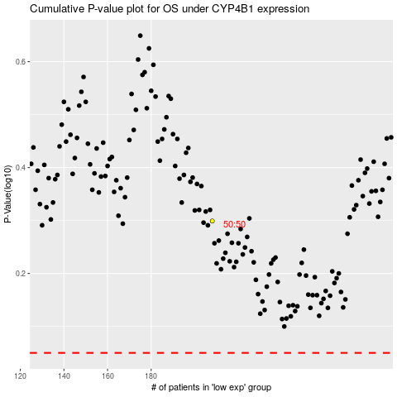

 |  |  |  |  |  | cases_OS | p_OS | rank | exp
 |  |  |  |  |  |  | cases_RFS | p_RFS | rank | exp

