CYP4F22 _multivariate
Reported by Tex Li-Hsing Chi. tex@gate.sinica.edu.tw 2019-08-20

Table 2. The clinicopathological features of HNSCC cohort and CYP4F22 expression. (Chi square test)
Cutoff at -0.398 (50.0%)
 |  | CYP4F22 expression |  | CYP4F22 expression |  | (Optimised)
 | Features | Low | (%) | High | (%) | Case no | P-value | Remark | Matthews
Gender | Female | 159 | 38.3 | 147 | 35.4 | 415 | 0.1905 | 0 | 0
2 | Male | 48 | 11.6 | 61 | 14.7
Age at diagnosis | <=65y | 139 | 33.5 | 135 | 32.5 | 415 | 0.7044 | 0 | 0
4 | >65y | 68 | 16.4 | 73 | 17.6
Clinical T Status | T1+T2 | 87 | 21 | 62 | 14.9 | 415 | 0.0127 | 1 | 0
6 | T3+T4 | 120 | 28.9 | 146 | 35.2
Clinical N Status | N0 | 102 | 24.6 | 114 | 27.5 | 415 | 0.3031 | 0 | 0
8 | N1-3 | 105 | 25.3 | 94 | 22.7
Clinical M Status | M0 | 205 | 49.4 | 207 | 49.9 | 415 | 0.6232 | 0 | 0
10 | M1 | 2 | 0.5 | 1 | 0.2
Clinical Stage | Stage I+II | 54 | 13 | 48 | 11.6 | 415 | 0.5498 | 0 | 0
12 | Stage III+IV | 153 | 36.9 | 160 | 38.6
Surgical Margin status | Negative | 151 | 36.4 | 167 | 40.2 | 415 | 0.0828 | 0 | 0
14 | Positive | 56 | 13.5 | 41 | 9.9
Tobacco Exposure | Low | 83 | 20 | 78 | 18.8 | 415 | 0.6152 | 0 | 0
16 | High | 124 | 29.9 | 130 | 31.3

Table 3. Univariate/Multivariate Cox's proportional hazards regression analyses on OS time of CYP4F22 gene expression in HNSCC

 |  | Univariate |  |  |  | Multivariate
 | Features | HR | CI95%(L) | CI95%(H) | P-value | HR | CI95%(L) | CI95%(H) | P-value
1 | Female | 1 |  |  |  | 1
Gender | Male | 1.157 | 0.843 | 1.587 | 0.367 | 1.24 | 0.885 | 1.739 | 0.211
11 | <=65y | 1 |  |  |  | 1
Age at diagnosis | >65y | 1.329 | 0.99 | 1.784 | 0.058 | 1.401 | 1.03 | 1.904 | 0.032
12 | T1+T2 | 1 |  |  |  | 1
Clinical T Status | T3+T4 | 1.409 | 1.028 | 1.931 | 0.033 | 2.286 | 1.206 | 4.335 | 0.011
13 | N0 | 1 |  |  |  | 1
Clinical N Status | N1-3 | 1.185 | 0.89 | 1.577 | 0.246 | 1.216 | 0.851 | 1.738 | 0.284
14 | M0 | 1 |  |  |  | 1
Clinical M Status | M1 | 4.097 | 1.009 | 16.644 | 0.049 | 9.629 | 2.099 | 44.171 | 0.004
15 | Stage I+II | 1 |  |  |  | 1
Clinical Stage | Stage III+IV | 1.245 | 0.882 | 1.759 | 0.213 | 0.501 | 0.234 | 1.076 | 0.076
16 | Negative | 1 |  |  |  | 1
Surgical Margin status | Positive | 1.591 | 1.155 | 2.191 | 0.004 | 1.645 | 1.189 | 2.275 | 0.003
17 | Low | 1 |  |  |  | 1
Tobacco Exposure | High | 1.364 | 1.008 | 1.844 | 0.044 | 1.463 | 1.061 | 2.016 | 0.02
18 | Low | 1 |  |  |  | 1
RNAseq(z-score) | High | 0.889 | 0.667 | 1.184 | 0.421 | 0.838 | 0.623 | 1.128 | 0.243

Table 4. Univariate/Multivariate Cox's proportional hazards regression analyses on RFS time of CYP4F22 gene expression in HNSCC

 |  | Univariate |  |  |  | Multivariate
 | Features | HR | CI95%(L) | CI95%(H) | P-value | HR | CI95%(L) | CI95%(H) | P-value
1 | Female | 1 |  |  |  | 1
Gender | Male | 1.157 | 0.843 | 1.587 | 0.367 | 1.24 | 0.885 | 1.739 | 0.211
11 | <=65y | 1 |  |  |  | 1
Age at diagnosis | >65y | 1.329 | 0.99 | 1.784 | 0.058 | 1.401 | 1.03 | 1.904 | 0.032
12 | T1+T2 | 1 |  |  |  | 1
Clinical T Status | T3+T4 | 1.409 | 1.028 | 1.931 | 0.033 | 2.286 | 1.206 | 4.335 | 0.011
13 | N0 | 1 |  |  |  | 1
Clinical N Status | N1-3 | 1.185 | 0.89 | 1.577 | 0.246 | 1.216 | 0.851 | 1.738 | 0.284
14 | M0 | 1 |  |  |  | 1
Clinical M Status | M1 | 4.097 | 1.009 | 16.644 | 0.049 | 9.629 | 2.099 | 44.171 | 0.004
15 | Stage I+II | 1 |  |  |  | 1
Clinical Stage | Stage III+IV | 1.245 | 0.882 | 1.759 | 0.213 | 0.501 | 0.234 | 1.076 | 0.076
16 | Negative | 1 |  |  |  | 1
Surgical Margin status | Positive | 1.591 | 1.155 | 2.191 | 0.004 | 1.645 | 1.189 | 2.275 | 0.003
17 | Low | 1 |  |  |  | 1
Tobacco Exposure | High | 1.364 | 1.008 | 1.844 | 0.044 | 1.463 | 1.061 | 2.016 | 0.02
18 | Low | 1 |  |  |  | 1
RNAseq(z-score) | High | 0.889 | 0.667 | 1.184 | 0.421 | 0.838 | 0.623 | 1.128 | 0.243

Kaplan-Meier survival estimate: Cutoff at -0.398 (50.0%)



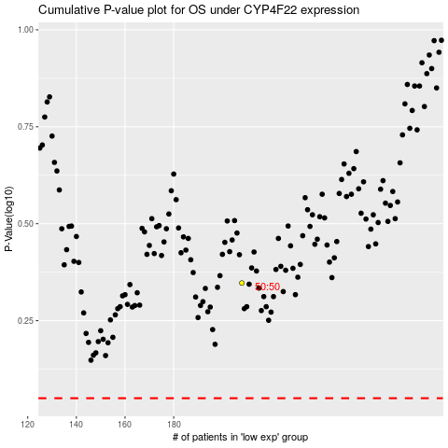

 |  |  |  |  |  | cases_OS | p_OS | rank | exp
 |  |  |  |  |  |  | cases_RFS | p_RFS | rank | exp

