CYP4F3 _multivariate
Reported by Tex Li-Hsing Chi. tex@gate.sinica.edu.tw 2019-08-20

Table 2. The clinicopathological features of HNSCC cohort and CYP4F3 expression. (Chi square test)
Cutoff at -0.324 (49.8%)
 |  | CYP4F3 expression |  | CYP4F3 expression |  | (Optimised)
 | Features | Low | (%) | High | (%) | Case no | P-value | Remark | Matthews
Gender | Female | 153 | 36.9 | 153 | 36.9 | 415 | 1 | 0 | 0
2 | Male | 54 | 13 | 55 | 13.3
Age at diagnosis | <=65y | 143 | 34.5 | 131 | 31.6 | 415 | 0.2269 | 0 | 0
4 | >65y | 64 | 15.4 | 77 | 18.6
Clinical T Status | T1+T2 | 76 | 18.3 | 73 | 17.6 | 415 | 0.8092 | 0 | 0
6 | T3+T4 | 131 | 31.6 | 135 | 32.5
Clinical N Status | N0 | 100 | 24.1 | 116 | 28 | 415 | 0.1548 | 0 | 0
8 | N1-3 | 107 | 25.8 | 92 | 22.2
Clinical M Status | M0 | 205 | 49.4 | 207 | 49.9 | 415 | 0.6232 | 0 | 0
10 | M1 | 2 | 0.5 | 1 | 0.2
Clinical Stage | Stage I+II | 52 | 12.5 | 50 | 12 | 415 | 0.8871 | 0 | 0
12 | Stage III+IV | 155 | 37.3 | 158 | 38.1
Surgical Margin status | Negative | 158 | 38.1 | 160 | 38.6 | 415 | 0.9081 | 0 | 0
14 | Positive | 49 | 11.8 | 48 | 11.6
Tobacco Exposure | Low | 88 | 21.2 | 73 | 17.6 | 415 | 0.1314 | 0 | 0
16 | High | 119 | 28.7 | 135 | 32.5

Table 3. Univariate/Multivariate Cox's proportional hazards regression analyses on OS time of CYP4F3 gene expression in HNSCC

 |  | Univariate |  |  |  | Multivariate
 | Features | HR | CI95%(L) | CI95%(H) | P-value | HR | CI95%(L) | CI95%(H) | P-value
1 | Female | 1 |  |  |  | 1
Gender | Male | 1.157 | 0.843 | 1.587 | 0.367 | 1.198 | 0.858 | 1.674 | 0.289
11 | <=65y | 1 |  |  |  | 1
Age at diagnosis | >65y | 1.329 | 0.99 | 1.784 | 0.058 | 1.409 | 1.034 | 1.92 | 0.03
12 | T1+T2 | 1 |  |  |  | 1
Clinical T Status | T3+T4 | 1.409 | 1.028 | 1.931 | 0.033 | 2.192 | 1.159 | 4.146 | 0.016
13 | N0 | 1 |  |  |  | 1
Clinical N Status | N1-3 | 1.185 | 0.89 | 1.577 | 0.246 | 1.23 | 0.862 | 1.757 | 0.254
14 | M0 | 1 |  |  |  | 1
Clinical M Status | M1 | 4.097 | 1.009 | 16.644 | 0.049 | 9.119 | 1.984 | 41.918 | 0.005
15 | Stage I+II | 1 |  |  |  | 1
Clinical Stage | Stage III+IV | 1.245 | 0.882 | 1.759 | 0.213 | 0.513 | 0.239 | 1.104 | 0.088
16 | Negative | 1 |  |  |  | 1
Surgical Margin status | Positive | 1.591 | 1.155 | 2.191 | 0.004 | 1.67 | 1.209 | 2.308 | 0.002
17 | Low | 1 |  |  |  | 1
Tobacco Exposure | High | 1.364 | 1.008 | 1.844 | 0.044 | 1.468 | 1.064 | 2.027 | 0.02
18 | Low | 1 |  |  |  | 1
RNAseq(z-score) | High | 0.946 | 0.709 | 1.262 | 0.705 | 0.907 | 0.676 | 1.217 | 0.515

Table 4. Univariate/Multivariate Cox's proportional hazards regression analyses on RFS time of CYP4F3 gene expression in HNSCC

 |  | Univariate |  |  |  | Multivariate
 | Features | HR | CI95%(L) | CI95%(H) | P-value | HR | CI95%(L) | CI95%(H) | P-value
1 | Female | 1 |  |  |  | 1
Gender | Male | 1.157 | 0.843 | 1.587 | 0.367 | 1.198 | 0.858 | 1.674 | 0.289
11 | <=65y | 1 |  |  |  | 1
Age at diagnosis | >65y | 1.329 | 0.99 | 1.784 | 0.058 | 1.409 | 1.034 | 1.92 | 0.03
12 | T1+T2 | 1 |  |  |  | 1
Clinical T Status | T3+T4 | 1.409 | 1.028 | 1.931 | 0.033 | 2.192 | 1.159 | 4.146 | 0.016
13 | N0 | 1 |  |  |  | 1
Clinical N Status | N1-3 | 1.185 | 0.89 | 1.577 | 0.246 | 1.23 | 0.862 | 1.757 | 0.254
14 | M0 | 1 |  |  |  | 1
Clinical M Status | M1 | 4.097 | 1.009 | 16.644 | 0.049 | 9.119 | 1.984 | 41.918 | 0.005
15 | Stage I+II | 1 |  |  |  | 1
Clinical Stage | Stage III+IV | 1.245 | 0.882 | 1.759 | 0.213 | 0.513 | 0.239 | 1.104 | 0.088
16 | Negative | 1 |  |  |  | 1
Surgical Margin status | Positive | 1.591 | 1.155 | 2.191 | 0.004 | 1.67 | 1.209 | 2.308 | 0.002
17 | Low | 1 |  |  |  | 1
Tobacco Exposure | High | 1.364 | 1.008 | 1.844 | 0.044 | 1.468 | 1.064 | 2.027 | 0.02
18 | Low | 1 |  |  |  | 1
RNAseq(z-score) | High | 0.946 | 0.709 | 1.262 | 0.705 | 0.907 | 0.676 | 1.217 | 0.515

Kaplan-Meier survival estimate: Cutoff at -0.324 (49.8%)



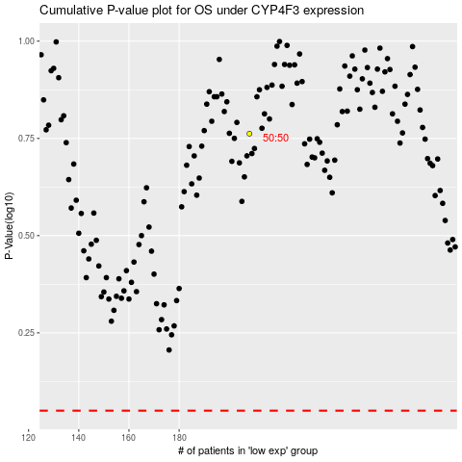

 |  |  |  |  |  | cases_OS | p_OS | rank | exp
 |  |  |  |  |  |  | cases_RFS | p_RFS | rank | exp

