CYP4V2 _multivariate
Reported by Tex Li-Hsing Chi. tex@gate.sinica.edu.tw 2019-08-20

Table 2. The clinicopathological features of HNSCC cohort and CYP4V2 expression. (Chi square test)
Cutoff at -0.219 (49.8%)
 |  | CYP4V2 expression |  | CYP4V2 expression |  | (Optimised)
 | Features | Low | (%) | High | (%) | Case no | P-value | Remark | Matthews
Gender | Female | 158 | 38.1 | 148 | 35.7 | 415 | 0.2774 | 0 | 0
2 | Male | 49 | 11.8 | 60 | 14.5
Age at diagnosis | <=65y | 144 | 34.7 | 130 | 31.3 | 415 | 0.1568 | 0 | 0
4 | >65y | 63 | 15.2 | 78 | 18.8
Clinical T Status | T1+T2 | 54 | 13 | 95 | 22.9 | 415 | 0 | 1 | 0
6 | T3+T4 | 153 | 36.9 | 113 | 27.2
Clinical N Status | N0 | 108 | 26 | 108 | 26 | 415 | 1 | 0 | 0
8 | N1-3 | 99 | 23.9 | 100 | 24.1
Clinical M Status | M0 | 205 | 49.4 | 207 | 49.9 | 415 | 0.6232 | 0 | 0
10 | M1 | 2 | 0.5 | 1 | 0.2
Clinical Stage | Stage I+II | 35 | 8.4 | 67 | 16.1 | 415 | 5e-04 | 1 | 0
12 | Stage III+IV | 172 | 41.4 | 141 | 34
Surgical Margin status | Negative | 166 | 40 | 152 | 36.6 | 415 | 0.1042 | 0 | 0
14 | Positive | 41 | 9.9 | 56 | 13.5
Tobacco Exposure | Low | 75 | 18.1 | 86 | 20.7 | 415 | 0.3141 | 0 | 0
16 | High | 132 | 31.8 | 122 | 29.4

Table 3. Univariate/Multivariate Cox's proportional hazards regression analyses on OS time of CYP4V2 gene expression in HNSCC

 |  | Univariate |  |  |  | Multivariate
 | Features | HR | CI95%(L) | CI95%(H) | P-value | HR | CI95%(L) | CI95%(H) | P-value
1 | Female | 1 |  |  |  | 1
Gender | Male | 1.157 | 0.843 | 1.587 | 0.367 | 1.189 | 0.85 | 1.664 | 0.312
11 | <=65y | 1 |  |  |  | 1
Age at diagnosis | >65y | 1.329 | 0.99 | 1.784 | 0.058 | 1.401 | 1.03 | 1.906 | 0.032
12 | T1+T2 | 1 |  |  |  | 1
Clinical T Status | T3+T4 | 1.409 | 1.028 | 1.931 | 0.033 | 2.179 | 1.152 | 4.123 | 0.017
13 | N0 | 1 |  |  |  | 1
Clinical N Status | N1-3 | 1.185 | 0.89 | 1.577 | 0.246 | 1.27 | 0.886 | 1.821 | 0.194
14 | M0 | 1 |  |  |  | 1
Clinical M Status | M1 | 4.097 | 1.009 | 16.644 | 0.049 | 8.989 | 1.952 | 41.389 | 0.005
15 | Stage I+II | 1 |  |  |  | 1
Clinical Stage | Stage III+IV | 1.245 | 0.882 | 1.759 | 0.213 | 0.487 | 0.226 | 1.052 | 0.067
16 | Negative | 1 |  |  |  | 1
Surgical Margin status | Positive | 1.591 | 1.155 | 2.191 | 0.004 | 1.704 | 1.228 | 2.364 | 0.001
17 | Low | 1 |  |  |  | 1
Tobacco Exposure | High | 1.364 | 1.008 | 1.844 | 0.044 | 1.446 | 1.049 | 1.994 | 0.025
18 | Low | 1 |  |  |  | 1
RNAseq(z-score) | High | 0.882 | 0.662 | 1.176 | 0.393 | 0.89 | 0.656 | 1.206 | 0.452

Table 4. Univariate/Multivariate Cox's proportional hazards regression analyses on RFS time of CYP4V2 gene expression in HNSCC

 |  | Univariate |  |  |  | Multivariate
 | Features | HR | CI95%(L) | CI95%(H) | P-value | HR | CI95%(L) | CI95%(H) | P-value
1 | Female | 1 |  |  |  | 1
Gender | Male | 1.157 | 0.843 | 1.587 | 0.367 | 1.189 | 0.85 | 1.664 | 0.312
11 | <=65y | 1 |  |  |  | 1
Age at diagnosis | >65y | 1.329 | 0.99 | 1.784 | 0.058 | 1.401 | 1.03 | 1.906 | 0.032
12 | T1+T2 | 1 |  |  |  | 1
Clinical T Status | T3+T4 | 1.409 | 1.028 | 1.931 | 0.033 | 2.179 | 1.152 | 4.123 | 0.017
13 | N0 | 1 |  |  |  | 1
Clinical N Status | N1-3 | 1.185 | 0.89 | 1.577 | 0.246 | 1.27 | 0.886 | 1.821 | 0.194
14 | M0 | 1 |  |  |  | 1
Clinical M Status | M1 | 4.097 | 1.009 | 16.644 | 0.049 | 8.989 | 1.952 | 41.389 | 0.005
15 | Stage I+II | 1 |  |  |  | 1
Clinical Stage | Stage III+IV | 1.245 | 0.882 | 1.759 | 0.213 | 0.487 | 0.226 | 1.052 | 0.067
16 | Negative | 1 |  |  |  | 1
Surgical Margin status | Positive | 1.591 | 1.155 | 2.191 | 0.004 | 1.704 | 1.228 | 2.364 | 0.001
17 | Low | 1 |  |  |  | 1
Tobacco Exposure | High | 1.364 | 1.008 | 1.844 | 0.044 | 1.446 | 1.049 | 1.994 | 0.025
18 | Low | 1 |  |  |  | 1
RNAseq(z-score) | High | 0.882 | 0.662 | 1.176 | 0.393 | 0.89 | 0.656 | 1.206 | 0.452

Kaplan-Meier survival estimate: Cutoff at -0.219 (49.8%)



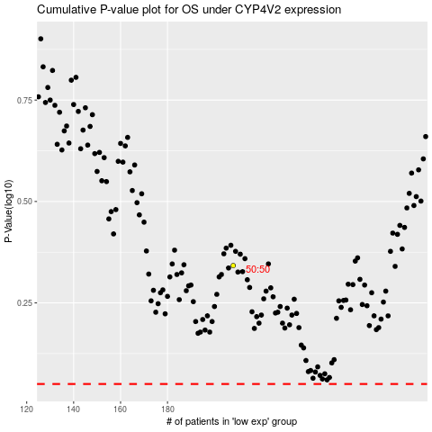

 |  |  |  |  |  | cases_OS | p_OS | rank | exp
 |  |  |  |  |  |  | cases_RFS | p_RFS | rank | exp

