CYP8B1 _multivariate
Reported by Tex Li-Hsing Chi. tex@gate.sinica.edu.tw 2019-08-20

Table 2. The clinicopathological features of HNSCC cohort and CYP8B1 expression. (Chi square test)
Cutoff at -0.305 (50.0%)
 |  | CYP8B1 expression |  | CYP8B1 expression |  | (Optimised)
 | Features | Low | (%) | High | (%) | Case no | P-value | Remark | Matthews
Gender | Female | 155 | 37.3 | 151 | 36.4 | 415 | 0.6768 | 0 | 0
2 | Male | 52 | 12.5 | 57 | 13.7
Age at diagnosis | <=65y | 136 | 32.8 | 138 | 33.3 | 415 | 0.9719 | 0 | 0
4 | >65y | 71 | 17.1 | 70 | 16.9
Clinical T Status | T1+T2 | 64 | 15.4 | 85 | 20.5 | 415 | 0.0445 | 1 | 0
6 | T3+T4 | 143 | 34.5 | 123 | 29.6
Clinical N Status | N0 | 96 | 23.1 | 120 | 28.9 | 415 | 0.0272 | 1 | 0
8 | N1-3 | 111 | 26.7 | 88 | 21.2
Clinical M Status | M0 | 205 | 49.4 | 207 | 49.9 | 415 | 0.6232 | 0 | 0
10 | M1 | 2 | 0.5 | 1 | 0.2
Clinical Stage | Stage I+II | 39 | 9.4 | 63 | 15.2 | 415 | 0.0095 | 1 | 0
12 | Stage III+IV | 168 | 40.5 | 145 | 34.9
Surgical Margin status | Negative | 156 | 37.6 | 162 | 39 | 415 | 0.5636 | 0 | 0
14 | Positive | 51 | 12.3 | 46 | 11.1
Tobacco Exposure | Low | 73 | 17.6 | 88 | 21.2 | 415 | 0.1587 | 0 | 0
16 | High | 134 | 32.3 | 120 | 28.9

Table 3. Univariate/Multivariate Cox's proportional hazards regression analyses on OS time of CYP8B1 gene expression in HNSCC

 |  | Univariate |  |  |  | Multivariate
 | Features | HR | CI95%(L) | CI95%(H) | P-value | HR | CI95%(L) | CI95%(H) | P-value
1 | Female | 1 |  |  |  | 1
Gender | Male | 1.157 | 0.843 | 1.587 | 0.367 | 1.21 | 0.867 | 1.69 | 0.263
11 | <=65y | 1 |  |  |  | 1
Age at diagnosis | >65y | 1.329 | 0.99 | 1.784 | 0.058 | 1.391 | 1.023 | 1.89 | 0.035
12 | T1+T2 | 1 |  |  |  | 1
Clinical T Status | T3+T4 | 1.409 | 1.028 | 1.931 | 0.033 | 2.179 | 1.152 | 4.122 | 0.017
13 | N0 | 1 |  |  |  | 1
Clinical N Status | N1-3 | 1.185 | 0.89 | 1.577 | 0.246 | 1.212 | 0.847 | 1.736 | 0.293
14 | M0 | 1 |  |  |  | 1
Clinical M Status | M1 | 4.097 | 1.009 | 16.644 | 0.049 | 9.383 | 2.047 | 43.014 | 0.004
15 | Stage I+II | 1 |  |  |  | 1
Clinical Stage | Stage III+IV | 1.245 | 0.882 | 1.759 | 0.213 | 0.502 | 0.234 | 1.076 | 0.076
16 | Negative | 1 |  |  |  | 1
Surgical Margin status | Positive | 1.591 | 1.155 | 2.191 | 0.004 | 1.667 | 1.207 | 2.304 | 0.002
17 | Low | 1 |  |  |  | 1
Tobacco Exposure | High | 1.364 | 1.008 | 1.844 | 0.044 | 1.446 | 1.05 | 1.992 | 0.024
18 | Low | 1 |  |  |  | 1
RNAseq(z-score) | High | 0.817 | 0.613 | 1.09 | 0.17 | 0.869 | 0.646 | 1.17 | 0.354

Table 4. Univariate/Multivariate Cox's proportional hazards regression analyses on RFS time of CYP8B1 gene expression in HNSCC

 |  | Univariate |  |  |  | Multivariate
 | Features | HR | CI95%(L) | CI95%(H) | P-value | HR | CI95%(L) | CI95%(H) | P-value
1 | Female | 1 |  |  |  | 1
Gender | Male | 1.157 | 0.843 | 1.587 | 0.367 | 1.21 | 0.867 | 1.69 | 0.263
11 | <=65y | 1 |  |  |  | 1
Age at diagnosis | >65y | 1.329 | 0.99 | 1.784 | 0.058 | 1.391 | 1.023 | 1.89 | 0.035
12 | T1+T2 | 1 |  |  |  | 1
Clinical T Status | T3+T4 | 1.409 | 1.028 | 1.931 | 0.033 | 2.179 | 1.152 | 4.122 | 0.017
13 | N0 | 1 |  |  |  | 1
Clinical N Status | N1-3 | 1.185 | 0.89 | 1.577 | 0.246 | 1.212 | 0.847 | 1.736 | 0.293
14 | M0 | 1 |  |  |  | 1
Clinical M Status | M1 | 4.097 | 1.009 | 16.644 | 0.049 | 9.383 | 2.047 | 43.014 | 0.004
15 | Stage I+II | 1 |  |  |  | 1
Clinical Stage | Stage III+IV | 1.245 | 0.882 | 1.759 | 0.213 | 0.502 | 0.234 | 1.076 | 0.076
16 | Negative | 1 |  |  |  | 1
Surgical Margin status | Positive | 1.591 | 1.155 | 2.191 | 0.004 | 1.667 | 1.207 | 2.304 | 0.002
17 | Low | 1 |  |  |  | 1
Tobacco Exposure | High | 1.364 | 1.008 | 1.844 | 0.044 | 1.446 | 1.05 | 1.992 | 0.024
18 | Low | 1 |  |  |  | 1
RNAseq(z-score) | High | 0.817 | 0.613 | 1.09 | 0.17 | 0.869 | 0.646 | 1.17 | 0.354

Kaplan-Meier survival estimate: Cutoff at -0.305 (50.0%)



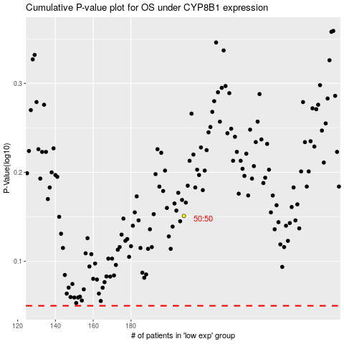

 |  |  |  |  |  | cases_OS | p_OS | rank | exp
 |  |  |  |  |  |  | cases_RFS | p_RFS | rank | exp

