CYSLTR2 _multivariate
Reported by Tex Li-Hsing Chi. tex@gate.sinica.edu.tw 2019-08-20

Table 2. The clinicopathological features of HNSCC cohort and CYSLTR2 expression. (Chi square test)
Cutoff at -0.28 (50.0%)
 |  | CYSLTR2 expression |  | CYSLTR2 expression |  | (Optimised)
 | Features | Low | (%) | High | (%) | Case no | P-value | Remark | Matthews
Gender | Female | 157 | 37.8 | 149 | 35.9 | 415 | 0.3881 | 0 | 0
2 | Male | 50 | 12 | 59 | 14.2
Age at diagnosis | <=65y | 146 | 35.2 | 128 | 30.8 | 415 | 0.0672 | 0 | 0
4 | >65y | 61 | 14.7 | 80 | 19.3
Clinical T Status | T1+T2 | 72 | 17.3 | 77 | 18.6 | 415 | 0.7095 | 0 | 0
6 | T3+T4 | 135 | 32.5 | 131 | 31.6
Clinical N Status | N0 | 114 | 27.5 | 102 | 24.6 | 415 | 0.2576 | 1 | 0
8 | N1-3 | 93 | 22.4 | 106 | 25.5
Clinical M Status | M0 | 204 | 49.2 | 208 | 50.1 | 415 | 0.1232 | 0 | 0
10 | M1 | 3 | 0.7 | 0 | 0
Clinical Stage | Stage I+II | 49 | 11.8 | 53 | 12.8 | 415 | 0.7535 | 0 | 0
12 | Stage III+IV | 158 | 38.1 | 155 | 37.3
Surgical Margin status | Negative | 154 | 37.1 | 164 | 39.5 | 415 | 0.2984 | 0 | 0
14 | Positive | 53 | 12.8 | 44 | 10.6
Tobacco Exposure | Low | 73 | 17.6 | 88 | 21.2 | 415 | 0.1587 | 0 | 0
16 | High | 134 | 32.3 | 120 | 28.9

Table 3. Univariate/Multivariate Cox's proportional hazards regression analyses on OS time of CYSLTR2 gene expression in HNSCC

 |  | Univariate |  |  |  | Multivariate
 | Features | HR | CI95%(L) | CI95%(H) | P-value | HR | CI95%(L) | CI95%(H) | P-value
1 | Female | 1 |  |  |  | 1
Gender | Male | 1.157 | 0.843 | 1.587 | 0.367 | 1.196 | 0.856 | 1.672 | 0.294
11 | <=65y | 1 |  |  |  | 1
Age at diagnosis | >65y | 1.329 | 0.99 | 1.784 | 0.058 | 1.398 | 1.029 | 1.901 | 0.032
12 | T1+T2 | 1 |  |  |  | 1
Clinical T Status | T3+T4 | 1.409 | 1.028 | 1.931 | 0.033 | 2.212 | 1.17 | 4.181 | 0.015
13 | N0 | 1 |  |  |  | 1
Clinical N Status | N1-3 | 1.185 | 0.89 | 1.577 | 0.246 | 1.258 | 0.88 | 1.799 | 0.208
14 | M0 | 1 |  |  |  | 1
Clinical M Status | M1 | 4.097 | 1.009 | 16.644 | 0.049 | 8.903 | 1.927 | 41.126 | 0.005
15 | Stage I+II | 1 |  |  |  | 1
Clinical Stage | Stage III+IV | 1.245 | 0.882 | 1.759 | 0.213 | 0.499 | 0.233 | 1.072 | 0.075
16 | Negative | 1 |  |  |  | 1
Surgical Margin status | Positive | 1.591 | 1.155 | 2.191 | 0.004 | 1.655 | 1.196 | 2.29 | 0.002
17 | Low | 1 |  |  |  | 1
Tobacco Exposure | High | 1.364 | 1.008 | 1.844 | 0.044 | 1.428 | 1.032 | 1.975 | 0.031
18 | Low | 1 |  |  |  | 1
RNAseq(z-score) | High | 0.856 | 0.642 | 1.14 | 0.287 | 0.902 | 0.671 | 1.21 | 0.49

Table 4. Univariate/Multivariate Cox's proportional hazards regression analyses on RFS time of CYSLTR2 gene expression in HNSCC

 |  | Univariate |  |  |  | Multivariate
 | Features | HR | CI95%(L) | CI95%(H) | P-value | HR | CI95%(L) | CI95%(H) | P-value
1 | Female | 1 |  |  |  | 1
Gender | Male | 1.157 | 0.843 | 1.587 | 0.367 | 1.196 | 0.856 | 1.672 | 0.294
11 | <=65y | 1 |  |  |  | 1
Age at diagnosis | >65y | 1.329 | 0.99 | 1.784 | 0.058 | 1.398 | 1.029 | 1.901 | 0.032
12 | T1+T2 | 1 |  |  |  | 1
Clinical T Status | T3+T4 | 1.409 | 1.028 | 1.931 | 0.033 | 2.212 | 1.17 | 4.181 | 0.015
13 | N0 | 1 |  |  |  | 1
Clinical N Status | N1-3 | 1.185 | 0.89 | 1.577 | 0.246 | 1.258 | 0.88 | 1.799 | 0.208
14 | M0 | 1 |  |  |  | 1
Clinical M Status | M1 | 4.097 | 1.009 | 16.644 | 0.049 | 8.903 | 1.927 | 41.126 | 0.005
15 | Stage I+II | 1 |  |  |  | 1
Clinical Stage | Stage III+IV | 1.245 | 0.882 | 1.759 | 0.213 | 0.499 | 0.233 | 1.072 | 0.075
16 | Negative | 1 |  |  |  | 1
Surgical Margin status | Positive | 1.591 | 1.155 | 2.191 | 0.004 | 1.655 | 1.196 | 2.29 | 0.002
17 | Low | 1 |  |  |  | 1
Tobacco Exposure | High | 1.364 | 1.008 | 1.844 | 0.044 | 1.428 | 1.032 | 1.975 | 0.031
18 | Low | 1 |  |  |  | 1
RNAseq(z-score) | High | 0.856 | 0.642 | 1.14 | 0.287 | 0.902 | 0.671 | 1.21 | 0.49

Kaplan-Meier survival estimate: Cutoff at -0.28 (50.0%)



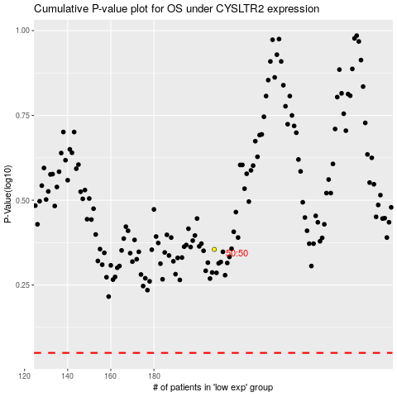

 |  |  |  |  |  | cases_OS | p_OS | rank | exp
 |  |  |  |  |  |  | cases_RFS | p_RFS | rank | exp

