CYTH4 _multivariate
Reported by Tex Li-Hsing Chi. tex@gate.sinica.edu.tw 2019-08-20

Table 2. The clinicopathological features of HNSCC cohort and CYTH4 expression. (Chi square test)
Cutoff at -0.271 (49.8%)
 |  | CYTH4 expression |  | CYTH4 expression |  | (Optimised)
 | Features | Low | (%) | High | (%) | Case no | P-value | Remark | Matthews
Gender | Female | 158 | 38.1 | 148 | 35.7 | 415 | 0.2774 | 0 | 0
2 | Male | 49 | 11.8 | 60 | 14.5
Age at diagnosis | <=65y | 145 | 34.9 | 129 | 31.1 | 415 | 0.1046 | 0 | 0
4 | >65y | 62 | 14.9 | 79 | 19
Clinical T Status | T1+T2 | 68 | 16.4 | 81 | 19.5 | 415 | 0.2336 | 0 | 0
6 | T3+T4 | 139 | 33.5 | 127 | 30.6
Clinical N Status | N0 | 114 | 27.5 | 102 | 24.6 | 415 | 0.2576 | 1 | 0
8 | N1-3 | 93 | 22.4 | 106 | 25.5
Clinical M Status | M0 | 206 | 49.6 | 206 | 49.6 | 415 | 1 | 0 | 0
10 | M1 | 1 | 0.2 | 2 | 0.5
Clinical Stage | Stage I+II | 46 | 11.1 | 56 | 13.5 | 415 | 0.3182 | 0 | 0
12 | Stage III+IV | 161 | 38.8 | 152 | 36.6
Surgical Margin status | Negative | 153 | 36.9 | 165 | 39.8 | 415 | 0.2036 | 0 | 0
14 | Positive | 54 | 13 | 43 | 10.4
Tobacco Exposure | Low | 70 | 16.9 | 91 | 21.9 | 415 | 0.0439 | 1 | 0
16 | High | 137 | 33 | 117 | 28.2

Table 3. Univariate/Multivariate Cox's proportional hazards regression analyses on OS time of CYTH4 gene expression in HNSCC

 |  | Univariate |  |  |  | Multivariate
 | Features | HR | CI95%(L) | CI95%(H) | P-value | HR | CI95%(L) | CI95%(H) | P-value
1 | Female | 1 |  |  |  | 1
Gender | Male | 1.157 | 0.843 | 1.587 | 0.367 | 1.203 | 0.861 | 1.681 | 0.278
11 | <=65y | 1 |  |  |  | 1
Age at diagnosis | >65y | 1.329 | 0.99 | 1.784 | 0.058 | 1.397 | 1.027 | 1.9 | 0.033
12 | T1+T2 | 1 |  |  |  | 1
Clinical T Status | T3+T4 | 1.409 | 1.028 | 1.931 | 0.033 | 2.203 | 1.165 | 4.164 | 0.015
13 | N0 | 1 |  |  |  | 1
Clinical N Status | N1-3 | 1.185 | 0.89 | 1.577 | 0.246 | 1.251 | 0.875 | 1.788 | 0.219
14 | M0 | 1 |  |  |  | 1
Clinical M Status | M1 | 4.097 | 1.009 | 16.644 | 0.049 | 9.576 | 2.085 | 43.987 | 0.004
15 | Stage I+II | 1 |  |  |  | 1
Clinical Stage | Stage III+IV | 1.245 | 0.882 | 1.759 | 0.213 | 0.501 | 0.233 | 1.075 | 0.076
16 | Negative | 1 |  |  |  | 1
Surgical Margin status | Positive | 1.591 | 1.155 | 2.191 | 0.004 | 1.669 | 1.208 | 2.306 | 0.002
17 | Low | 1 |  |  |  | 1
Tobacco Exposure | High | 1.364 | 1.008 | 1.844 | 0.044 | 1.443 | 1.045 | 1.991 | 0.026
18 | Low | 1 |  |  |  | 1
RNAseq(z-score) | High | 0.937 | 0.703 | 1.249 | 0.656 | 0.938 | 0.701 | 1.257 | 0.67

Table 4. Univariate/Multivariate Cox's proportional hazards regression analyses on RFS time of CYTH4 gene expression in HNSCC

 |  | Univariate |  |  |  | Multivariate
 | Features | HR | CI95%(L) | CI95%(H) | P-value | HR | CI95%(L) | CI95%(H) | P-value
1 | Female | 1 |  |  |  | 1
Gender | Male | 1.157 | 0.843 | 1.587 | 0.367 | 1.203 | 0.861 | 1.681 | 0.278
11 | <=65y | 1 |  |  |  | 1
Age at diagnosis | >65y | 1.329 | 0.99 | 1.784 | 0.058 | 1.397 | 1.027 | 1.9 | 0.033
12 | T1+T2 | 1 |  |  |  | 1
Clinical T Status | T3+T4 | 1.409 | 1.028 | 1.931 | 0.033 | 2.203 | 1.165 | 4.164 | 0.015
13 | N0 | 1 |  |  |  | 1
Clinical N Status | N1-3 | 1.185 | 0.89 | 1.577 | 0.246 | 1.251 | 0.875 | 1.788 | 0.219
14 | M0 | 1 |  |  |  | 1
Clinical M Status | M1 | 4.097 | 1.009 | 16.644 | 0.049 | 9.576 | 2.085 | 43.987 | 0.004
15 | Stage I+II | 1 |  |  |  | 1
Clinical Stage | Stage III+IV | 1.245 | 0.882 | 1.759 | 0.213 | 0.501 | 0.233 | 1.075 | 0.076
16 | Negative | 1 |  |  |  | 1
Surgical Margin status | Positive | 1.591 | 1.155 | 2.191 | 0.004 | 1.669 | 1.208 | 2.306 | 0.002
17 | Low | 1 |  |  |  | 1
Tobacco Exposure | High | 1.364 | 1.008 | 1.844 | 0.044 | 1.443 | 1.045 | 1.991 | 0.026
18 | Low | 1 |  |  |  | 1
RNAseq(z-score) | High | 0.937 | 0.703 | 1.249 | 0.656 | 0.938 | 0.701 | 1.257 | 0.67

Kaplan-Meier survival estimate: Cutoff at -0.271 (49.8%)



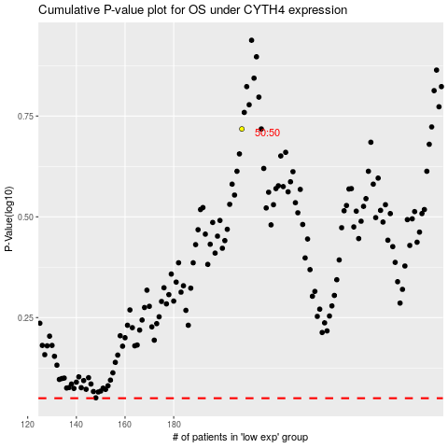

 |  |  |  |  |  | cases_OS | p_OS | rank | exp
 |  |  |  |  |  |  | cases_RFS | p_RFS | rank | exp

