D4S234E _multivariate
Reported by Tex Li-Hsing Chi. tex@gate.sinica.edu.tw 2019-08-20

Table 2. The clinicopathological features of HNSCC cohort and D4S234E expression. (Chi square test)
Cutoff at -0.301 (50.0%)
 |  | D4S234E expression |  | D4S234E expression |  | (Optimised)
 | Features | Low | (%) | High | (%) | Case no | P-value | Remark | Matthews
Gender | Female | 160 | 38.6 | 146 | 35.2 | 415 | 0.1254 | 0 | 0
2 | Male | 47 | 11.3 | 62 | 14.9
Age at diagnosis | <=65y | 137 | 33 | 137 | 33 | 415 | 1 | 0 | 0
4 | >65y | 70 | 16.9 | 71 | 17.1
Clinical T Status | T1+T2 | 77 | 18.6 | 72 | 17.3 | 415 | 0.6556 | 0 | 0
6 | T3+T4 | 130 | 31.3 | 136 | 32.8
Clinical N Status | N0 | 92 | 22.2 | 124 | 29.9 | 415 | 0.0027 | 1 | 0
8 | N1-3 | 115 | 27.7 | 84 | 20.2
Clinical M Status | M0 | 206 | 49.6 | 206 | 49.6 | 415 | 1 | 0 | 0
10 | M1 | 1 | 0.2 | 2 | 0.5
Clinical Stage | Stage I+II | 46 | 11.1 | 56 | 13.5 | 415 | 0.3182 | 0 | 0
12 | Stage III+IV | 161 | 38.8 | 152 | 36.6
Surgical Margin status | Negative | 157 | 37.8 | 161 | 38.8 | 415 | 0.729 | 0 | 0
14 | Positive | 50 | 12 | 47 | 11.3
Tobacco Exposure | Low | 77 | 18.6 | 84 | 20.2 | 415 | 0.5459 | 0 | 0
16 | High | 130 | 31.3 | 124 | 29.9

Table 3. Univariate/Multivariate Cox's proportional hazards regression analyses on OS time of D4S234E gene expression in HNSCC

 |  | Univariate |  |  |  | Multivariate
 | Features | HR | CI95%(L) | CI95%(H) | P-value | HR | CI95%(L) | CI95%(H) | P-value
1 | Female | 1 |  |  |  | 1
Gender | Male | 1.157 | 0.843 | 1.587 | 0.367 | 1.236 | 0.883 | 1.731 | 0.217
11 | <=65y | 1 |  |  |  | 1
Age at diagnosis | >65y | 1.329 | 0.99 | 1.784 | 0.058 | 1.402 | 1.031 | 1.907 | 0.031
12 | T1+T2 | 1 |  |  |  | 1
Clinical T Status | T3+T4 | 1.409 | 1.028 | 1.931 | 0.033 | 2.248 | 1.189 | 4.252 | 0.013
13 | N0 | 1 |  |  |  | 1
Clinical N Status | N1-3 | 1.185 | 0.89 | 1.577 | 0.246 | 1.202 | 0.839 | 1.721 | 0.316
14 | M0 | 1 |  |  |  | 1
Clinical M Status | M1 | 4.097 | 1.009 | 16.644 | 0.049 | 10.463 | 2.265 | 48.335 | 0.003
15 | Stage I+II | 1 |  |  |  | 1
Clinical Stage | Stage III+IV | 1.245 | 0.882 | 1.759 | 0.213 | 0.493 | 0.23 | 1.058 | 0.07
16 | Negative | 1 |  |  |  | 1
Surgical Margin status | Positive | 1.591 | 1.155 | 2.191 | 0.004 | 1.669 | 1.208 | 2.305 | 0.002
17 | Low | 1 |  |  |  | 1
Tobacco Exposure | High | 1.364 | 1.008 | 1.844 | 0.044 | 1.46 | 1.06 | 2.011 | 0.021
18 | Low | 1 |  |  |  | 1
RNAseq(z-score) | High | 0.854 | 0.639 | 1.14 | 0.285 | 0.813 | 0.604 | 1.095 | 0.173

Table 4. Univariate/Multivariate Cox's proportional hazards regression analyses on RFS time of D4S234E gene expression in HNSCC

 |  | Univariate |  |  |  | Multivariate
 | Features | HR | CI95%(L) | CI95%(H) | P-value | HR | CI95%(L) | CI95%(H) | P-value
1 | Female | 1 |  |  |  | 1
Gender | Male | 1.157 | 0.843 | 1.587 | 0.367 | 1.236 | 0.883 | 1.731 | 0.217
11 | <=65y | 1 |  |  |  | 1
Age at diagnosis | >65y | 1.329 | 0.99 | 1.784 | 0.058 | 1.402 | 1.031 | 1.907 | 0.031
12 | T1+T2 | 1 |  |  |  | 1
Clinical T Status | T3+T4 | 1.409 | 1.028 | 1.931 | 0.033 | 2.248 | 1.189 | 4.252 | 0.013
13 | N0 | 1 |  |  |  | 1
Clinical N Status | N1-3 | 1.185 | 0.89 | 1.577 | 0.246 | 1.202 | 0.839 | 1.721 | 0.316
14 | M0 | 1 |  |  |  | 1
Clinical M Status | M1 | 4.097 | 1.009 | 16.644 | 0.049 | 10.463 | 2.265 | 48.335 | 0.003
15 | Stage I+II | 1 |  |  |  | 1
Clinical Stage | Stage III+IV | 1.245 | 0.882 | 1.759 | 0.213 | 0.493 | 0.23 | 1.058 | 0.07
16 | Negative | 1 |  |  |  | 1
Surgical Margin status | Positive | 1.591 | 1.155 | 2.191 | 0.004 | 1.669 | 1.208 | 2.305 | 0.002
17 | Low | 1 |  |  |  | 1
Tobacco Exposure | High | 1.364 | 1.008 | 1.844 | 0.044 | 1.46 | 1.06 | 2.011 | 0.021
18 | Low | 1 |  |  |  | 1
RNAseq(z-score) | High | 0.854 | 0.639 | 1.14 | 0.285 | 0.813 | 0.604 | 1.095 | 0.173

Kaplan-Meier survival estimate: Cutoff at -0.301 (50.0%)



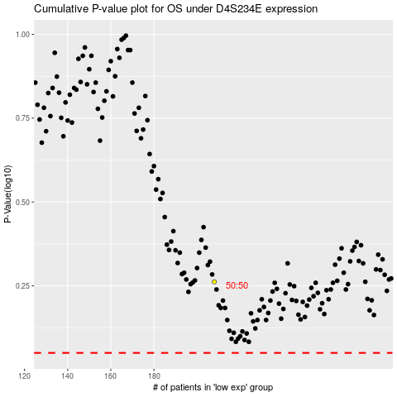

 |  |  |  |  |  | cases_OS | p_OS | rank | exp
 |  |  |  |  |  |  | cases_RFS | p_RFS | rank | exp

