DAB2IP _multivariate
Reported by Tex Li-Hsing Chi. tex@gate.sinica.edu.tw 2019-08-20

Table 2. The clinicopathological features of HNSCC cohort and DAB2IP expression. (Chi square test)
Cutoff at 0.33 (68.1%)
 |  | DAB2IP expression |  | DAB2IP expression |  | (Optimised)
 | Features | Low | (%) | High | (%) | Case no | P-value | Remark | Matthews
Gender | Female | 210 | 50.6 | 96 | 23.1 | 415 | 0.8424 | 0 | 0
2 | Male | 73 | 17.6 | 36 | 8.7
Age at diagnosis | <=65y | 188 | 45.3 | 86 | 20.7 | 415 | 0.8847 | 0 | 0
4 | >65y | 95 | 22.9 | 46 | 11.1
Clinical T Status | T1+T2 | 104 | 25.1 | 45 | 10.8 | 415 | 0.6775 | 0 | 0
6 | T3+T4 | 179 | 43.1 | 87 | 21
Clinical N Status | N0 | 143 | 34.5 | 73 | 17.6 | 415 | 0.4232 | 0 | 0
8 | N1-3 | 140 | 33.7 | 59 | 14.2
Clinical M Status | M0 | 282 | 68 | 130 | 31.3 | 415 | 0.2386 | 0 | 0
10 | M1 | 1 | 0.2 | 2 | 0.5
Clinical Stage | Stage I+II | 68 | 16.4 | 34 | 8.2 | 415 | 0.7959 | 0 | 0
12 | Stage III+IV | 215 | 51.8 | 98 | 23.6
Surgical Margin status | Negative | 216 | 52 | 102 | 24.6 | 415 | 0.9011 | 0 | 0
14 | Positive | 67 | 16.1 | 30 | 7.2
Tobacco Exposure | Low | 114 | 27.5 | 47 | 11.3 | 415 | 0.3881 | 0 | 0
16 | High | 169 | 40.7 | 85 | 20.5

Table 3. Univariate/Multivariate Cox's proportional hazards regression analyses on OS time of DAB2IP gene expression in HNSCC

 |  | Univariate |  |  |  | Multivariate
 | Features | HR | CI95%(L) | CI95%(H) | P-value | HR | CI95%(L) | CI95%(H) | P-value
1 | Female | 1 |  |  |  | 1
Gender | Male | 1.157 | 0.843 | 1.587 | 0.367 | 1.214 | 0.868 | 1.698 | 0.257
11 | <=65y | 1 |  |  |  | 1
Age at diagnosis | >65y | 1.329 | 0.99 | 1.784 | 0.058 | 1.362 | 1 | 1.856 | 0.05
12 | T1+T2 | 1 |  |  |  | 1
Clinical T Status | T3+T4 | 1.409 | 1.028 | 1.931 | 0.033 | 2.212 | 1.169 | 4.186 | 0.015
13 | N0 | 1 |  |  |  | 1
Clinical N Status | N1-3 | 1.185 | 0.89 | 1.577 | 0.246 | 1.247 | 0.874 | 1.779 | 0.224
14 | M0 | 1 |  |  |  | 1
Clinical M Status | M1 | 4.097 | 1.009 | 16.644 | 0.049 | 8.722 | 1.897 | 40.091 | 0.005
15 | Stage I+II | 1 |  |  |  | 1
Clinical Stage | Stage III+IV | 1.245 | 0.882 | 1.759 | 0.213 | 0.513 | 0.239 | 1.103 | 0.087
16 | Negative | 1 |  |  |  | 1
Surgical Margin status | Positive | 1.591 | 1.155 | 2.191 | 0.004 | 1.678 | 1.214 | 2.32 | 0.002
17 | Low | 1 |  |  |  | 1
Tobacco Exposure | High | 1.364 | 1.008 | 1.844 | 0.044 | 1.432 | 1.038 | 1.977 | 0.029
18 | Low | 1 |  |  |  | 1
RNAseq(z-score) | High | 1.384 | 1.028 | 1.863 | 0.032 | 1.325 | 0.982 | 1.789 | 0.066

Table 4. Univariate/Multivariate Cox's proportional hazards regression analyses on RFS time of DAB2IP gene expression in HNSCC

 |  | Univariate |  |  |  | Multivariate
 | Features | HR | CI95%(L) | CI95%(H) | P-value | HR | CI95%(L) | CI95%(H) | P-value
1 | Female | 1 |  |  |  | 1
Gender | Male | 1.157 | 0.843 | 1.587 | 0.367 | 1.214 | 0.868 | 1.698 | 0.257
11 | <=65y | 1 |  |  |  | 1
Age at diagnosis | >65y | 1.329 | 0.99 | 1.784 | 0.058 | 1.362 | 1 | 1.856 | 0.05
12 | T1+T2 | 1 |  |  |  | 1
Clinical T Status | T3+T4 | 1.409 | 1.028 | 1.931 | 0.033 | 2.212 | 1.169 | 4.186 | 0.015
13 | N0 | 1 |  |  |  | 1
Clinical N Status | N1-3 | 1.185 | 0.89 | 1.577 | 0.246 | 1.247 | 0.874 | 1.779 | 0.224
14 | M0 | 1 |  |  |  | 1
Clinical M Status | M1 | 4.097 | 1.009 | 16.644 | 0.049 | 8.722 | 1.897 | 40.091 | 0.005
15 | Stage I+II | 1 |  |  |  | 1
Clinical Stage | Stage III+IV | 1.245 | 0.882 | 1.759 | 0.213 | 0.513 | 0.239 | 1.103 | 0.087
16 | Negative | 1 |  |  |  | 1
Surgical Margin status | Positive | 1.591 | 1.155 | 2.191 | 0.004 | 1.678 | 1.214 | 2.32 | 0.002
17 | Low | 1 |  |  |  | 1
Tobacco Exposure | High | 1.364 | 1.008 | 1.844 | 0.044 | 1.432 | 1.038 | 1.977 | 0.029
18 | Low | 1 |  |  |  | 1
RNAseq(z-score) | High | 1.384 | 1.028 | 1.863 | 0.032 | 1.325 | 0.982 | 1.789 | 0.066

Kaplan-Meier survival estimate: Cutoff at 0.33 (68.1%)



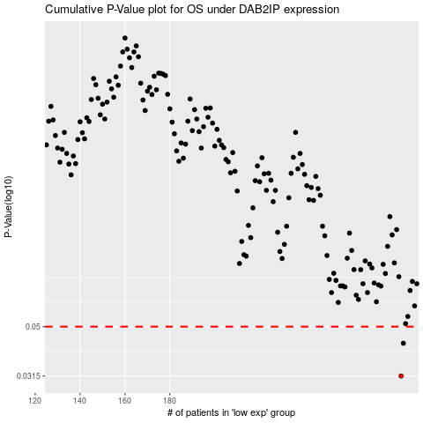

 |  |  |  |  |  | cases_OS | p_OS | rank | exp
 |  |  |  |  |  | 283 | 0.0315 | 97 | 0.33025415387
 |  |  |  |  |  | 284 | 0.0428 | 209 | 0.33148150789
 |  |  |  |  |  |  | cases_RFS | p_RFS | rank | exp
 |  |  |  |  |  |  | 282 | 0.0315 | 245 | 0.3293589686
 |  |  |  |  |  |  | 283 | 0.0428 | 97 | 0.33025415387

