DACT2 _multivariate
Reported by Tex Li-Hsing Chi. tex@gate.sinica.edu.tw 2019-08-20

Table 2. The clinicopathological features of HNSCC cohort and DACT2 expression. (Chi square test)
Cutoff at -0.396 (49.8%)
 |  | DACT2 expression |  | DACT2 expression |  | (Optimised)
 | Features | Low | (%) | High | (%) | Case no | P-value | Remark | Matthews
Gender | Female | 147 | 35.4 | 159 | 38.3 | 415 | 0.2523 | 0 | 0
2 | Male | 60 | 14.5 | 49 | 11.8
Age at diagnosis | <=65y | 136 | 32.8 | 138 | 33.3 | 415 | 0.9719 | 0 | 0
4 | >65y | 71 | 17.1 | 70 | 16.9
Clinical T Status | T1+T2 | 62 | 14.9 | 87 | 21 | 415 | 0.0156 | 1 | 0
6 | T3+T4 | 145 | 34.9 | 121 | 29.2
Clinical N Status | N0 | 100 | 24.1 | 116 | 28 | 415 | 0.1548 | 0 | 0
8 | N1-3 | 107 | 25.8 | 92 | 22.2
Clinical M Status | M0 | 205 | 49.4 | 207 | 49.9 | 415 | 0.6232 | 0 | 0
10 | M1 | 2 | 0.5 | 1 | 0.2
Clinical Stage | Stage I+II | 38 | 9.2 | 64 | 15.4 | 415 | 0.0048 | 1 | 0
12 | Stage III+IV | 169 | 40.7 | 144 | 34.7
Surgical Margin status | Negative | 156 | 37.6 | 162 | 39 | 415 | 0.5636 | 0 | 0
14 | Positive | 51 | 12.3 | 46 | 11.1
Tobacco Exposure | Low | 81 | 19.5 | 80 | 19.3 | 415 | 0.9199 | 0 | 0
16 | High | 126 | 30.4 | 128 | 30.8

Table 3. Univariate/Multivariate Cox's proportional hazards regression analyses on OS time of DACT2 gene expression in HNSCC

 |  | Univariate |  |  |  | Multivariate
 | Features | HR | CI95%(L) | CI95%(H) | P-value | HR | CI95%(L) | CI95%(H) | P-value
1 | Female | 1 |  |  |  | 1
Gender | Male | 1.157 | 0.843 | 1.587 | 0.367 | 1.18 | 0.843 | 1.653 | 0.335
11 | <=65y | 1 |  |  |  | 1
Age at diagnosis | >65y | 1.329 | 0.99 | 1.784 | 0.058 | 1.408 | 1.035 | 1.915 | 0.029
12 | T1+T2 | 1 |  |  |  | 1
Clinical T Status | T3+T4 | 1.409 | 1.028 | 1.931 | 0.033 | 2.184 | 1.155 | 4.128 | 0.016
13 | N0 | 1 |  |  |  | 1
Clinical N Status | N1-3 | 1.185 | 0.89 | 1.577 | 0.246 | 1.248 | 0.875 | 1.782 | 0.221
14 | M0 | 1 |  |  |  | 1
Clinical M Status | M1 | 4.097 | 1.009 | 16.644 | 0.049 | 9.133 | 1.991 | 41.899 | 0.004
15 | Stage I+II | 1 |  |  |  | 1
Clinical Stage | Stage III+IV | 1.245 | 0.882 | 1.759 | 0.213 | 0.498 | 0.232 | 1.07 | 0.074
16 | Negative | 1 |  |  |  | 1
Surgical Margin status | Positive | 1.591 | 1.155 | 2.191 | 0.004 | 1.662 | 1.203 | 2.297 | 0.002
17 | Low | 1 |  |  |  | 1
Tobacco Exposure | High | 1.364 | 1.008 | 1.844 | 0.044 | 1.453 | 1.053 | 2.004 | 0.023
18 | Low | 1 |  |  |  | 1
RNAseq(z-score) | High | 0.817 | 0.613 | 1.09 | 0.169 | 0.851 | 0.637 | 1.138 | 0.277

Table 4. Univariate/Multivariate Cox's proportional hazards regression analyses on RFS time of DACT2 gene expression in HNSCC

 |  | Univariate |  |  |  | Multivariate
 | Features | HR | CI95%(L) | CI95%(H) | P-value | HR | CI95%(L) | CI95%(H) | P-value
1 | Female | 1 |  |  |  | 1
Gender | Male | 1.157 | 0.843 | 1.587 | 0.367 | 1.18 | 0.843 | 1.653 | 0.335
11 | <=65y | 1 |  |  |  | 1
Age at diagnosis | >65y | 1.329 | 0.99 | 1.784 | 0.058 | 1.408 | 1.035 | 1.915 | 0.029
12 | T1+T2 | 1 |  |  |  | 1
Clinical T Status | T3+T4 | 1.409 | 1.028 | 1.931 | 0.033 | 2.184 | 1.155 | 4.128 | 0.016
13 | N0 | 1 |  |  |  | 1
Clinical N Status | N1-3 | 1.185 | 0.89 | 1.577 | 0.246 | 1.248 | 0.875 | 1.782 | 0.221
14 | M0 | 1 |  |  |  | 1
Clinical M Status | M1 | 4.097 | 1.009 | 16.644 | 0.049 | 9.133 | 1.991 | 41.899 | 0.004
15 | Stage I+II | 1 |  |  |  | 1
Clinical Stage | Stage III+IV | 1.245 | 0.882 | 1.759 | 0.213 | 0.498 | 0.232 | 1.07 | 0.074
16 | Negative | 1 |  |  |  | 1
Surgical Margin status | Positive | 1.591 | 1.155 | 2.191 | 0.004 | 1.662 | 1.203 | 2.297 | 0.002
17 | Low | 1 |  |  |  | 1
Tobacco Exposure | High | 1.364 | 1.008 | 1.844 | 0.044 | 1.453 | 1.053 | 2.004 | 0.023
18 | Low | 1 |  |  |  | 1
RNAseq(z-score) | High | 0.817 | 0.613 | 1.09 | 0.169 | 0.851 | 0.637 | 1.138 | 0.277

Kaplan-Meier survival estimate: Cutoff at -0.396 (49.8%)



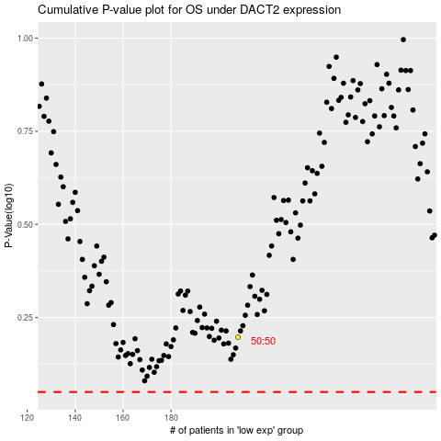

 |  |  |  |  |  | cases_OS | p_OS | rank | exp
 |  |  |  |  |  |  | cases_RFS | p_RFS | rank | exp

