DAND5 _multivariate
Reported by Tex Li-Hsing Chi. tex@gate.sinica.edu.tw 2019-08-20

Table 2. The clinicopathological features of HNSCC cohort and DAND5 expression. (Chi square test)
Cutoff at -0.223 (49.8%)
 |  | DAND5 expression |  | DAND5 expression |  | (Optimised)
 | Features | Low | (%) | High | (%) | Case no | P-value | Remark | Matthews
Gender | Female | 147 | 35.4 | 159 | 38.3 | 415 | 0.2523 | 0 | 0
2 | Male | 60 | 14.5 | 49 | 11.8
Age at diagnosis | <=65y | 134 | 32.3 | 140 | 33.7 | 415 | 0.6529 | 0 | 0
4 | >65y | 73 | 17.6 | 68 | 16.4
Clinical T Status | T1+T2 | 68 | 16.4 | 81 | 19.5 | 415 | 0.2336 | 0 | 0
6 | T3+T4 | 139 | 33.5 | 127 | 30.6
Clinical N Status | N0 | 112 | 27 | 104 | 25.1 | 415 | 0.4599 | 0 | 0
8 | N1-3 | 95 | 22.9 | 104 | 25.1
Clinical M Status | M0 | 206 | 49.6 | 206 | 49.6 | 415 | 1 | 0 | 0
10 | M1 | 1 | 0.2 | 2 | 0.5
Clinical Stage | Stage I+II | 47 | 11.3 | 55 | 13.3 | 415 | 0.4413 | 0 | 0
12 | Stage III+IV | 160 | 38.6 | 153 | 36.9
Surgical Margin status | Negative | 165 | 39.8 | 153 | 36.9 | 415 | 0.1639 | 0 | 0
14 | Positive | 42 | 10.1 | 55 | 13.3
Tobacco Exposure | Low | 80 | 19.3 | 81 | 19.5 | 415 | 1 | 0 | 0
16 | High | 127 | 30.6 | 127 | 30.6

Table 3. Univariate/Multivariate Cox's proportional hazards regression analyses on OS time of DAND5 gene expression in HNSCC

 |  | Univariate |  |  |  | Multivariate
 | Features | HR | CI95%(L) | CI95%(H) | P-value | HR | CI95%(L) | CI95%(H) | P-value
1 | Female | 1 |  |  |  | 1
Gender | Male | 1.157 | 0.843 | 1.587 | 0.367 | 1.218 | 0.871 | 1.704 | 0.248
11 | <=65y | 1 |  |  |  | 1
Age at diagnosis | >65y | 1.329 | 0.99 | 1.784 | 0.058 | 1.367 | 1.005 | 1.859 | 0.046
12 | T1+T2 | 1 |  |  |  | 1
Clinical T Status | T3+T4 | 1.409 | 1.028 | 1.931 | 0.033 | 2.205 | 1.167 | 4.168 | 0.015
13 | N0 | 1 |  |  |  | 1
Clinical N Status | N1-3 | 1.185 | 0.89 | 1.577 | 0.246 | 1.272 | 0.891 | 1.816 | 0.186
14 | M0 | 1 |  |  |  | 1
Clinical M Status | M1 | 4.097 | 1.009 | 16.644 | 0.049 | 10.142 | 2.207 | 46.613 | 0.003
15 | Stage I+II | 1 |  |  |  | 1
Clinical Stage | Stage III+IV | 1.245 | 0.882 | 1.759 | 0.213 | 0.494 | 0.23 | 1.059 | 0.07
16 | Negative | 1 |  |  |  | 1
Surgical Margin status | Positive | 1.591 | 1.155 | 2.191 | 0.004 | 1.712 | 1.237 | 2.369 | 0.001
17 | Low | 1 |  |  |  | 1
Tobacco Exposure | High | 1.364 | 1.008 | 1.844 | 0.044 | 1.459 | 1.058 | 2.011 | 0.021
18 | Low | 1 |  |  |  | 1
RNAseq(z-score) | High | 0.808 | 0.604 | 1.08 | 0.15 | 0.771 | 0.574 | 1.036 | 0.084

Table 4. Univariate/Multivariate Cox's proportional hazards regression analyses on RFS time of DAND5 gene expression in HNSCC

 |  | Univariate |  |  |  | Multivariate
 | Features | HR | CI95%(L) | CI95%(H) | P-value | HR | CI95%(L) | CI95%(H) | P-value
1 | Female | 1 |  |  |  | 1
Gender | Male | 1.157 | 0.843 | 1.587 | 0.367 | 1.218 | 0.871 | 1.704 | 0.248
11 | <=65y | 1 |  |  |  | 1
Age at diagnosis | >65y | 1.329 | 0.99 | 1.784 | 0.058 | 1.367 | 1.005 | 1.859 | 0.046
12 | T1+T2 | 1 |  |  |  | 1
Clinical T Status | T3+T4 | 1.409 | 1.028 | 1.931 | 0.033 | 2.205 | 1.167 | 4.168 | 0.015
13 | N0 | 1 |  |  |  | 1
Clinical N Status | N1-3 | 1.185 | 0.89 | 1.577 | 0.246 | 1.272 | 0.891 | 1.816 | 0.186
14 | M0 | 1 |  |  |  | 1
Clinical M Status | M1 | 4.097 | 1.009 | 16.644 | 0.049 | 10.142 | 2.207 | 46.613 | 0.003
15 | Stage I+II | 1 |  |  |  | 1
Clinical Stage | Stage III+IV | 1.245 | 0.882 | 1.759 | 0.213 | 0.494 | 0.23 | 1.059 | 0.07
16 | Negative | 1 |  |  |  | 1
Surgical Margin status | Positive | 1.591 | 1.155 | 2.191 | 0.004 | 1.712 | 1.237 | 2.369 | 0.001
17 | Low | 1 |  |  |  | 1
Tobacco Exposure | High | 1.364 | 1.008 | 1.844 | 0.044 | 1.459 | 1.058 | 2.011 | 0.021
18 | Low | 1 |  |  |  | 1
RNAseq(z-score) | High | 0.808 | 0.604 | 1.08 | 0.15 | 0.771 | 0.574 | 1.036 | 0.084

Kaplan-Meier survival estimate: Cutoff at -0.223 (49.8%)



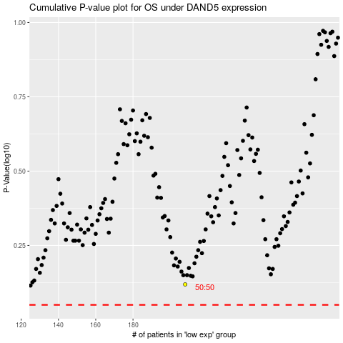

 |  |  |  |  |  | cases_OS | p_OS | rank | exp
 |  |  |  |  |  |  | cases_RFS | p_RFS | rank | exp

