DAPK1 _multivariate
Reported by Tex Li-Hsing Chi. tex@gate.sinica.edu.tw 2019-08-20

Table 2. The clinicopathological features of HNSCC cohort and DAPK1 expression. (Chi square test)
Cutoff at -0.265 (50.0%)
 |  | DAPK1 expression |  | DAPK1 expression |  | (Optimised)
 | Features | Low | (%) | High | (%) | Case no | P-value | Remark | Matthews
Gender | Female | 172 | 41.4 | 134 | 32.3 | 415 | 0 | 1 | 0
2 | Male | 35 | 8.4 | 74 | 17.8
Age at diagnosis | <=65y | 144 | 34.7 | 130 | 31.3 | 415 | 0.1568 | 0 | 0
4 | >65y | 63 | 15.2 | 78 | 18.8
Clinical T Status | T1+T2 | 72 | 17.3 | 77 | 18.6 | 415 | 0.7095 | 0 | 0
6 | T3+T4 | 135 | 32.5 | 131 | 31.6
Clinical N Status | N0 | 107 | 25.8 | 109 | 26.3 | 415 | 0.9624 | 0 | 0
8 | N1-3 | 100 | 24.1 | 99 | 23.9
Clinical M Status | M0 | 204 | 49.2 | 208 | 50.1 | 415 | 0.1232 | 0 | 0
10 | M1 | 3 | 0.7 | 0 | 0
Clinical Stage | Stage I+II | 48 | 11.6 | 54 | 13 | 415 | 0.5878 | 0 | 0
12 | Stage III+IV | 159 | 38.3 | 154 | 37.1
Surgical Margin status | Negative | 153 | 36.9 | 165 | 39.8 | 415 | 0.2036 | 0 | 0
14 | Positive | 54 | 13 | 43 | 10.4
Tobacco Exposure | Low | 71 | 17.1 | 90 | 21.7 | 415 | 0.0698 | 0 | 0
16 | High | 136 | 32.8 | 118 | 28.4

Table 3. Univariate/Multivariate Cox's proportional hazards regression analyses on OS time of DAPK1 gene expression in HNSCC

 |  | Univariate |  |  |  | Multivariate
 | Features | HR | CI95%(L) | CI95%(H) | P-value | HR | CI95%(L) | CI95%(H) | P-value
1 | Female | 1 |  |  |  | 1
Gender | Male | 1.157 | 0.843 | 1.587 | 0.367 | 1.208 | 0.863 | 1.692 | 0.271
11 | <=65y | 1 |  |  |  | 1
Age at diagnosis | >65y | 1.329 | 0.99 | 1.784 | 0.058 | 1.394 | 1.025 | 1.896 | 0.034
12 | T1+T2 | 1 |  |  |  | 1
Clinical T Status | T3+T4 | 1.409 | 1.028 | 1.931 | 0.033 | 2.206 | 1.166 | 4.171 | 0.015
13 | N0 | 1 |  |  |  | 1
Clinical N Status | N1-3 | 1.185 | 0.89 | 1.577 | 0.246 | 1.246 | 0.872 | 1.779 | 0.228
14 | M0 | 1 |  |  |  | 1
Clinical M Status | M1 | 4.097 | 1.009 | 16.644 | 0.049 | 9.245 | 2.005 | 42.629 | 0.004
15 | Stage I+II | 1 |  |  |  | 1
Clinical Stage | Stage III+IV | 1.245 | 0.882 | 1.759 | 0.213 | 0.503 | 0.234 | 1.079 | 0.078
16 | Negative | 1 |  |  |  | 1
Surgical Margin status | Positive | 1.591 | 1.155 | 2.191 | 0.004 | 1.667 | 1.205 | 2.305 | 0.002
17 | Low | 1 |  |  |  | 1
Tobacco Exposure | High | 1.364 | 1.008 | 1.844 | 0.044 | 1.448 | 1.049 | 1.997 | 0.024
18 | Low | 1 |  |  |  | 1
RNAseq(z-score) | High | 0.952 | 0.713 | 1.272 | 0.741 | 0.963 | 0.715 | 1.297 | 0.803

Table 4. Univariate/Multivariate Cox's proportional hazards regression analyses on RFS time of DAPK1 gene expression in HNSCC

 |  | Univariate |  |  |  | Multivariate
 | Features | HR | CI95%(L) | CI95%(H) | P-value | HR | CI95%(L) | CI95%(H) | P-value
1 | Female | 1 |  |  |  | 1
Gender | Male | 1.157 | 0.843 | 1.587 | 0.367 | 1.208 | 0.863 | 1.692 | 0.271
11 | <=65y | 1 |  |  |  | 1
Age at diagnosis | >65y | 1.329 | 0.99 | 1.784 | 0.058 | 1.394 | 1.025 | 1.896 | 0.034
12 | T1+T2 | 1 |  |  |  | 1
Clinical T Status | T3+T4 | 1.409 | 1.028 | 1.931 | 0.033 | 2.206 | 1.166 | 4.171 | 0.015
13 | N0 | 1 |  |  |  | 1
Clinical N Status | N1-3 | 1.185 | 0.89 | 1.577 | 0.246 | 1.246 | 0.872 | 1.779 | 0.228
14 | M0 | 1 |  |  |  | 1
Clinical M Status | M1 | 4.097 | 1.009 | 16.644 | 0.049 | 9.245 | 2.005 | 42.629 | 0.004
15 | Stage I+II | 1 |  |  |  | 1
Clinical Stage | Stage III+IV | 1.245 | 0.882 | 1.759 | 0.213 | 0.503 | 0.234 | 1.079 | 0.078
16 | Negative | 1 |  |  |  | 1
Surgical Margin status | Positive | 1.591 | 1.155 | 2.191 | 0.004 | 1.667 | 1.205 | 2.305 | 0.002
17 | Low | 1 |  |  |  | 1
Tobacco Exposure | High | 1.364 | 1.008 | 1.844 | 0.044 | 1.448 | 1.049 | 1.997 | 0.024
18 | Low | 1 |  |  |  | 1
RNAseq(z-score) | High | 0.952 | 0.713 | 1.272 | 0.741 | 0.963 | 0.715 | 1.297 | 0.803

Kaplan-Meier survival estimate: Cutoff at -0.265 (50.0%)

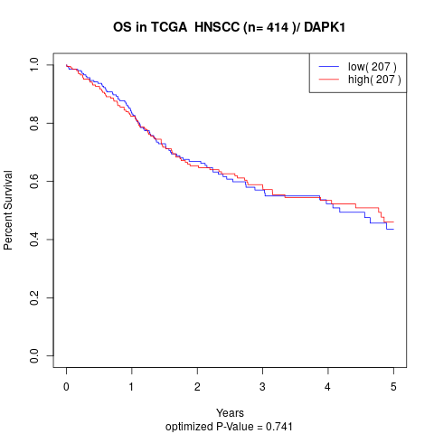

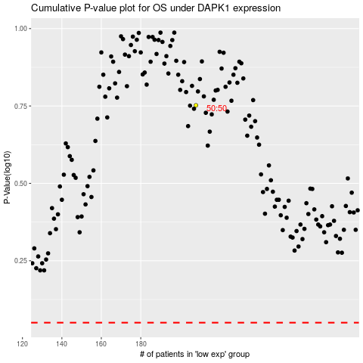

 |  |  |  |  |  | cases_OS | p_OS | rank | exp
 |  |  |  |  |  |  | cases_RFS | p_RFS | rank | exp

