DAPK2 _multivariate
Reported by Tex Li-Hsing Chi. tex@gate.sinica.edu.tw 2019-08-20

Table 2. The clinicopathological features of HNSCC cohort and DAPK2 expression. (Chi square test)
Cutoff at -0.6 (30.9%)
 |  | DAPK2 expression |  | DAPK2 expression |  | (Optimised)
 | Features | Low | (%) | High | (%) | Case no | P-value | Remark | Matthews
Gender | Female | 98 | 23.6 | 208 | 50.1 | 415 | 0.4512 | 0 | 0
2 | Male | 30 | 7.2 | 79 | 19
Age at diagnosis | <=65y | 75 | 18.1 | 199 | 48 | 415 | 0.0432 | 1 | 0
4 | >65y | 53 | 12.8 | 88 | 21.2
Clinical T Status | T1+T2 | 40 | 9.6 | 109 | 26.3 | 415 | 0.2267 | 0 | 0
6 | T3+T4 | 88 | 21.2 | 178 | 42.9
Clinical N Status | N0 | 64 | 15.4 | 152 | 36.6 | 415 | 0.6517 | 0 | 0
8 | N1-3 | 64 | 15.4 | 135 | 32.5
Clinical M Status | M0 | 127 | 30.6 | 285 | 68.7 | 415 | 1 | 0 | 0
10 | M1 | 1 | 0.2 | 2 | 0.5
Clinical Stage | Stage I+II | 31 | 7.5 | 71 | 17.1 | 415 | 1 | 0 | 0
12 | Stage III+IV | 97 | 23.4 | 216 | 52
Surgical Margin status | Negative | 99 | 23.9 | 219 | 52.8 | 415 | 0.9002 | 0 | 0
14 | Positive | 29 | 7 | 68 | 16.4
Tobacco Exposure | Low | 55 | 13.3 | 106 | 25.5 | 415 | 0.2756 | 0 | 0
16 | High | 73 | 17.6 | 181 | 43.6

Table 3. Univariate/Multivariate Cox's proportional hazards regression analyses on OS time of DAPK2 gene expression in HNSCC

 |  | Univariate |  |  |  | Multivariate
 | Features | HR | CI95%(L) | CI95%(H) | P-value | HR | CI95%(L) | CI95%(H) | P-value
1 | Female | 1 |  |  |  | 1
Gender | Male | 1.157 | 0.843 | 1.587 | 0.367 | 1.24 | 0.887 | 1.735 | 0.208
11 | <=65y | 1 |  |  |  | 1
Age at diagnosis | >65y | 1.329 | 0.99 | 1.784 | 0.058 | 1.35 | 0.992 | 1.837 | 0.056
12 | T1+T2 | 1 |  |  |  | 1
Clinical T Status | T3+T4 | 1.409 | 1.028 | 1.931 | 0.033 | 2.116 | 1.119 | 4.002 | 0.021
13 | N0 | 1 |  |  |  | 1
Clinical N Status | N1-3 | 1.185 | 0.89 | 1.577 | 0.246 | 1.209 | 0.846 | 1.727 | 0.298
14 | M0 | 1 |  |  |  | 1
Clinical M Status | M1 | 4.097 | 1.009 | 16.644 | 0.049 | 9.626 | 2.099 | 44.148 | 0.004
15 | Stage I+II | 1 |  |  |  | 1
Clinical Stage | Stage III+IV | 1.245 | 0.882 | 1.759 | 0.213 | 0.539 | 0.251 | 1.16 | 0.114
16 | Negative | 1 |  |  |  | 1
Surgical Margin status | Positive | 1.591 | 1.155 | 2.191 | 0.004 | 1.703 | 1.232 | 2.354 | 0.001
17 | Low | 1 |  |  |  | 1
Tobacco Exposure | High | 1.364 | 1.008 | 1.844 | 0.044 | 1.518 | 1.099 | 2.096 | 0.011
18 | Low | 1 |  |  |  | 1
RNAseq(z-score) | High | 0.716 | 0.527 | 0.973 | 0.033 | 0.691 | 0.505 | 0.946 | 0.021

Table 4. Univariate/Multivariate Cox's proportional hazards regression analyses on RFS time of DAPK2 gene expression in HNSCC

 |  | Univariate |  |  |  | Multivariate
 | Features | HR | CI95%(L) | CI95%(H) | P-value | HR | CI95%(L) | CI95%(H) | P-value
1 | Female | 1 |  |  |  | 1
Gender | Male | 1.157 | 0.843 | 1.587 | 0.367 | 1.24 | 0.887 | 1.735 | 0.208
11 | <=65y | 1 |  |  |  | 1
Age at diagnosis | >65y | 1.329 | 0.99 | 1.784 | 0.058 | 1.35 | 0.992 | 1.837 | 0.056
12 | T1+T2 | 1 |  |  |  | 1
Clinical T Status | T3+T4 | 1.409 | 1.028 | 1.931 | 0.033 | 2.116 | 1.119 | 4.002 | 0.021
13 | N0 | 1 |  |  |  | 1
Clinical N Status | N1-3 | 1.185 | 0.89 | 1.577 | 0.246 | 1.209 | 0.846 | 1.727 | 0.298
14 | M0 | 1 |  |  |  | 1
Clinical M Status | M1 | 4.097 | 1.009 | 16.644 | 0.049 | 9.626 | 2.099 | 44.148 | 0.004
15 | Stage I+II | 1 |  |  |  | 1
Clinical Stage | Stage III+IV | 1.245 | 0.882 | 1.759 | 0.213 | 0.539 | 0.251 | 1.16 | 0.114
16 | Negative | 1 |  |  |  | 1
Surgical Margin status | Positive | 1.591 | 1.155 | 2.191 | 0.004 | 1.703 | 1.232 | 2.354 | 0.001
17 | Low | 1 |  |  |  | 1
Tobacco Exposure | High | 1.364 | 1.008 | 1.844 | 0.044 | 1.518 | 1.099 | 2.096 | 0.011
18 | Low | 1 |  |  |  | 1
RNAseq(z-score) | High | 0.716 | 0.527 | 0.973 | 0.033 | 0.691 | 0.505 | 0.946 | 0.021

Kaplan-Meier survival estimate: Cutoff at -0.6 (30.9%)



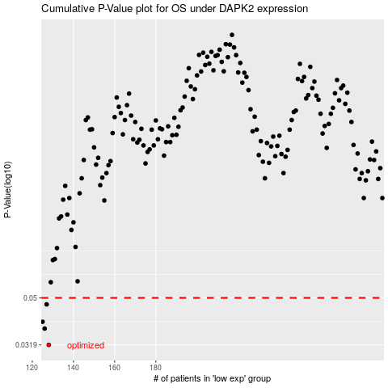

 |  |  |  |  |  | cases_OS | p_OS | rank | exp
 |  |  |  |  |  | 128 | 0.0319 | 175 | -0.59960231933
 |  |  |  |  |  | 126 | 0.0373 | 83 | -0.60465465944
 |  |  |  |  |  | 125 | 0.0398 | 243 | -0.60689052168
 |  |  |  |  |  | 127 | 0.047 | 108 | -0.60438567367
 |  |  |  |  |  |  | cases_RFS | p_RFS | rank | exp
 |  |  |  |  |  |  | 127 | 0.0319 | 108 | -0.60438567367
 |  |  |  |  |  |  | 125 | 0.0373 | 243 | -0.60689052168
 |  |  |  |  |  |  |  | 0.0398 | 168 | -0.61143638126
 |  |  |  |  |  |  | 126 | 0.047 | 83 | -0.60465465944

