DAPK3 _multivariate
Reported by Tex Li-Hsing Chi. tex@gate.sinica.edu.tw 2019-08-20

Table 2. The clinicopathological features of HNSCC cohort and DAPK3 expression. (Chi square test)
Cutoff at -0.134 (50.0%)
 |  | DAPK3 expression |  | DAPK3 expression |  | (Optimised)
 | Features | Low | (%) | High | (%) | Case no | P-value | Remark | Matthews
Gender | Female | 153 | 36.9 | 153 | 36.9 | 415 | 1 | 0 | 0
2 | Male | 54 | 13 | 55 | 13.3
Age at diagnosis | <=65y | 136 | 32.8 | 138 | 33.3 | 415 | 0.9719 | 0 | 0
4 | >65y | 71 | 17.1 | 70 | 16.9
Clinical T Status | T1+T2 | 76 | 18.3 | 73 | 17.6 | 415 | 0.8092 | 0 | 0
6 | T3+T4 | 131 | 31.6 | 135 | 32.5
Clinical N Status | N0 | 108 | 26 | 108 | 26 | 415 | 1 | 0 | 0
8 | N1-3 | 99 | 23.9 | 100 | 24.1
Clinical M Status | M0 | 206 | 49.6 | 206 | 49.6 | 415 | 1 | 0 | 0
10 | M1 | 1 | 0.2 | 2 | 0.5
Clinical Stage | Stage I+II | 52 | 12.5 | 50 | 12 | 415 | 0.8871 | 0 | 0
12 | Stage III+IV | 155 | 37.3 | 158 | 38.1
Surgical Margin status | Negative | 155 | 37.3 | 163 | 39.3 | 415 | 0.4187 | 0 | 0
14 | Positive | 52 | 12.5 | 45 | 10.8
Tobacco Exposure | Low | 76 | 18.3 | 85 | 20.5 | 415 | 0.4207 | 0 | 0
16 | High | 131 | 31.6 | 123 | 29.6

Table 3. Univariate/Multivariate Cox's proportional hazards regression analyses on OS time of DAPK3 gene expression in HNSCC

 |  | Univariate |  |  |  | Multivariate
 | Features | HR | CI95%(L) | CI95%(H) | P-value | HR | CI95%(L) | CI95%(H) | P-value
1 | Female | 1 |  |  |  | 1
Gender | Male | 1.157 | 0.843 | 1.587 | 0.367 | 1.226 | 0.877 | 1.714 | 0.234
11 | <=65y | 1 |  |  |  | 1
Age at diagnosis | >65y | 1.329 | 0.99 | 1.784 | 0.058 | 1.384 | 1.018 | 1.881 | 0.038
12 | T1+T2 | 1 |  |  |  | 1
Clinical T Status | T3+T4 | 1.409 | 1.028 | 1.931 | 0.033 | 2.257 | 1.192 | 4.274 | 0.012
13 | N0 | 1 |  |  |  | 1
Clinical N Status | N1-3 | 1.185 | 0.89 | 1.577 | 0.246 | 1.258 | 0.881 | 1.797 | 0.207
14 | M0 | 1 |  |  |  | 1
Clinical M Status | M1 | 4.097 | 1.009 | 16.644 | 0.049 | 9.854 | 2.145 | 45.276 | 0.003
15 | Stage I+II | 1 |  |  |  | 1
Clinical Stage | Stage III+IV | 1.245 | 0.882 | 1.759 | 0.213 | 0.49 | 0.228 | 1.052 | 0.067
16 | Negative | 1 |  |  |  | 1
Surgical Margin status | Positive | 1.591 | 1.155 | 2.191 | 0.004 | 1.676 | 1.212 | 2.318 | 0.002
17 | Low | 1 |  |  |  | 1
Tobacco Exposure | High | 1.364 | 1.008 | 1.844 | 0.044 | 1.479 | 1.072 | 2.041 | 0.017
18 | Low | 1 |  |  |  | 1
RNAseq(z-score) | High | 0.865 | 0.649 | 1.152 | 0.32 | 0.821 | 0.614 | 1.098 | 0.183

Table 4. Univariate/Multivariate Cox's proportional hazards regression analyses on RFS time of DAPK3 gene expression in HNSCC

 |  | Univariate |  |  |  | Multivariate
 | Features | HR | CI95%(L) | CI95%(H) | P-value | HR | CI95%(L) | CI95%(H) | P-value
1 | Female | 1 |  |  |  | 1
Gender | Male | 1.157 | 0.843 | 1.587 | 0.367 | 1.226 | 0.877 | 1.714 | 0.234
11 | <=65y | 1 |  |  |  | 1
Age at diagnosis | >65y | 1.329 | 0.99 | 1.784 | 0.058 | 1.384 | 1.018 | 1.881 | 0.038
12 | T1+T2 | 1 |  |  |  | 1
Clinical T Status | T3+T4 | 1.409 | 1.028 | 1.931 | 0.033 | 2.257 | 1.192 | 4.274 | 0.012
13 | N0 | 1 |  |  |  | 1
Clinical N Status | N1-3 | 1.185 | 0.89 | 1.577 | 0.246 | 1.258 | 0.881 | 1.797 | 0.207
14 | M0 | 1 |  |  |  | 1
Clinical M Status | M1 | 4.097 | 1.009 | 16.644 | 0.049 | 9.854 | 2.145 | 45.276 | 0.003
15 | Stage I+II | 1 |  |  |  | 1
Clinical Stage | Stage III+IV | 1.245 | 0.882 | 1.759 | 0.213 | 0.49 | 0.228 | 1.052 | 0.067
16 | Negative | 1 |  |  |  | 1
Surgical Margin status | Positive | 1.591 | 1.155 | 2.191 | 0.004 | 1.676 | 1.212 | 2.318 | 0.002
17 | Low | 1 |  |  |  | 1
Tobacco Exposure | High | 1.364 | 1.008 | 1.844 | 0.044 | 1.479 | 1.072 | 2.041 | 0.017
18 | Low | 1 |  |  |  | 1
RNAseq(z-score) | High | 0.865 | 0.649 | 1.152 | 0.32 | 0.821 | 0.614 | 1.098 | 0.183

Kaplan-Meier survival estimate: Cutoff at -0.134 (50.0%)



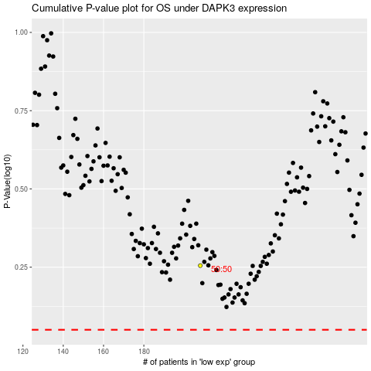

 |  |  |  |  |  | cases_OS | p_OS | rank | exp
 |  |  |  |  |  |  | cases_RFS | p_RFS | rank | exp

