DARS _multivariate
Reported by Tex Li-Hsing Chi. tex@gate.sinica.edu.tw 2019-08-20

Table 2. The clinicopathological features of HNSCC cohort and DARS expression. (Chi square test)
Cutoff at -0.043 (49.8%)
 |  | DARS expression |  | DARS expression |  | (Optimised)
 | Features | Low | (%) | High | (%) | Case no | P-value | Remark | Matthews
Gender | Female | 150 | 36.1 | 156 | 37.6 | 415 | 0.6344 | 0 | 0
2 | Male | 57 | 13.7 | 52 | 12.5
Age at diagnosis | <=65y | 130 | 31.3 | 144 | 34.7 | 415 | 0.2009 | 0 | 0
4 | >65y | 77 | 18.6 | 64 | 15.4
Clinical T Status | T1+T2 | 73 | 17.6 | 76 | 18.3 | 415 | 0.8666 | 0 | 0
6 | T3+T4 | 134 | 32.3 | 132 | 31.8
Clinical N Status | N0 | 104 | 25.1 | 112 | 27 | 415 | 0.5243 | 0 | 0
8 | N1-3 | 103 | 24.8 | 96 | 23.1
Clinical M Status | M0 | 206 | 49.6 | 206 | 49.6 | 415 | 1 | 0 | 0
10 | M1 | 1 | 0.2 | 2 | 0.5
Clinical Stage | Stage I+II | 47 | 11.3 | 55 | 13.3 | 415 | 0.4413 | 0 | 0
12 | Stage III+IV | 160 | 38.6 | 153 | 36.9
Surgical Margin status | Negative | 157 | 37.8 | 161 | 38.8 | 415 | 0.729 | 0 | 0
14 | Positive | 50 | 12 | 47 | 11.3
Tobacco Exposure | Low | 80 | 19.3 | 81 | 19.5 | 415 | 1 | 0 | 0
16 | High | 127 | 30.6 | 127 | 30.6

Table 3. Univariate/Multivariate Cox's proportional hazards regression analyses on OS time of DARS gene expression in HNSCC

 |  | Univariate |  |  |  | Multivariate
 | Features | HR | CI95%(L) | CI95%(H) | P-value | HR | CI95%(L) | CI95%(H) | P-value
1 | Female | 1 |  |  |  | 1
Gender | Male | 1.157 | 0.843 | 1.587 | 0.367 | 1.201 | 0.86 | 1.676 | 0.282
11 | <=65y | 1 |  |  |  | 1
Age at diagnosis | >65y | 1.329 | 0.99 | 1.784 | 0.058 | 1.443 | 1.06 | 1.964 | 0.02
12 | T1+T2 | 1 |  |  |  | 1
Clinical T Status | T3+T4 | 1.409 | 1.028 | 1.931 | 0.033 | 2.159 | 1.142 | 4.081 | 0.018
13 | N0 | 1 |  |  |  | 1
Clinical N Status | N1-3 | 1.185 | 0.89 | 1.577 | 0.246 | 1.246 | 0.873 | 1.778 | 0.226
14 | M0 | 1 |  |  |  | 1
Clinical M Status | M1 | 4.097 | 1.009 | 16.644 | 0.049 | 9.068 | 1.977 | 41.603 | 0.005
15 | Stage I+II | 1 |  |  |  | 1
Clinical Stage | Stage III+IV | 1.245 | 0.882 | 1.759 | 0.213 | 0.513 | 0.239 | 1.1 | 0.086
16 | Negative | 1 |  |  |  | 1
Surgical Margin status | Positive | 1.591 | 1.155 | 2.191 | 0.004 | 1.674 | 1.211 | 2.314 | 0.002
17 | Low | 1 |  |  |  | 1
Tobacco Exposure | High | 1.364 | 1.008 | 1.844 | 0.044 | 1.481 | 1.075 | 2.042 | 0.016
18 | Low | 1 |  |  |  | 1
RNAseq(z-score) | High | 1.278 | 0.958 | 1.704 | 0.096 | 1.347 | 1.006 | 1.803 | 0.046

Table 4. Univariate/Multivariate Cox's proportional hazards regression analyses on RFS time of DARS gene expression in HNSCC

 |  | Univariate |  |  |  | Multivariate
 | Features | HR | CI95%(L) | CI95%(H) | P-value | HR | CI95%(L) | CI95%(H) | P-value
1 | Female | 1 |  |  |  | 1
Gender | Male | 1.157 | 0.843 | 1.587 | 0.367 | 1.201 | 0.86 | 1.676 | 0.282
11 | <=65y | 1 |  |  |  | 1
Age at diagnosis | >65y | 1.329 | 0.99 | 1.784 | 0.058 | 1.443 | 1.06 | 1.964 | 0.02
12 | T1+T2 | 1 |  |  |  | 1
Clinical T Status | T3+T4 | 1.409 | 1.028 | 1.931 | 0.033 | 2.159 | 1.142 | 4.081 | 0.018
13 | N0 | 1 |  |  |  | 1
Clinical N Status | N1-3 | 1.185 | 0.89 | 1.577 | 0.246 | 1.246 | 0.873 | 1.778 | 0.226
14 | M0 | 1 |  |  |  | 1
Clinical M Status | M1 | 4.097 | 1.009 | 16.644 | 0.049 | 9.068 | 1.977 | 41.603 | 0.005
15 | Stage I+II | 1 |  |  |  | 1
Clinical Stage | Stage III+IV | 1.245 | 0.882 | 1.759 | 0.213 | 0.513 | 0.239 | 1.1 | 0.086
16 | Negative | 1 |  |  |  | 1
Surgical Margin status | Positive | 1.591 | 1.155 | 2.191 | 0.004 | 1.674 | 1.211 | 2.314 | 0.002
17 | Low | 1 |  |  |  | 1
Tobacco Exposure | High | 1.364 | 1.008 | 1.844 | 0.044 | 1.481 | 1.075 | 2.042 | 0.016
18 | Low | 1 |  |  |  | 1
RNAseq(z-score) | High | 1.278 | 0.958 | 1.704 | 0.096 | 1.347 | 1.006 | 1.803 | 0.046

Kaplan-Meier survival estimate: Cutoff at -0.043 (49.8%)



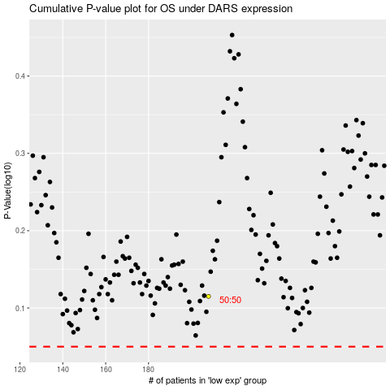

 |  |  |  |  |  | cases_OS | p_OS | rank | exp
 |  |  |  |  |  |  | cases_RFS | p_RFS | rank | exp

