DBN1 _multivariate
Reported by Tex Li-Hsing Chi. tex@gate.sinica.edu.tw 2019-08-20

Table 2. The clinicopathological features of HNSCC cohort and DBN1 expression. (Chi square test)
Cutoff at -0.159 (49.8%)
 |  | DBN1 expression |  | DBN1 expression |  | (Optimised)
 | Features | Low | (%) | High | (%) | Case no | P-value | Remark | Matthews
Gender | Female | 145 | 34.9 | 161 | 38.8 | 415 | 0.1116 | 0 | 0
2 | Male | 62 | 14.9 | 47 | 11.3
Age at diagnosis | <=65y | 130 | 31.3 | 144 | 34.7 | 415 | 0.2009 | 0 | 0
4 | >65y | 77 | 18.6 | 64 | 15.4
Clinical T Status | T1+T2 | 83 | 20 | 66 | 15.9 | 415 | 0.0941 | 0 | 0
6 | T3+T4 | 124 | 29.9 | 142 | 34.2
Clinical N Status | N0 | 114 | 27.5 | 102 | 24.6 | 415 | 0.2576 | 1 | 0
8 | N1-3 | 93 | 22.4 | 106 | 25.5
Clinical M Status | M0 | 205 | 49.4 | 207 | 49.9 | 415 | 0.6232 | 0 | 0
10 | M1 | 2 | 0.5 | 1 | 0.2
Clinical Stage | Stage I+II | 56 | 13.5 | 46 | 11.1 | 415 | 0.2918 | 0 | 0
12 | Stage III+IV | 151 | 36.4 | 162 | 39
Surgical Margin status | Negative | 158 | 38.1 | 160 | 38.6 | 415 | 0.9081 | 0 | 0
14 | Positive | 49 | 11.8 | 48 | 11.6
Tobacco Exposure | Low | 87 | 21 | 74 | 17.8 | 415 | 0.1911 | 0 | 0
16 | High | 120 | 28.9 | 134 | 32.3

Table 3. Univariate/Multivariate Cox's proportional hazards regression analyses on OS time of DBN1 gene expression in HNSCC

 |  | Univariate |  |  |  | Multivariate
 | Features | HR | CI95%(L) | CI95%(H) | P-value | HR | CI95%(L) | CI95%(H) | P-value
1 | Female | 1 |  |  |  | 1
Gender | Male | 1.157 | 0.843 | 1.587 | 0.367 | 1.206 | 0.863 | 1.686 | 0.273
11 | <=65y | 1 |  |  |  | 1
Age at diagnosis | >65y | 1.329 | 0.99 | 1.784 | 0.058 | 1.398 | 1.027 | 1.903 | 0.033
12 | T1+T2 | 1 |  |  |  | 1
Clinical T Status | T3+T4 | 1.409 | 1.028 | 1.931 | 0.033 | 2.19 | 1.157 | 4.145 | 0.016
13 | N0 | 1 |  |  |  | 1
Clinical N Status | N1-3 | 1.185 | 0.89 | 1.577 | 0.246 | 1.239 | 0.868 | 1.767 | 0.238
14 | M0 | 1 |  |  |  | 1
Clinical M Status | M1 | 4.097 | 1.009 | 16.644 | 0.049 | 9.422 | 2.055 | 43.193 | 0.004
15 | Stage I+II | 1 |  |  |  | 1
Clinical Stage | Stage III+IV | 1.245 | 0.882 | 1.759 | 0.213 | 0.507 | 0.236 | 1.089 | 0.081
16 | Negative | 1 |  |  |  | 1
Surgical Margin status | Positive | 1.591 | 1.155 | 2.191 | 0.004 | 1.673 | 1.211 | 2.312 | 0.002
17 | Low | 1 |  |  |  | 1
Tobacco Exposure | High | 1.364 | 1.008 | 1.844 | 0.044 | 1.454 | 1.055 | 2.003 | 0.022
18 | Low | 1 |  |  |  | 1
RNAseq(z-score) | High | 1.026 | 0.769 | 1.367 | 0.863 | 1.044 | 0.78 | 1.399 | 0.77

Table 4. Univariate/Multivariate Cox's proportional hazards regression analyses on RFS time of DBN1 gene expression in HNSCC

 |  | Univariate |  |  |  | Multivariate
 | Features | HR | CI95%(L) | CI95%(H) | P-value | HR | CI95%(L) | CI95%(H) | P-value
1 | Female | 1 |  |  |  | 1
Gender | Male | 1.157 | 0.843 | 1.587 | 0.367 | 1.206 | 0.863 | 1.686 | 0.273
11 | <=65y | 1 |  |  |  | 1
Age at diagnosis | >65y | 1.329 | 0.99 | 1.784 | 0.058 | 1.398 | 1.027 | 1.903 | 0.033
12 | T1+T2 | 1 |  |  |  | 1
Clinical T Status | T3+T4 | 1.409 | 1.028 | 1.931 | 0.033 | 2.19 | 1.157 | 4.145 | 0.016
13 | N0 | 1 |  |  |  | 1
Clinical N Status | N1-3 | 1.185 | 0.89 | 1.577 | 0.246 | 1.239 | 0.868 | 1.767 | 0.238
14 | M0 | 1 |  |  |  | 1
Clinical M Status | M1 | 4.097 | 1.009 | 16.644 | 0.049 | 9.422 | 2.055 | 43.193 | 0.004
15 | Stage I+II | 1 |  |  |  | 1
Clinical Stage | Stage III+IV | 1.245 | 0.882 | 1.759 | 0.213 | 0.507 | 0.236 | 1.089 | 0.081
16 | Negative | 1 |  |  |  | 1
Surgical Margin status | Positive | 1.591 | 1.155 | 2.191 | 0.004 | 1.673 | 1.211 | 2.312 | 0.002
17 | Low | 1 |  |  |  | 1
Tobacco Exposure | High | 1.364 | 1.008 | 1.844 | 0.044 | 1.454 | 1.055 | 2.003 | 0.022
18 | Low | 1 |  |  |  | 1
RNAseq(z-score) | High | 1.026 | 0.769 | 1.367 | 0.863 | 1.044 | 0.78 | 1.399 | 0.77

Kaplan-Meier survival estimate: Cutoff at -0.159 (49.8%)



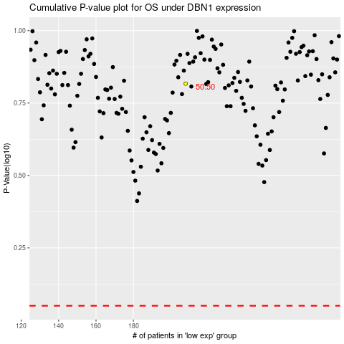

 |  |  |  |  |  | cases_OS | p_OS | rank | exp
 |  |  |  |  |  |  | cases_RFS | p_RFS | rank | exp

