DBNDD1 _multivariate
Reported by Tex Li-Hsing Chi. tex@gate.sinica.edu.tw 2019-08-20

Table 2. The clinicopathological features of HNSCC cohort and DBNDD1 expression. (Chi square test)
Cutoff at -0.428 (49.8%)
 |  | DBNDD1 expression |  | DBNDD1 expression |  | (Optimised)
 | Features | Low | (%) | High | (%) | Case no | P-value | Remark | Matthews
Gender | Female | 140 | 33.7 | 166 | 40 | 415 | 0.0068 | 1 | 0
2 | Male | 67 | 16.1 | 42 | 10.1
Age at diagnosis | <=65y | 129 | 31.1 | 145 | 34.9 | 415 | 0.1372 | 0 | 0
4 | >65y | 78 | 18.8 | 63 | 15.2
Clinical T Status | T1+T2 | 79 | 19 | 70 | 16.9 | 415 | 0.3924 | 0 | 0
6 | T3+T4 | 128 | 30.8 | 138 | 33.3
Clinical N Status | N0 | 111 | 26.7 | 105 | 25.3 | 415 | 0.5875 | 0 | 0
8 | N1-3 | 96 | 23.1 | 103 | 24.8
Clinical M Status | M0 | 205 | 49.4 | 207 | 49.9 | 415 | 0.6232 | 0 | 0
10 | M1 | 2 | 0.5 | 1 | 0.2
Clinical Stage | Stage I+II | 56 | 13.5 | 46 | 11.1 | 415 | 0.2918 | 0 | 0
12 | Stage III+IV | 151 | 36.4 | 162 | 39
Surgical Margin status | Negative | 160 | 38.6 | 158 | 38.1 | 415 | 0.8167 | 0 | 0
14 | Positive | 47 | 11.3 | 50 | 12
Tobacco Exposure | Low | 97 | 23.4 | 64 | 15.4 | 415 | 9e-04 | 1 | 0
16 | High | 110 | 26.5 | 144 | 34.7

Table 3. Univariate/Multivariate Cox's proportional hazards regression analyses on OS time of DBNDD1 gene expression in HNSCC

 |  | Univariate |  |  |  | Multivariate
 | Features | HR | CI95%(L) | CI95%(H) | P-value | HR | CI95%(L) | CI95%(H) | P-value
1 | Female | 1 |  |  |  | 1
Gender | Male | 1.157 | 0.843 | 1.587 | 0.367 | 1.195 | 0.854 | 1.671 | 0.298
11 | <=65y | 1 |  |  |  | 1
Age at diagnosis | >65y | 1.329 | 0.99 | 1.784 | 0.058 | 1.38 | 1.014 | 1.878 | 0.04
12 | T1+T2 | 1 |  |  |  | 1
Clinical T Status | T3+T4 | 1.409 | 1.028 | 1.931 | 0.033 | 2.162 | 1.144 | 4.089 | 0.018
13 | N0 | 1 |  |  |  | 1
Clinical N Status | N1-3 | 1.185 | 0.89 | 1.577 | 0.246 | 1.24 | 0.869 | 1.769 | 0.235
14 | M0 | 1 |  |  |  | 1
Clinical M Status | M1 | 4.097 | 1.009 | 16.644 | 0.049 | 9.013 | 1.964 | 41.364 | 0.005
15 | Stage I+II | 1 |  |  |  | 1
Clinical Stage | Stage III+IV | 1.245 | 0.882 | 1.759 | 0.213 | 0.518 | 0.241 | 1.114 | 0.092
16 | Negative | 1 |  |  |  | 1
Surgical Margin status | Positive | 1.591 | 1.155 | 2.191 | 0.004 | 1.654 | 1.197 | 2.286 | 0.002
17 | Low | 1 |  |  |  | 1
Tobacco Exposure | High | 1.364 | 1.008 | 1.844 | 0.044 | 1.521 | 1.093 | 2.117 | 0.013
18 | Low | 1 |  |  |  | 1
RNAseq(z-score) | High | 0.857 | 0.643 | 1.143 | 0.293 | 0.832 | 0.617 | 1.123 | 0.229

Table 4. Univariate/Multivariate Cox's proportional hazards regression analyses on RFS time of DBNDD1 gene expression in HNSCC

 |  | Univariate |  |  |  | Multivariate
 | Features | HR | CI95%(L) | CI95%(H) | P-value | HR | CI95%(L) | CI95%(H) | P-value
1 | Female | 1 |  |  |  | 1
Gender | Male | 1.157 | 0.843 | 1.587 | 0.367 | 1.195 | 0.854 | 1.671 | 0.298
11 | <=65y | 1 |  |  |  | 1
Age at diagnosis | >65y | 1.329 | 0.99 | 1.784 | 0.058 | 1.38 | 1.014 | 1.878 | 0.04
12 | T1+T2 | 1 |  |  |  | 1
Clinical T Status | T3+T4 | 1.409 | 1.028 | 1.931 | 0.033 | 2.162 | 1.144 | 4.089 | 0.018
13 | N0 | 1 |  |  |  | 1
Clinical N Status | N1-3 | 1.185 | 0.89 | 1.577 | 0.246 | 1.24 | 0.869 | 1.769 | 0.235
14 | M0 | 1 |  |  |  | 1
Clinical M Status | M1 | 4.097 | 1.009 | 16.644 | 0.049 | 9.013 | 1.964 | 41.364 | 0.005
15 | Stage I+II | 1 |  |  |  | 1
Clinical Stage | Stage III+IV | 1.245 | 0.882 | 1.759 | 0.213 | 0.518 | 0.241 | 1.114 | 0.092
16 | Negative | 1 |  |  |  | 1
Surgical Margin status | Positive | 1.591 | 1.155 | 2.191 | 0.004 | 1.654 | 1.197 | 2.286 | 0.002
17 | Low | 1 |  |  |  | 1
Tobacco Exposure | High | 1.364 | 1.008 | 1.844 | 0.044 | 1.521 | 1.093 | 2.117 | 0.013
18 | Low | 1 |  |  |  | 1
RNAseq(z-score) | High | 0.857 | 0.643 | 1.143 | 0.293 | 0.832 | 0.617 | 1.123 | 0.229

Kaplan-Meier survival estimate: Cutoff at -0.428 (49.8%)



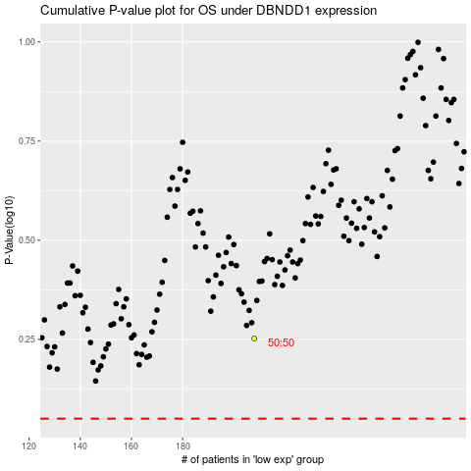

 |  |  |  |  |  | cases_OS | p_OS | rank | exp
 |  |  |  |  |  |  | cases_RFS | p_RFS | rank | exp

