DBNL _multivariate
Reported by Tex Li-Hsing Chi. tex@gate.sinica.edu.tw 2019-08-20

Table 2. The clinicopathological features of HNSCC cohort and DBNL expression. (Chi square test)
Cutoff at -0.203 (50.0%)
 |  | DBNL expression |  | DBNL expression |  | (Optimised)
 | Features | Low | (%) | High | (%) | Case no | P-value | Remark | Matthews
Gender | Female | 165 | 39.8 | 141 | 34 | 415 | 0.0081 | 1 | 0
2 | Male | 42 | 10.1 | 67 | 16.1
Age at diagnosis | <=65y | 134 | 32.3 | 140 | 33.7 | 415 | 0.6529 | 0 | 0
4 | >65y | 73 | 17.6 | 68 | 16.4
Clinical T Status | T1+T2 | 68 | 16.4 | 81 | 19.5 | 415 | 0.2336 | 0 | 0
6 | T3+T4 | 139 | 33.5 | 127 | 30.6
Clinical N Status | N0 | 104 | 25.1 | 112 | 27 | 415 | 0.5243 | 0 | 0
8 | N1-3 | 103 | 24.8 | 96 | 23.1
Clinical M Status | M0 | 207 | 49.9 | 205 | 49.4 | 415 | 0.2482 | 0 | 0
10 | M1 | 0 | 0 | 3 | 0.7
Clinical Stage | Stage I+II | 45 | 10.8 | 57 | 13.7 | 415 | 0.2202 | 0 | 0
12 | Stage III+IV | 162 | 39 | 151 | 36.4
Surgical Margin status | Negative | 157 | 37.8 | 161 | 38.8 | 415 | 0.729 | 0 | 0
14 | Positive | 50 | 12 | 47 | 11.3
Tobacco Exposure | Low | 63 | 15.2 | 98 | 23.6 | 415 | 6e-04 | 1 | 0
16 | High | 144 | 34.7 | 110 | 26.5

Table 3. Univariate/Multivariate Cox's proportional hazards regression analyses on OS time of DBNL gene expression in HNSCC

 |  | Univariate |  |  |  | Multivariate
 | Features | HR | CI95%(L) | CI95%(H) | P-value | HR | CI95%(L) | CI95%(H) | P-value
1 | Female | 1 |  |  |  | 1
Gender | Male | 1.157 | 0.843 | 1.587 | 0.367 | 1.186 | 0.847 | 1.66 | 0.32
11 | <=65y | 1 |  |  |  | 1
Age at diagnosis | >65y | 1.329 | 0.99 | 1.784 | 0.058 | 1.409 | 1.035 | 1.918 | 0.03
12 | T1+T2 | 1 |  |  |  | 1
Clinical T Status | T3+T4 | 1.409 | 1.028 | 1.931 | 0.033 | 2.196 | 1.162 | 4.152 | 0.015
13 | N0 | 1 |  |  |  | 1
Clinical N Status | N1-3 | 1.185 | 0.89 | 1.577 | 0.246 | 1.248 | 0.875 | 1.78 | 0.222
14 | M0 | 1 |  |  |  | 1
Clinical M Status | M1 | 4.097 | 1.009 | 16.644 | 0.049 | 8.814 | 1.907 | 40.749 | 0.005
15 | Stage I+II | 1 |  |  |  | 1
Clinical Stage | Stage III+IV | 1.245 | 0.882 | 1.759 | 0.213 | 0.509 | 0.237 | 1.094 | 0.084
16 | Negative | 1 |  |  |  | 1
Surgical Margin status | Positive | 1.591 | 1.155 | 2.191 | 0.004 | 1.666 | 1.206 | 2.301 | 0.002
17 | Low | 1 |  |  |  | 1
Tobacco Exposure | High | 1.364 | 1.008 | 1.844 | 0.044 | 1.474 | 1.067 | 2.035 | 0.019
18 | Low | 1 |  |  |  | 1
RNAseq(z-score) | High | 1.062 | 0.796 | 1.417 | 0.683 | 1.122 | 0.834 | 1.511 | 0.447

Table 4. Univariate/Multivariate Cox's proportional hazards regression analyses on RFS time of DBNL gene expression in HNSCC

 |  | Univariate |  |  |  | Multivariate
 | Features | HR | CI95%(L) | CI95%(H) | P-value | HR | CI95%(L) | CI95%(H) | P-value
1 | Female | 1 |  |  |  | 1
Gender | Male | 1.157 | 0.843 | 1.587 | 0.367 | 1.186 | 0.847 | 1.66 | 0.32
11 | <=65y | 1 |  |  |  | 1
Age at diagnosis | >65y | 1.329 | 0.99 | 1.784 | 0.058 | 1.409 | 1.035 | 1.918 | 0.03
12 | T1+T2 | 1 |  |  |  | 1
Clinical T Status | T3+T4 | 1.409 | 1.028 | 1.931 | 0.033 | 2.196 | 1.162 | 4.152 | 0.015
13 | N0 | 1 |  |  |  | 1
Clinical N Status | N1-3 | 1.185 | 0.89 | 1.577 | 0.246 | 1.248 | 0.875 | 1.78 | 0.222
14 | M0 | 1 |  |  |  | 1
Clinical M Status | M1 | 4.097 | 1.009 | 16.644 | 0.049 | 8.814 | 1.907 | 40.749 | 0.005
15 | Stage I+II | 1 |  |  |  | 1
Clinical Stage | Stage III+IV | 1.245 | 0.882 | 1.759 | 0.213 | 0.509 | 0.237 | 1.094 | 0.084
16 | Negative | 1 |  |  |  | 1
Surgical Margin status | Positive | 1.591 | 1.155 | 2.191 | 0.004 | 1.666 | 1.206 | 2.301 | 0.002
17 | Low | 1 |  |  |  | 1
Tobacco Exposure | High | 1.364 | 1.008 | 1.844 | 0.044 | 1.474 | 1.067 | 2.035 | 0.019
18 | Low | 1 |  |  |  | 1
RNAseq(z-score) | High | 1.062 | 0.796 | 1.417 | 0.683 | 1.122 | 0.834 | 1.511 | 0.447

Kaplan-Meier survival estimate: Cutoff at -0.203 (50.0%)



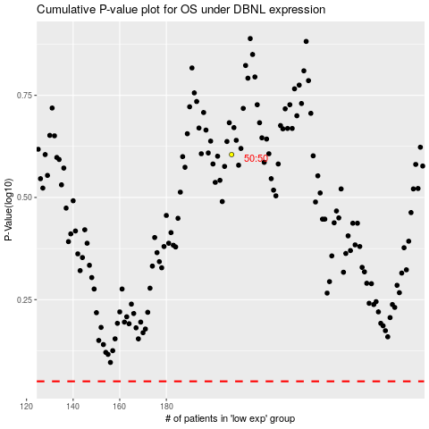

 |  |  |  |  |  | cases_OS | p_OS | rank | exp
 |  |  |  |  |  |  | cases_RFS | p_RFS | rank | exp

