DBR1 _multivariate
Reported by Tex Li-Hsing Chi. tex@gate.sinica.edu.tw 2019-08-20

Table 2. The clinicopathological features of HNSCC cohort and DBR1 expression. (Chi square test)
Cutoff at -0.13 (49.8%)
 |  | DBR1 expression |  | DBR1 expression |  | (Optimised)
 | Features | Low | (%) | High | (%) | Case no | P-value | Remark | Matthews
Gender | Female | 148 | 35.7 | 158 | 38.1 | 415 | 0.3567 | 0 | 0
2 | Male | 59 | 14.2 | 50 | 12
Age at diagnosis | <=65y | 130 | 31.3 | 144 | 34.7 | 415 | 0.2009 | 0 | 0
4 | >65y | 77 | 18.6 | 64 | 15.4
Clinical T Status | T1+T2 | 70 | 16.9 | 79 | 19 | 415 | 0.4343 | 0 | 0
6 | T3+T4 | 137 | 33 | 129 | 31.1
Clinical N Status | N0 | 109 | 26.3 | 107 | 25.8 | 415 | 0.8812 | 0 | 0
8 | N1-3 | 98 | 23.6 | 101 | 24.3
Clinical M Status | M0 | 206 | 49.6 | 206 | 49.6 | 415 | 1 | 0 | 0
10 | M1 | 1 | 0.2 | 2 | 0.5
Clinical Stage | Stage I+II | 48 | 11.6 | 54 | 13 | 415 | 0.5878 | 0 | 0
12 | Stage III+IV | 159 | 38.3 | 154 | 37.1
Surgical Margin status | Negative | 168 | 40.5 | 150 | 36.1 | 415 | 0.0366 | 1 | 0
14 | Positive | 39 | 9.4 | 58 | 14
Tobacco Exposure | Low | 91 | 21.9 | 70 | 16.9 | 415 | 0.0346 | 1 | 0
16 | High | 116 | 28 | 138 | 33.3

Table 3. Univariate/Multivariate Cox's proportional hazards regression analyses on OS time of DBR1 gene expression in HNSCC

 |  | Univariate |  |  |  | Multivariate
 | Features | HR | CI95%(L) | CI95%(H) | P-value | HR | CI95%(L) | CI95%(H) | P-value
1 | Female | 1 |  |  |  | 1
Gender | Male | 1.157 | 0.843 | 1.587 | 0.367 | 1.211 | 0.866 | 1.694 | 0.263
11 | <=65y | 1 |  |  |  | 1
Age at diagnosis | >65y | 1.329 | 0.99 | 1.784 | 0.058 | 1.392 | 1.024 | 1.892 | 0.035
12 | T1+T2 | 1 |  |  |  | 1
Clinical T Status | T3+T4 | 1.409 | 1.028 | 1.931 | 0.033 | 2.218 | 1.172 | 4.198 | 0.014
13 | N0 | 1 |  |  |  | 1
Clinical N Status | N1-3 | 1.185 | 0.89 | 1.577 | 0.246 | 1.245 | 0.872 | 1.776 | 0.228
14 | M0 | 1 |  |  |  | 1
Clinical M Status | M1 | 4.097 | 1.009 | 16.644 | 0.049 | 9.408 | 2.052 | 43.131 | 0.004
15 | Stage I+II | 1 |  |  |  | 1
Clinical Stage | Stage III+IV | 1.245 | 0.882 | 1.759 | 0.213 | 0.505 | 0.235 | 1.083 | 0.079
16 | Negative | 1 |  |  |  | 1
Surgical Margin status | Positive | 1.591 | 1.155 | 2.191 | 0.004 | 1.67 | 1.208 | 2.308 | 0.002
17 | Low | 1 |  |  |  | 1
Tobacco Exposure | High | 1.364 | 1.008 | 1.844 | 0.044 | 1.442 | 1.046 | 1.989 | 0.026
18 | Low | 1 |  |  |  | 1
RNAseq(z-score) | High | 1.063 | 0.798 | 1.417 | 0.676 | 1.082 | 0.809 | 1.449 | 0.594

Table 4. Univariate/Multivariate Cox's proportional hazards regression analyses on RFS time of DBR1 gene expression in HNSCC

 |  | Univariate |  |  |  | Multivariate
 | Features | HR | CI95%(L) | CI95%(H) | P-value | HR | CI95%(L) | CI95%(H) | P-value
1 | Female | 1 |  |  |  | 1
Gender | Male | 1.157 | 0.843 | 1.587 | 0.367 | 1.211 | 0.866 | 1.694 | 0.263
11 | <=65y | 1 |  |  |  | 1
Age at diagnosis | >65y | 1.329 | 0.99 | 1.784 | 0.058 | 1.392 | 1.024 | 1.892 | 0.035
12 | T1+T2 | 1 |  |  |  | 1
Clinical T Status | T3+T4 | 1.409 | 1.028 | 1.931 | 0.033 | 2.218 | 1.172 | 4.198 | 0.014
13 | N0 | 1 |  |  |  | 1
Clinical N Status | N1-3 | 1.185 | 0.89 | 1.577 | 0.246 | 1.245 | 0.872 | 1.776 | 0.228
14 | M0 | 1 |  |  |  | 1
Clinical M Status | M1 | 4.097 | 1.009 | 16.644 | 0.049 | 9.408 | 2.052 | 43.131 | 0.004
15 | Stage I+II | 1 |  |  |  | 1
Clinical Stage | Stage III+IV | 1.245 | 0.882 | 1.759 | 0.213 | 0.505 | 0.235 | 1.083 | 0.079
16 | Negative | 1 |  |  |  | 1
Surgical Margin status | Positive | 1.591 | 1.155 | 2.191 | 0.004 | 1.67 | 1.208 | 2.308 | 0.002
17 | Low | 1 |  |  |  | 1
Tobacco Exposure | High | 1.364 | 1.008 | 1.844 | 0.044 | 1.442 | 1.046 | 1.989 | 0.026
18 | Low | 1 |  |  |  | 1
RNAseq(z-score) | High | 1.063 | 0.798 | 1.417 | 0.676 | 1.082 | 0.809 | 1.449 | 0.594

Kaplan-Meier survival estimate: Cutoff at -0.13 (49.8%)



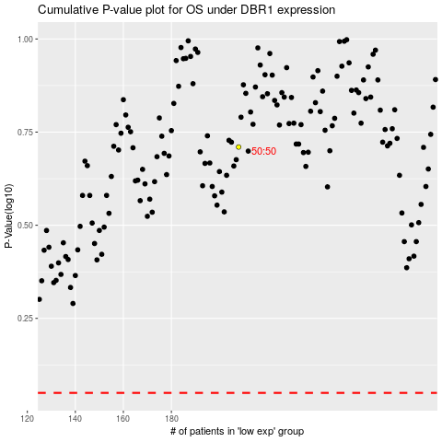

 |  |  |  |  |  | cases_OS | p_OS | rank | exp
 |  |  |  |  |  |  | cases_RFS | p_RFS | rank | exp

