DBT _multivariate
Reported by Tex Li-Hsing Chi. tex@gate.sinica.edu.tw 2019-08-20

Table 2. The clinicopathological features of HNSCC cohort and DBT expression. (Chi square test)
Cutoff at -0.277 (49.8%)
 |  | DBT expression |  | DBT expression |  | (Optimised)
 | Features | Low | (%) | High | (%) | Case no | P-value | Remark | Matthews
Gender | Female | 146 | 35.2 | 160 | 38.6 | 415 | 0.1714 | 0 | 0
2 | Male | 61 | 14.7 | 48 | 11.6
Age at diagnosis | <=65y | 131 | 31.6 | 143 | 34.5 | 415 | 0.2839 | 0 | 0
4 | >65y | 76 | 18.3 | 65 | 15.7
Clinical T Status | T1+T2 | 63 | 15.2 | 86 | 20.7 | 415 | 0.0268 | 1 | 0
6 | T3+T4 | 144 | 34.7 | 122 | 29.4
Clinical N Status | N0 | 107 | 25.8 | 109 | 26.3 | 415 | 0.9624 | 0 | 0
8 | N1-3 | 100 | 24.1 | 99 | 23.9
Clinical M Status | M0 | 205 | 49.4 | 207 | 49.9 | 415 | 0.6232 | 0 | 0
10 | M1 | 2 | 0.5 | 1 | 0.2
Clinical Stage | Stage I+II | 44 | 10.6 | 58 | 14 | 415 | 0.1459 | 0 | 0
12 | Stage III+IV | 163 | 39.3 | 150 | 36.1
Surgical Margin status | Negative | 161 | 38.8 | 157 | 37.8 | 415 | 0.6429 | 0 | 0
14 | Positive | 46 | 11.1 | 51 | 12.3
Tobacco Exposure | Low | 87 | 21 | 74 | 17.8 | 415 | 0.1911 | 0 | 0
16 | High | 120 | 28.9 | 134 | 32.3

Table 3. Univariate/Multivariate Cox's proportional hazards regression analyses on OS time of DBT gene expression in HNSCC

 |  | Univariate |  |  |  | Multivariate
 | Features | HR | CI95%(L) | CI95%(H) | P-value | HR | CI95%(L) | CI95%(H) | P-value
1 | Female | 1 |  |  |  | 1
Gender | Male | 1.157 | 0.843 | 1.587 | 0.367 | 1.191 | 0.853 | 1.663 | 0.305
11 | <=65y | 1 |  |  |  | 1
Age at diagnosis | >65y | 1.329 | 0.99 | 1.784 | 0.058 | 1.423 | 1.044 | 1.941 | 0.026
12 | T1+T2 | 1 |  |  |  | 1
Clinical T Status | T3+T4 | 1.409 | 1.028 | 1.931 | 0.033 | 2.249 | 1.189 | 4.256 | 0.013
13 | N0 | 1 |  |  |  | 1
Clinical N Status | N1-3 | 1.185 | 0.89 | 1.577 | 0.246 | 1.244 | 0.872 | 1.775 | 0.229
14 | M0 | 1 |  |  |  | 1
Clinical M Status | M1 | 4.097 | 1.009 | 16.644 | 0.049 | 9.739 | 2.122 | 44.698 | 0.003
15 | Stage I+II | 1 |  |  |  | 1
Clinical Stage | Stage III+IV | 1.245 | 0.882 | 1.759 | 0.213 | 0.498 | 0.232 | 1.069 | 0.074
16 | Negative | 1 |  |  |  | 1
Surgical Margin status | Positive | 1.591 | 1.155 | 2.191 | 0.004 | 1.645 | 1.189 | 2.276 | 0.003
17 | Low | 1 |  |  |  | 1
Tobacco Exposure | High | 1.364 | 1.008 | 1.844 | 0.044 | 1.432 | 1.039 | 1.974 | 0.028
18 | Low | 1 |  |  |  | 1
RNAseq(z-score) | High | 1.145 | 0.859 | 1.526 | 0.355 | 1.171 | 0.873 | 1.571 | 0.293

Table 4. Univariate/Multivariate Cox's proportional hazards regression analyses on RFS time of DBT gene expression in HNSCC

 |  | Univariate |  |  |  | Multivariate
 | Features | HR | CI95%(L) | CI95%(H) | P-value | HR | CI95%(L) | CI95%(H) | P-value
1 | Female | 1 |  |  |  | 1
Gender | Male | 1.157 | 0.843 | 1.587 | 0.367 | 1.191 | 0.853 | 1.663 | 0.305
11 | <=65y | 1 |  |  |  | 1
Age at diagnosis | >65y | 1.329 | 0.99 | 1.784 | 0.058 | 1.423 | 1.044 | 1.941 | 0.026
12 | T1+T2 | 1 |  |  |  | 1
Clinical T Status | T3+T4 | 1.409 | 1.028 | 1.931 | 0.033 | 2.249 | 1.189 | 4.256 | 0.013
13 | N0 | 1 |  |  |  | 1
Clinical N Status | N1-3 | 1.185 | 0.89 | 1.577 | 0.246 | 1.244 | 0.872 | 1.775 | 0.229
14 | M0 | 1 |  |  |  | 1
Clinical M Status | M1 | 4.097 | 1.009 | 16.644 | 0.049 | 9.739 | 2.122 | 44.698 | 0.003
15 | Stage I+II | 1 |  |  |  | 1
Clinical Stage | Stage III+IV | 1.245 | 0.882 | 1.759 | 0.213 | 0.498 | 0.232 | 1.069 | 0.074
16 | Negative | 1 |  |  |  | 1
Surgical Margin status | Positive | 1.591 | 1.155 | 2.191 | 0.004 | 1.645 | 1.189 | 2.276 | 0.003
17 | Low | 1 |  |  |  | 1
Tobacco Exposure | High | 1.364 | 1.008 | 1.844 | 0.044 | 1.432 | 1.039 | 1.974 | 0.028
18 | Low | 1 |  |  |  | 1
RNAseq(z-score) | High | 1.145 | 0.859 | 1.526 | 0.355 | 1.171 | 0.873 | 1.571 | 0.293

Kaplan-Meier survival estimate: Cutoff at -0.277 (49.8%)

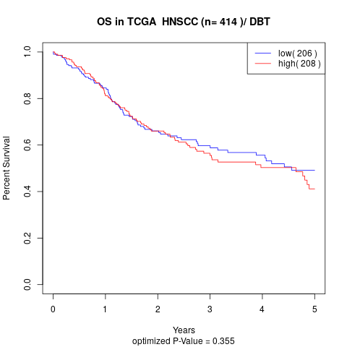

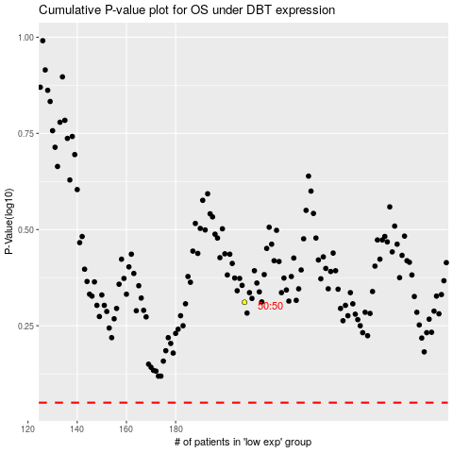

 |  |  |  |  |  | cases_OS | p_OS | rank | exp
 |  |  |  |  |  |  | cases_RFS | p_RFS | rank | exp

