DCAF10 _multivariate
Reported by Tex Li-Hsing Chi. tex@gate.sinica.edu.tw 2019-08-20

Table 2. The clinicopathological features of HNSCC cohort and DCAF10 expression. (Chi square test)
Cutoff at -0.136 (49.8%)
 |  | DCAF10 expression |  | DCAF10 expression |  | (Optimised)
 | Features | Low | (%) | High | (%) | Case no | P-value | Remark | Matthews
Gender | Female | 161 | 38.8 | 145 | 34.9 | 415 | 0.0792 | 0 | 0
2 | Male | 46 | 11.1 | 63 | 15.2
Age at diagnosis | <=65y | 136 | 32.8 | 138 | 33.3 | 415 | 0.9719 | 0 | 0
4 | >65y | 71 | 17.1 | 70 | 16.9
Clinical T Status | T1+T2 | 75 | 18.1 | 74 | 17.8 | 415 | 0.9707 | 0 | 0
6 | T3+T4 | 132 | 31.8 | 134 | 32.3
Clinical N Status | N0 | 115 | 27.7 | 101 | 24.3 | 415 | 0.184 | 1 | 0
8 | N1-3 | 92 | 22.2 | 107 | 25.8
Clinical M Status | M0 | 204 | 49.2 | 208 | 50.1 | 415 | 0.1232 | 0 | 0
10 | M1 | 3 | 0.7 | 0 | 0
Clinical Stage | Stage I+II | 51 | 12.3 | 51 | 12.3 | 415 | 1 | 0 | 0
12 | Stage III+IV | 156 | 37.6 | 157 | 37.8
Surgical Margin status | Negative | 164 | 39.5 | 154 | 37.1 | 415 | 0.2462 | 0 | 0
14 | Positive | 43 | 10.4 | 54 | 13
Tobacco Exposure | Low | 66 | 15.9 | 95 | 22.9 | 415 | 0.0048 | 1 | 0
16 | High | 141 | 34 | 113 | 27.2

Table 3. Univariate/Multivariate Cox's proportional hazards regression analyses on OS time of DCAF10 gene expression in HNSCC

 |  | Univariate |  |  |  | Multivariate
 | Features | HR | CI95%(L) | CI95%(H) | P-value | HR | CI95%(L) | CI95%(H) | P-value
1 | Female | 1 |  |  |  | 1
Gender | Male | 1.157 | 0.843 | 1.587 | 0.367 | 1.185 | 0.849 | 1.655 | 0.318
11 | <=65y | 1 |  |  |  | 1
Age at diagnosis | >65y | 1.329 | 0.99 | 1.784 | 0.058 | 1.415 | 1.039 | 1.927 | 0.027
12 | T1+T2 | 1 |  |  |  | 1
Clinical T Status | T3+T4 | 1.409 | 1.028 | 1.931 | 0.033 | 2.209 | 1.168 | 4.178 | 0.015
13 | N0 | 1 |  |  |  | 1
Clinical N Status | N1-3 | 1.185 | 0.89 | 1.577 | 0.246 | 1.217 | 0.853 | 1.738 | 0.279
14 | M0 | 1 |  |  |  | 1
Clinical M Status | M1 | 4.097 | 1.009 | 16.644 | 0.049 | 10.708 | 2.312 | 49.603 | 0.002
15 | Stage I+II | 1 |  |  |  | 1
Clinical Stage | Stage III+IV | 1.245 | 0.882 | 1.759 | 0.213 | 0.514 | 0.239 | 1.105 | 0.088
16 | Negative | 1 |  |  |  | 1
Surgical Margin status | Positive | 1.591 | 1.155 | 2.191 | 0.004 | 1.638 | 1.184 | 2.266 | 0.003
17 | Low | 1 |  |  |  | 1
Tobacco Exposure | High | 1.364 | 1.008 | 1.844 | 0.044 | 1.529 | 1.103 | 2.121 | 0.011
18 | Low | 1 |  |  |  | 1
RNAseq(z-score) | High | 1.171 | 0.879 | 1.561 | 0.281 | 1.258 | 0.932 | 1.697 | 0.134

Table 4. Univariate/Multivariate Cox's proportional hazards regression analyses on RFS time of DCAF10 gene expression in HNSCC

 |  | Univariate |  |  |  | Multivariate
 | Features | HR | CI95%(L) | CI95%(H) | P-value | HR | CI95%(L) | CI95%(H) | P-value
1 | Female | 1 |  |  |  | 1
Gender | Male | 1.157 | 0.843 | 1.587 | 0.367 | 1.185 | 0.849 | 1.655 | 0.318
11 | <=65y | 1 |  |  |  | 1
Age at diagnosis | >65y | 1.329 | 0.99 | 1.784 | 0.058 | 1.415 | 1.039 | 1.927 | 0.027
12 | T1+T2 | 1 |  |  |  | 1
Clinical T Status | T3+T4 | 1.409 | 1.028 | 1.931 | 0.033 | 2.209 | 1.168 | 4.178 | 0.015
13 | N0 | 1 |  |  |  | 1
Clinical N Status | N1-3 | 1.185 | 0.89 | 1.577 | 0.246 | 1.217 | 0.853 | 1.738 | 0.279
14 | M0 | 1 |  |  |  | 1
Clinical M Status | M1 | 4.097 | 1.009 | 16.644 | 0.049 | 10.708 | 2.312 | 49.603 | 0.002
15 | Stage I+II | 1 |  |  |  | 1
Clinical Stage | Stage III+IV | 1.245 | 0.882 | 1.759 | 0.213 | 0.514 | 0.239 | 1.105 | 0.088
16 | Negative | 1 |  |  |  | 1
Surgical Margin status | Positive | 1.591 | 1.155 | 2.191 | 0.004 | 1.638 | 1.184 | 2.266 | 0.003
17 | Low | 1 |  |  |  | 1
Tobacco Exposure | High | 1.364 | 1.008 | 1.844 | 0.044 | 1.529 | 1.103 | 2.121 | 0.011
18 | Low | 1 |  |  |  | 1
RNAseq(z-score) | High | 1.171 | 0.879 | 1.561 | 0.281 | 1.258 | 0.932 | 1.697 | 0.134

Kaplan-Meier survival estimate: Cutoff at -0.136 (49.8%)



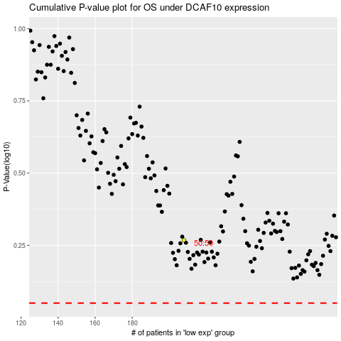

 |  |  |  |  |  | cases_OS | p_OS | rank | exp
 |  |  |  |  |  |  | cases_RFS | p_RFS | rank | exp

