DCAF11 _multivariate
Reported by Tex Li-Hsing Chi. tex@gate.sinica.edu.tw 2019-08-20

Table 2. The clinicopathological features of HNSCC cohort and DCAF11 expression. (Chi square test)
Cutoff at -0.261 (49.8%)
 |  | DCAF11 expression |  | DCAF11 expression |  | (Optimised)
 | Features | Low | (%) | High | (%) | Case no | P-value | Remark | Matthews
Gender | Female | 145 | 34.9 | 161 | 38.8 | 415 | 0.1116 | 0 | 0
2 | Male | 62 | 14.9 | 47 | 11.3
Age at diagnosis | <=65y | 126 | 30.4 | 148 | 35.7 | 415 | 0.035 | 1 | 0
4 | >65y | 81 | 19.5 | 60 | 14.5
Clinical T Status | T1+T2 | 70 | 16.9 | 79 | 19 | 415 | 0.4343 | 0 | 0
6 | T3+T4 | 137 | 33 | 129 | 31.1
Clinical N Status | N0 | 105 | 25.3 | 111 | 26.7 | 415 | 0.6598 | 0 | 0
8 | N1-3 | 102 | 24.6 | 97 | 23.4
Clinical M Status | M0 | 204 | 49.2 | 208 | 50.1 | 415 | 0.1232 | 0 | 0
10 | M1 | 3 | 0.7 | 0 | 0
Clinical Stage | Stage I+II | 51 | 12.3 | 51 | 12.3 | 415 | 1 | 0 | 0
12 | Stage III+IV | 156 | 37.6 | 157 | 37.8
Surgical Margin status | Negative | 161 | 38.8 | 157 | 37.8 | 415 | 0.6429 | 0 | 0
14 | Positive | 46 | 11.1 | 51 | 12.3
Tobacco Exposure | Low | 88 | 21.2 | 73 | 17.6 | 415 | 0.1314 | 0 | 0
16 | High | 119 | 28.7 | 135 | 32.5

Table 3. Univariate/Multivariate Cox's proportional hazards regression analyses on OS time of DCAF11 gene expression in HNSCC

 |  | Univariate |  |  |  | Multivariate
 | Features | HR | CI95%(L) | CI95%(H) | P-value | HR | CI95%(L) | CI95%(H) | P-value
1 | Female | 1 |  |  |  | 1
Gender | Male | 1.157 | 0.843 | 1.587 | 0.367 | 1.208 | 0.864 | 1.689 | 0.27
11 | <=65y | 1 |  |  |  | 1
Age at diagnosis | >65y | 1.329 | 0.99 | 1.784 | 0.058 | 1.403 | 1.031 | 1.909 | 0.031
12 | T1+T2 | 1 |  |  |  | 1
Clinical T Status | T3+T4 | 1.409 | 1.028 | 1.931 | 0.033 | 2.239 | 1.182 | 4.242 | 0.013
13 | N0 | 1 |  |  |  | 1
Clinical N Status | N1-3 | 1.185 | 0.89 | 1.577 | 0.246 | 1.251 | 0.876 | 1.787 | 0.219
14 | M0 | 1 |  |  |  | 1
Clinical M Status | M1 | 4.097 | 1.009 | 16.644 | 0.049 | 10.095 | 2.174 | 46.876 | 0.003
15 | Stage I+II | 1 |  |  |  | 1
Clinical Stage | Stage III+IV | 1.245 | 0.882 | 1.759 | 0.213 | 0.49 | 0.227 | 1.057 | 0.069
16 | Negative | 1 |  |  |  | 1
Surgical Margin status | Positive | 1.591 | 1.155 | 2.191 | 0.004 | 1.672 | 1.21 | 2.31 | 0.002
17 | Low | 1 |  |  |  | 1
Tobacco Exposure | High | 1.364 | 1.008 | 1.844 | 0.044 | 1.448 | 1.051 | 1.996 | 0.024
18 | Low | 1 |  |  |  | 1
RNAseq(z-score) | High | 1.062 | 0.797 | 1.415 | 0.682 | 1.112 | 0.831 | 1.489 | 0.475

Table 4. Univariate/Multivariate Cox's proportional hazards regression analyses on RFS time of DCAF11 gene expression in HNSCC

 |  | Univariate |  |  |  | Multivariate
 | Features | HR | CI95%(L) | CI95%(H) | P-value | HR | CI95%(L) | CI95%(H) | P-value
1 | Female | 1 |  |  |  | 1
Gender | Male | 1.157 | 0.843 | 1.587 | 0.367 | 1.208 | 0.864 | 1.689 | 0.27
11 | <=65y | 1 |  |  |  | 1
Age at diagnosis | >65y | 1.329 | 0.99 | 1.784 | 0.058 | 1.403 | 1.031 | 1.909 | 0.031
12 | T1+T2 | 1 |  |  |  | 1
Clinical T Status | T3+T4 | 1.409 | 1.028 | 1.931 | 0.033 | 2.239 | 1.182 | 4.242 | 0.013
13 | N0 | 1 |  |  |  | 1
Clinical N Status | N1-3 | 1.185 | 0.89 | 1.577 | 0.246 | 1.251 | 0.876 | 1.787 | 0.219
14 | M0 | 1 |  |  |  | 1
Clinical M Status | M1 | 4.097 | 1.009 | 16.644 | 0.049 | 10.095 | 2.174 | 46.876 | 0.003
15 | Stage I+II | 1 |  |  |  | 1
Clinical Stage | Stage III+IV | 1.245 | 0.882 | 1.759 | 0.213 | 0.49 | 0.227 | 1.057 | 0.069
16 | Negative | 1 |  |  |  | 1
Surgical Margin status | Positive | 1.591 | 1.155 | 2.191 | 0.004 | 1.672 | 1.21 | 2.31 | 0.002
17 | Low | 1 |  |  |  | 1
Tobacco Exposure | High | 1.364 | 1.008 | 1.844 | 0.044 | 1.448 | 1.051 | 1.996 | 0.024
18 | Low | 1 |  |  |  | 1
RNAseq(z-score) | High | 1.062 | 0.797 | 1.415 | 0.682 | 1.112 | 0.831 | 1.489 | 0.475

Kaplan-Meier survival estimate: Cutoff at -0.261 (49.8%)



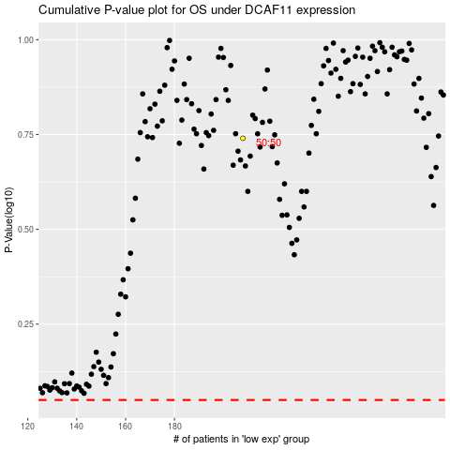

 |  |  |  |  |  | cases_OS | p_OS | rank | exp
 |  |  |  |  |  |  | cases_RFS | p_RFS | rank | exp

